12813116
Table 1. Key Demographic and Prognostic Characteristics on Admission by Treatment*

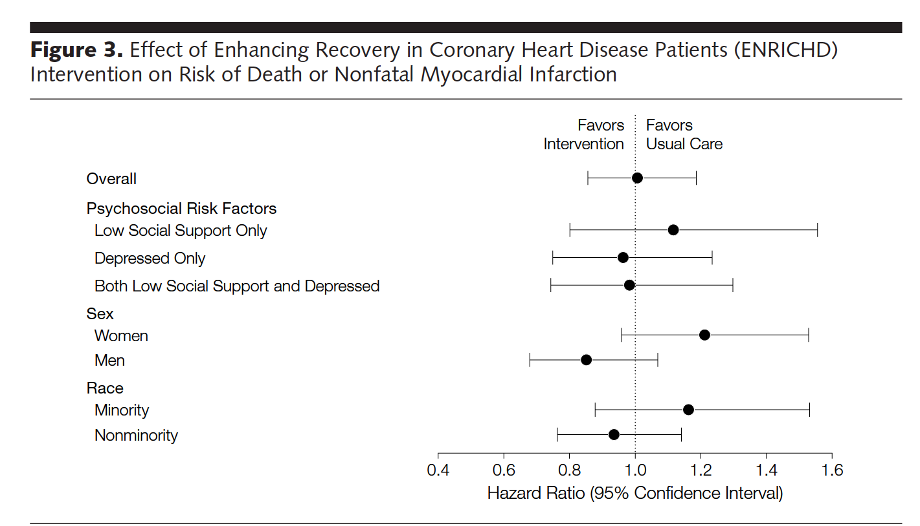
Characteristics | Usual Care (n = 1243) | Intervention (n = 1238)
Demographics
Age, mean (SD), y | 61 (12.5) | 61 (12.6)
Sex, female | 552 (44) | 532 (43)
Race, nonwhite | 425 (34) | 409 (33)
Marital status, married | 625 (51) | 656 (53)
Education, high school or higher | 558 (46) | 573 (48)
Medical characteristics
Diabetes | 414(33) | 400 (32)
Hypertension | 752 (61) | 741 (60)
Smoking history | 810(65) | 789 (64)
Hypercholesterolemia | 698 (56) | 719(58)
Cerebrovascular disease | 123 (10) | 111 0)
Renal insufficiency | 117(9) | 124(10)
Previous Ml | 341 (27) | 318 (26)
Previous CABG surgery | 166(13) | 154 (12)
Previous PTCA | 199 (16) | 177 (14)
CHF history | 170 (14) | 164(13)
Comorbidity score, mean (SD)t | 2.24 (2.11) | 2.16(2.03)
Peripheral vascular disease | 150(12) | 152 (12)
Systolic blood pressure, mean (SD), mm Hg | 124(19) | 123 (19)
Body mass index, mean (SD)t | 29 (6.6) | 29 (6.7)
Characteristics of the index Ml
Infarct type
Q wave | 378 (32) | 357 (30)
Non-Q wave | 650 (54) | 674 (57)
Indeterminate or unknown | 165(14) | 152 (13)
Infarct location
Anterior | 385 (31) | 355 (29)
Inferior | 484 (39) | 494 (40)
Ejection fraction category
Severe dysfunction | 249 (25) | 263 (26)
Moderate dysfunction | 252 (26) | 238 (24)
Mild dysfunction or normal | 483 (49) | 508 (50)
Killip class lll-IV | 89 (7) | 86(7)
Treatment of the index Ml
Thrombolytic therapy | 478 (39) | 440 (36)
CABG surgery | 218(17) | 212 (17)
Cardiac catheterization | 1025(83) | 997 (81)
PTCA <24 h | 293 (24) | 288 (23)
Current prescribed medications
ACE inhibitors | 588 (47) | 524 (42)
Anticoagulants | 232(19) | 248 (20)
Aspirin | 1046(84) | 1027 (83)
p-Blockers | 884 (71) | 901 (73)
Lipid-lowering drugs | 530 (43) | 492 (40)
Psychosocial risk factors
Depressed only | 480 (39) | 498 (40)
Low perceived social support only | 334 (27) | 313(25)
Depressed and low perceived social support | 429 (34) | 427 (35)
Abbreviations: ACE, angiotensin-converting enzyme; CABG, coronary artery bypass graft; CHF, congestive heart failure; Ml, myocardial infarction; PTCA, percutaneous transluminal coronary angioplasty. *Data are presented as No. (%) unless otherwise indicated. Denominator may vary due to missing values. tBased on Charlson comorbidity index (range in sample, 0-11). recalculated as weight in kilograms divided by the square of height in meters.

