18032739
Table 2. Baseline Characteristics of the Study Cohorts
TIA indicates transient ischemic attack; BP, blood pressure; MI, myocardial infarction. Data presented as N (%) unless otherwise specified. *New stroke: changes on initial CT scan consistent with qualifying event. Old stroke: changes on initial CT scan consistent with event prior to qualifying event.

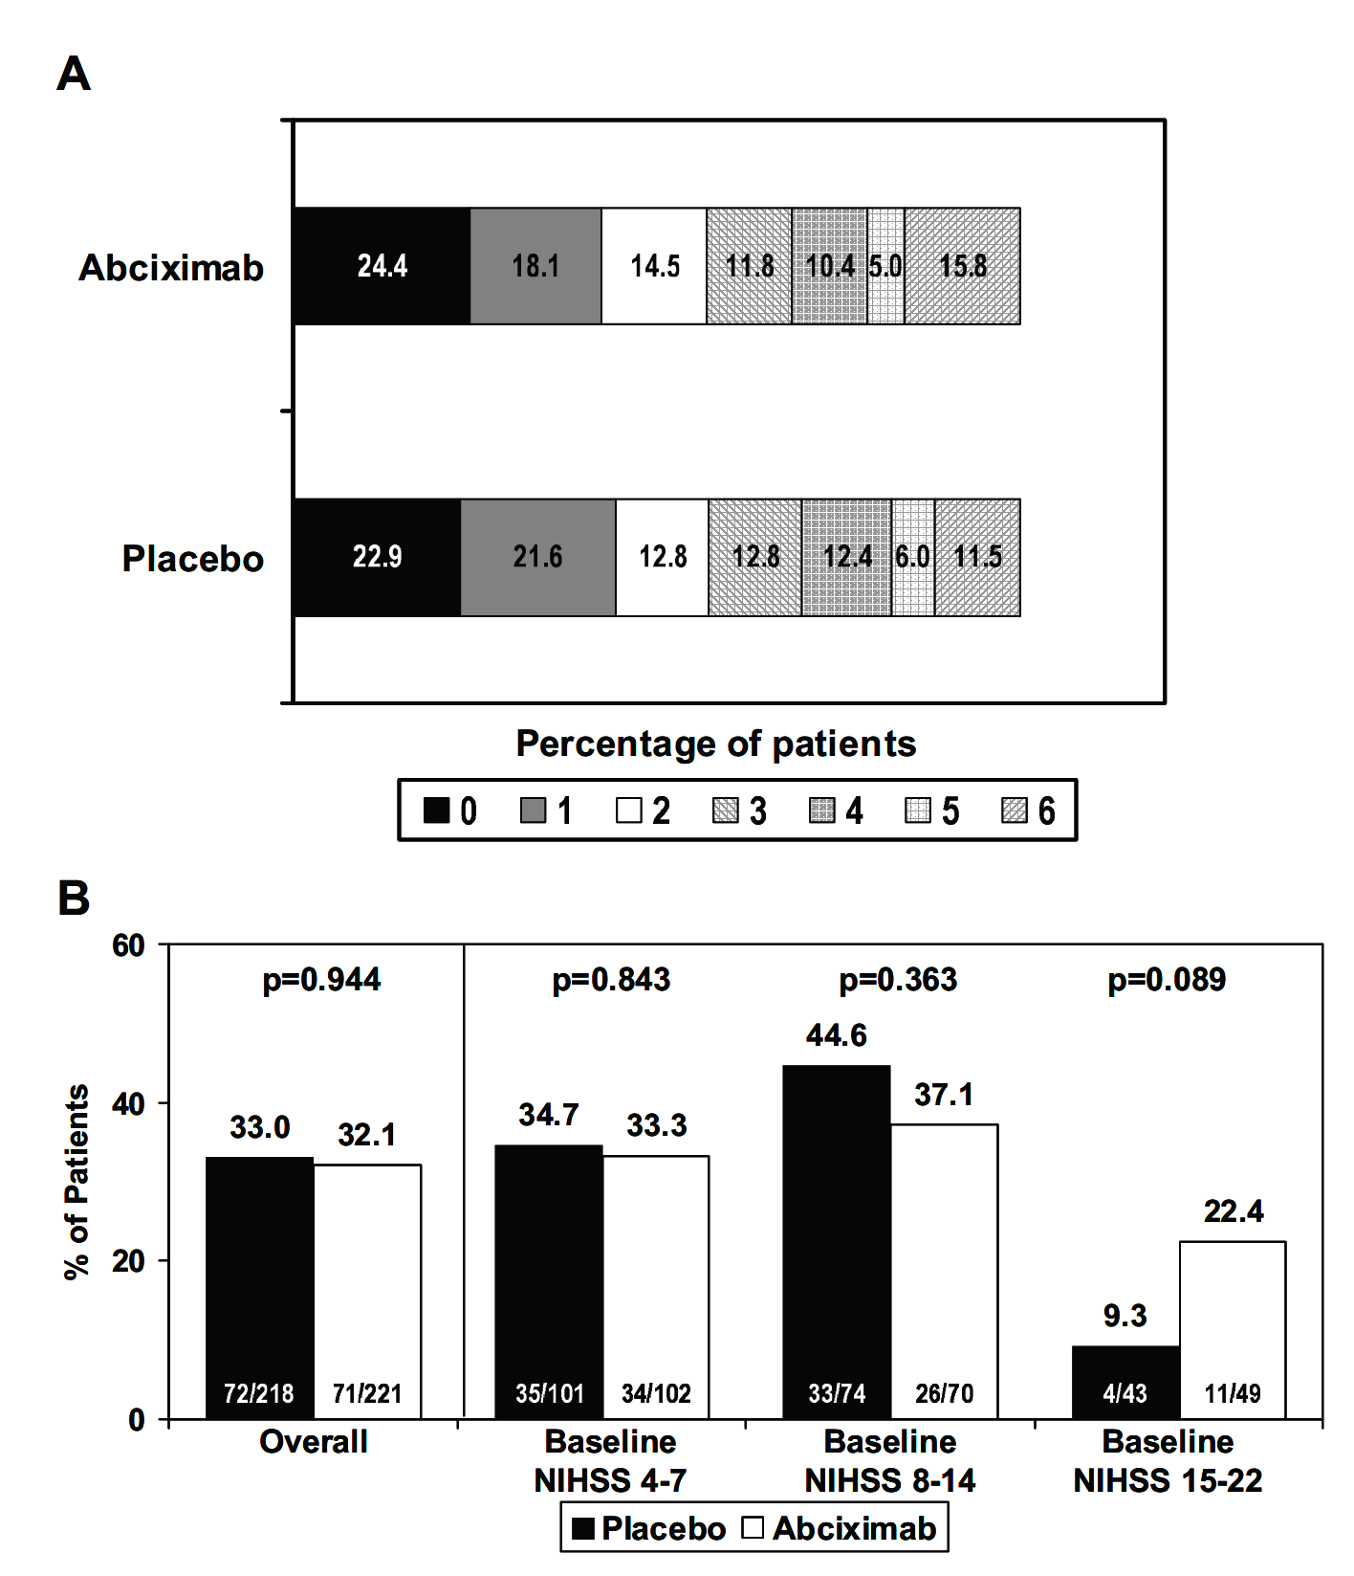
 | Primary |  | Companion: 5-6 hours |  | Companion: Wake-Up Stroke
 | Placebo | Abciximab | Placebo | Abciximab | Placebo | Abciximab
No. of subjects | 218 | 221 | 159 | 160 | 21 | 22
Mean age, y, mean = SD | 70.2±13.1 | 68.0±14.1 | 67.9±13.9 | 69.4±12 | 70.5±11.6 | 68.6±12.4
Men/women | 121/97 | 118/103 | 73/86 | 100/60 | 16/5 | 13/9
Race
White | 207 (95.0) | 204 (92.3) | 146 (91.8) | 149 (93.1) | 19 (90.5) | 21 (95.5)
Black | 3 (1.4) | 7 (3.2) | 10 (6.3) | 5 (3.1) | 2 (9.5) | 1 (4.5)
Other | 8 (3.7) | 10 (4.6) | 3 (1.9) | 6 (3.8) | 0 (0) | 0 (0)
Mean weight, kg, mean = SD | 76.4±16.1 | 76.8±15.7 | 76.8±15.9 | 76.3±17.2 | 78.0±10.4 | 78.7±17.8
Location
Europe | 134 (61.5) | 142 (64.3) | 97 (61.0) | 89 (55.6) | 16 (76.2) | 15 (68.2)
North America | 50 (22.9) | 49 (22.2) | 47 (29.6) | 55 (34.4) | 5 (23.8) | 7 (31.8)
South Africa | 11 (5.1) | 10 (4.5) | 4 (2.5) | 6 (3.8) | 0 (0) | 0 (0)
South America | 17 (7.8) | 15 (6.8) | 10 (6.3) | 10 (6.3) | 0 (0) | 0 (0)
Australia | 6 (2.8) | 5 (2.3) | 1 (0.6) | 0 (0) | 0 (0) | 0 (0)
CT findings | (217 subjects) | (219 subjects) | (156 patients) | (158 patients) | (21 patients) | (22 patients)
New stroke* | 62 (28.6) | 59 (26.9) | 42 (26.9) | 50 (31.6) | 8 (38.1) | 9 (40.9)
Old stroke* | 67 (30.9) | 75 (34.2) | 51 (32.7) | 59 (37.3) | 8 (38.1) | 13 (59.1)
Previous TIA | 17 (7.8) | 21 (9.5) | 15 (9.4) | 17 (10.6) | 0 (0) | 3 (13.6)
Previous stroke | 25 (11.5) | 37 (16.7) | 27 (17.0) | 18 (11.3) | 3 (14.3) | 8 (36.4)
Aspirin <7 day | 81 (37.2) | 78 (35.3) | 65 (40.9) | 67 (41.9) | 8 (38.1) | 10 (45.5)
Aspirin <24 hours | 69 (31.7) | 67 (30.3) | 54 (34.0) | 49 (30.6) | 6 (28.6) | 9 (40.9)
Hypertension | 149 (68.3) | 151 (68.3) | 122 (76.7) | 106 (66.3) | 12 (57.1) | 15 (68.2)
Mean systolic BP, mmHg, mean = SD | 148.5±19.8 | 149.8±22.9 | 153.3±20.5 | 148.7±21.6 | 159.4±18.6 | 146.9±19.6
Mean diastolic BP, mmHg, mean = SD | 78.8±15.4 | 79.7±14.3 | 81.1 ±13.6 | 79.1 ±14.1 | 84.9 = 9.5 | 76.5±16.1
Diabetes | 47 (21.6) | 42 (19.0) | 40 (25.2) | 35 (21.9) | 3 (14.3) | 6 (27.3)
Mean serum glucose, mg/dL, mean = SD | 134.9±53.1 | 132.6±47.2 | 140.3±55.9 | 137.2±57.5 | 128.5±40.7 | 138.8±44.4
Smoking | 54 (24.8) | 49 (22.2) | 35 (22) | 42 (26.3) | 5 (23.8) | 6 (27.3)
Prior MI | 41 (18.8) | 35 (15.8) | 19 (11.9) | 30 (18.8) | 3 (14.3) | 2 (9.1)
Atrial fibrillation | 45 (20.6) | 40 (18.1) | 33 (20.8) | 38 (23.8) | 5 (23.8) | 3 (13.6)

