19166691
Table 1 Baseline characteristics
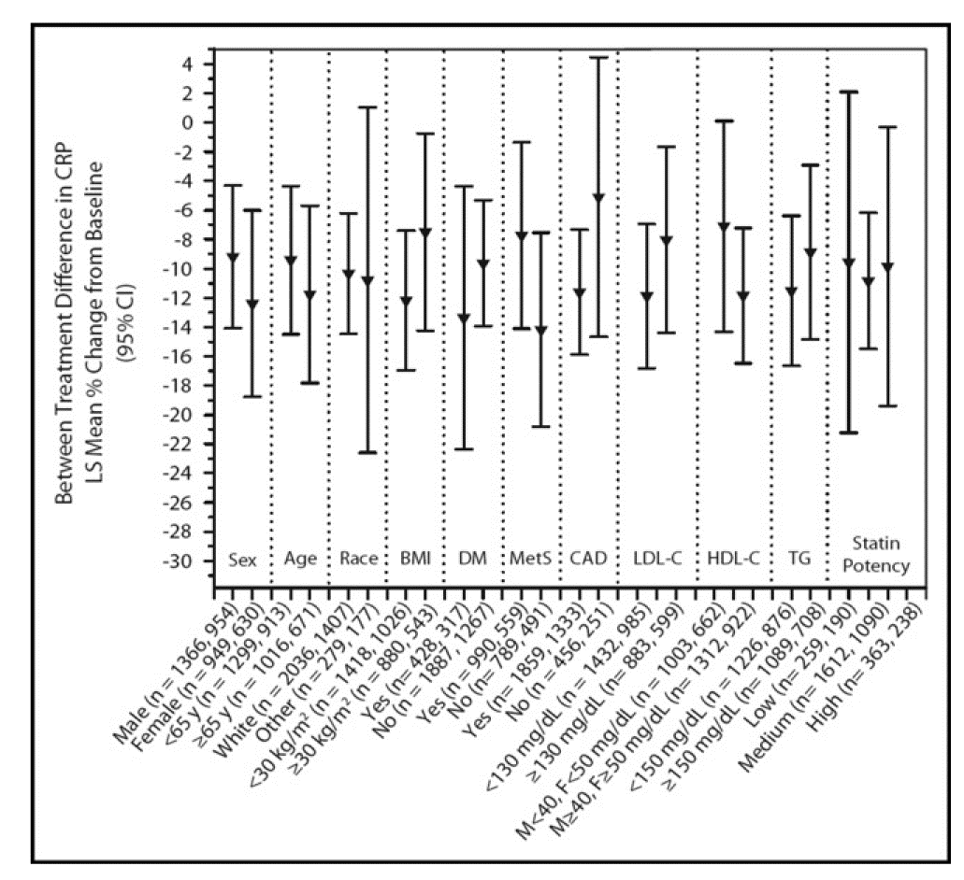

 | Placebo + Statin (n = 1,584) | Ezetimibe 10 mg + Statin (n = 2,315)
Age mean (yrs ± SD) | 61.6 ± 11.1 | 62.0 ±11.2
Age <65 yrs | 913 (58%) | 1.299 (56%)
Men | 954 (60%) | 1,366 (59%)
Caucasian | 1.407 (89%) | 2.036 (88%)
Body mass index (kg/m2) | 29.1 ± 5.5 | 29.5 ± 5.6
Body mass index <30 kg/m2 | 1.026 (65%) | 1,418 (61%)
CAD | 1.333 (84%) | 1,859 (80%)
Diabetes mellitus | 317 (20%) | 428 (19%)
CRP mean (mg/dl ± SD) | 2.7 ± 2.2 | 2.7 ± 2.2
LDL cholesterol mean (mg/dl ± SD) | 129.0 ± 29.9 | 128.4 ± 29.2
Triglycerides mean (mg/dl ± SD) | 156.3 ± 70.7 | 160.2 ± 74.1
High-density lipoprotein cholesterol mean (mg/dl ± SD) | 50.4 ± 12.2 | 49.2 ±11.4

