19190658
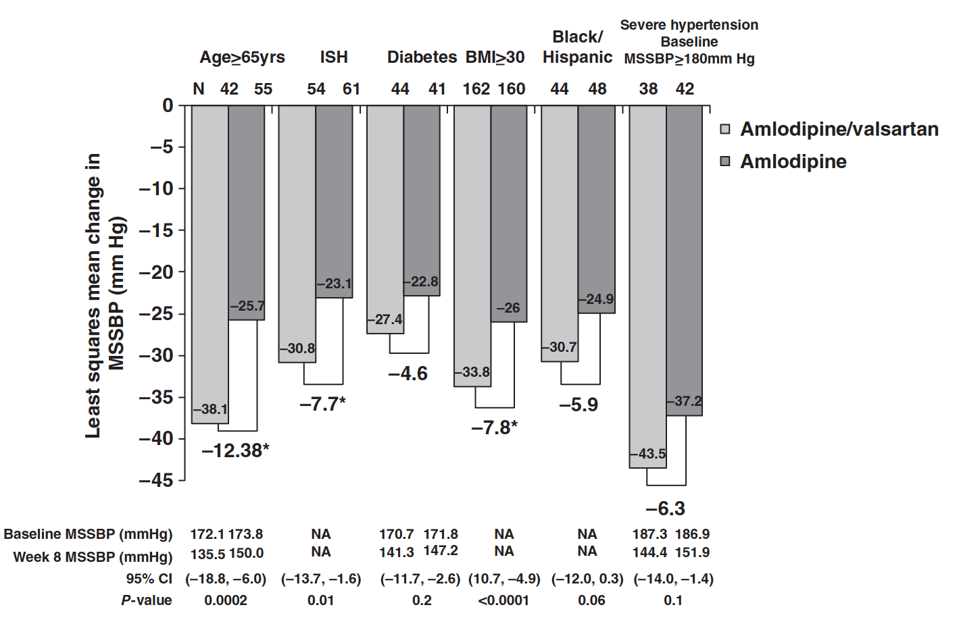
Figure 5 Change in mean sitting systolic blood pressure (MSSBP) (mm Hg) from baseline to week 8 by treatment strategy and selected subgroups in black patients with stage 2 hypertension BMI ¼ body mass index; CI ¼ confidence interval; ISH ¼ isolated systolic hypertension. N is the number of intent-to-treat patients of the respective subgroup.

