19508464
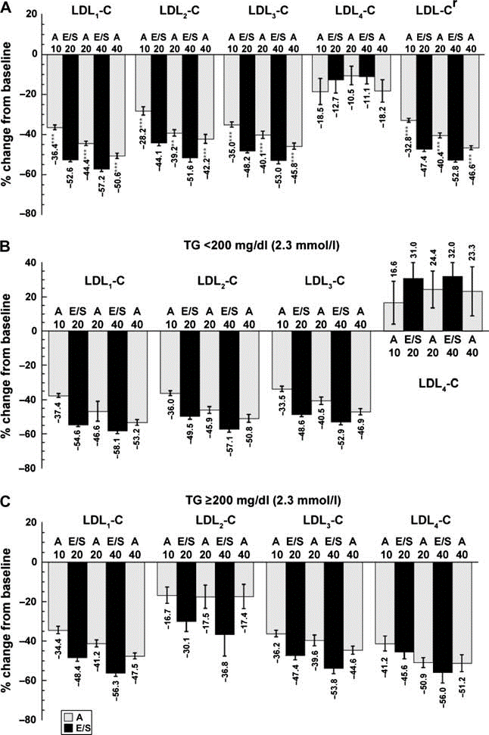
Table 1. Not standard baseline characteristics table

