20185012
Table 1 Baseline demographics and risk factors
* Missing data for 2 patients in A10 E10 group. † Other forms of atherosclerosis included peripheral arterial disease, abdominal aortic aneurysm, symptomatic carotid artery disease (transient ischemic attack, stroke of carotid origin, or 50% obstruction of carotid artery). A atorvastatin; E10 ezetimibe 10 mg.

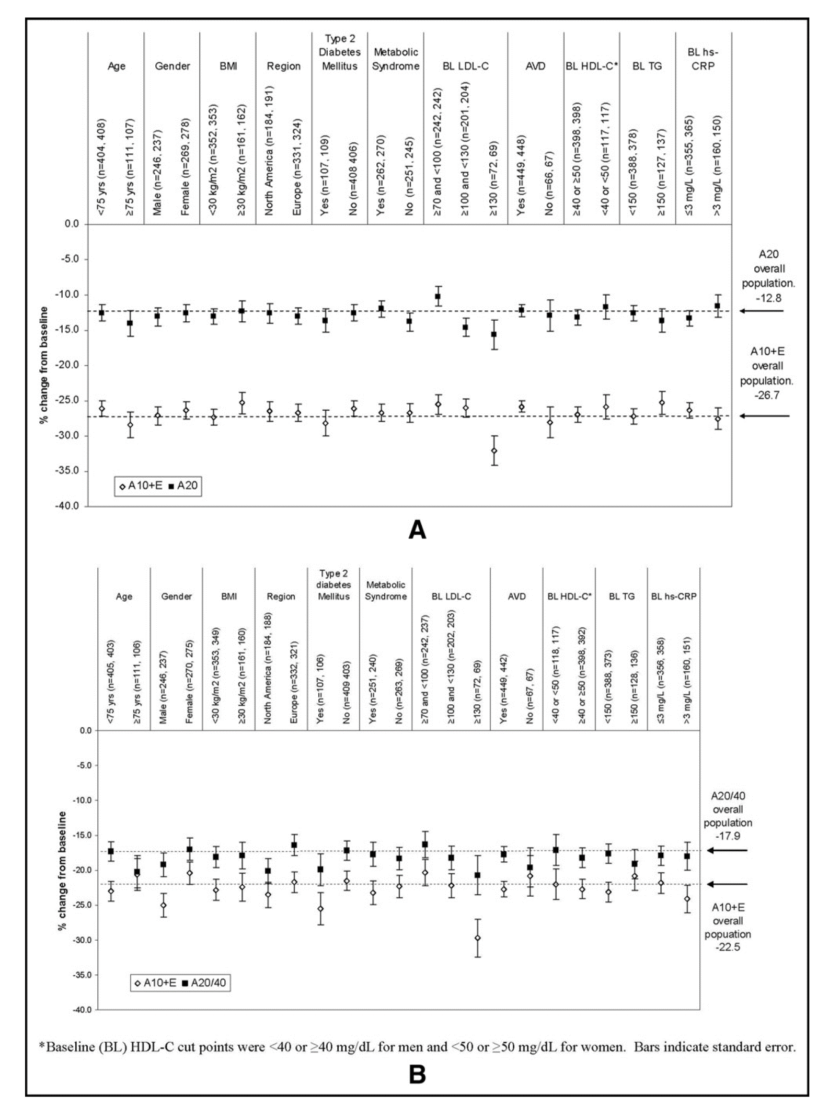
Variable | A10 + E10 (n = 526) | A20/40 (n = 527)
Women | 277 (53%) | 286 (54%)
Mean age (years) Race | 71 ± 5 | 71 ± 5
White | 503 (96%) | 505 (96%)
Black | 21 (4%) | 17 (3%)
Other | 2 (<1%) | 5 (1%)
Body mass index >30 kg/m2* | 165 (31%) | 165 (31%)
> 1 Concomitant medication | 518 (99%) | 519(99%)
Atherosclerotic cardiovascular disease | 456 (87%) | 457 (87%)
Coronary heart disease | 418 (80%) | 423 (80%)
Other forms of atherosclerosis’ | 148 (28%) | 141 (27%)
Diabetes mellitus (type 1 or 2) | 110(21%) | 113 (21%)
Metabolic syndrome Visit 2 low-density lipoprotein cholesterol strata | 268/524 (51%) | 275/526 (52%)
>70 but <100 mg/dl | 244 (46%) | 244 (46%)
>100 but <130 mg/dl | 208 (40%) | 209 (40%)
>130 mg/dl | 74(14%) | 74(14%)

