20185012
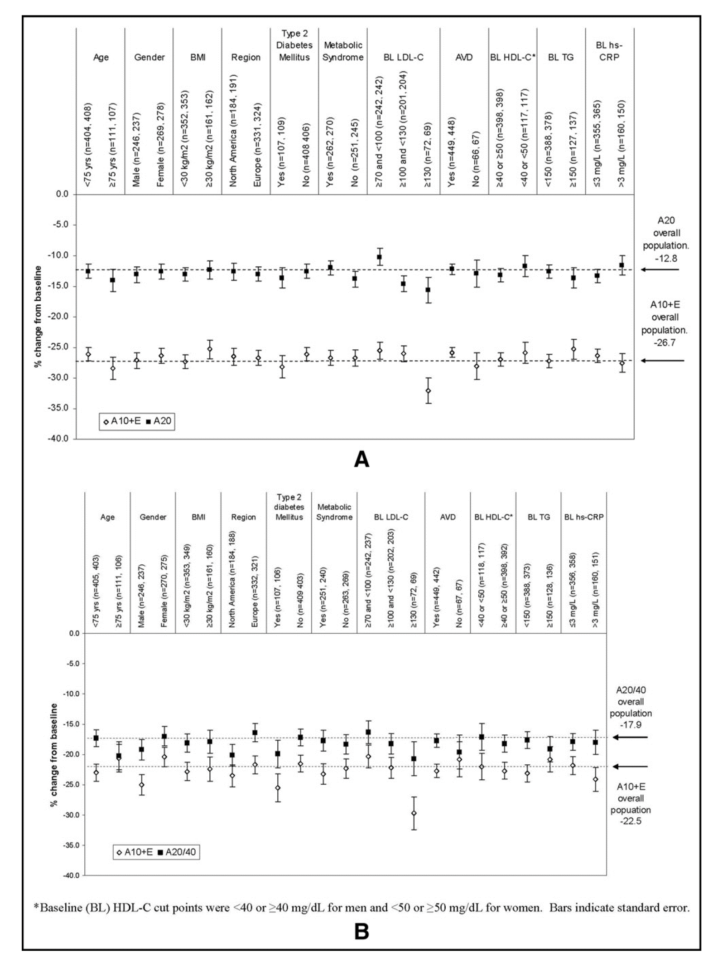
Figure 3. Percentage of change from treated baseline in LDL cholesterol at week 6 (A) and week 12 (B) in prespeciﬁed subgroups treated with ezetimibe added to atorvastatin 10 mg versus up titration to atorvastatin 20 mg or atorvastatin 20/40 mg. A20 atorvastatin 20 mg; A20/40 6 weeks of atorvastatin 20 mg followed by 6 weeks of atorvastatin 40 mg; BL baseline; BMI body mass index; E ezetimibe 10 mg; HDL-C HDL cholesterol; hs-CRP high-sensitivity C-reactive protein; LDL-C LDL cholesterol; TG triglycerides.

