21596364
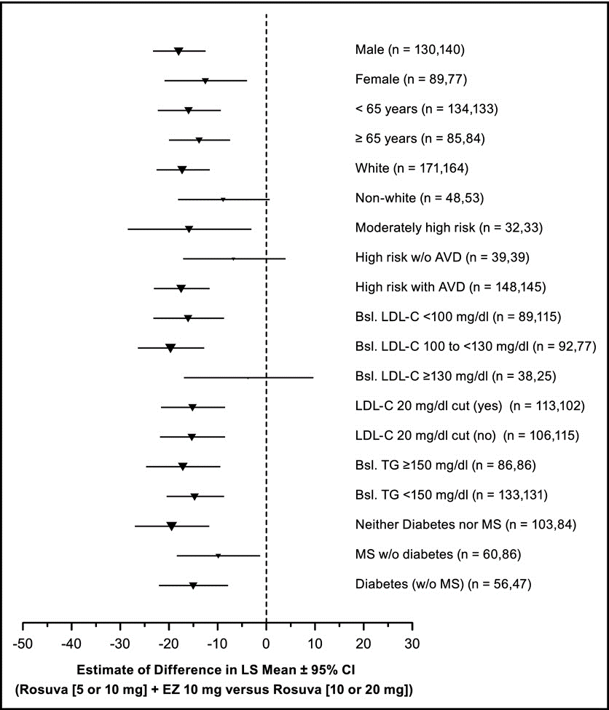
Figure 4. Treatment difference in percentage of change from baseline in LDL cholesterol at week 6 in prespeciﬁed subgroups. n (x,y) indicates number of patients in rosuvastatin (5 or 10 mg) plus ezetimibe 10 mg (x), number of patients in rosuvastatin up-titration (10 or 20 mg) (y) groups. AVD atherosclerotic vascular disease; Bsl baseline; EZ ezetimibe 10 mg; MS metabolic syndrome; Rosuva rosuvastatin; TG triglycerides.

