25282519
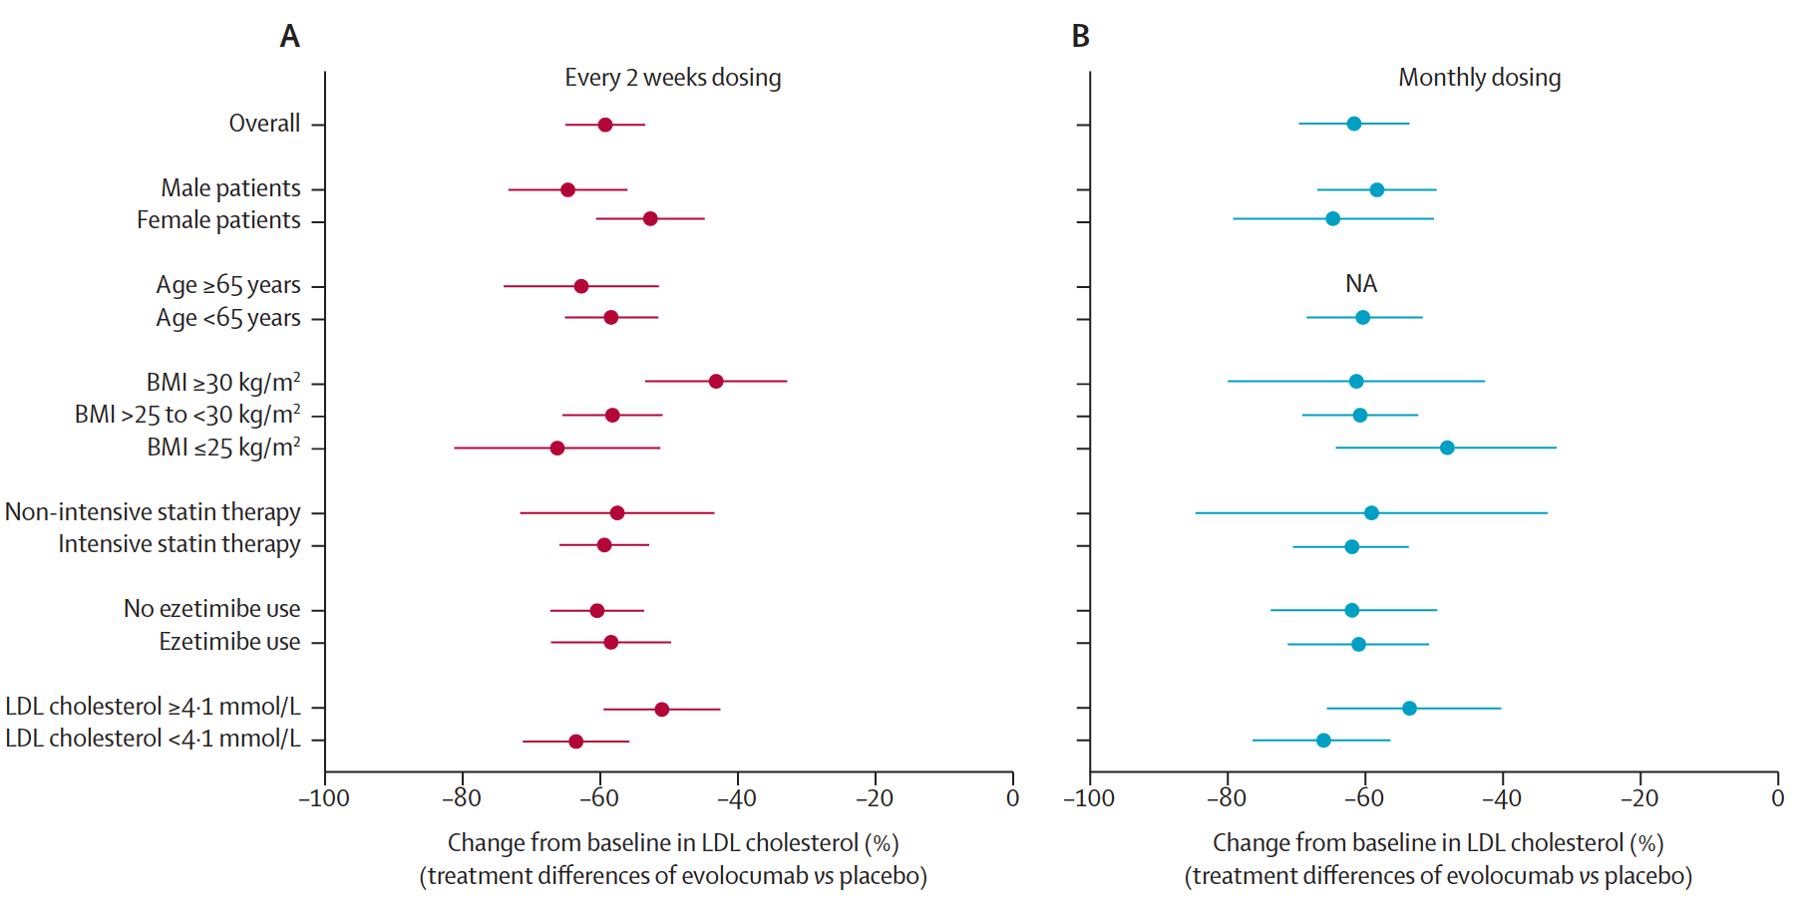
Figure 3: Treatment diﬀ erences between evolocumab and placebo in mean percentage changes from baseline in LDL cholesterol at week 12 and the associations with sex, age, BMI, lipid-lowering therapy, and baseline LDL cholesterol concentrations (A) Doses administered every 2 weeks. (B) Doses administered monthly. Error bars are 95% CI. BMI=body-mass index. NA=not available.

