26121561
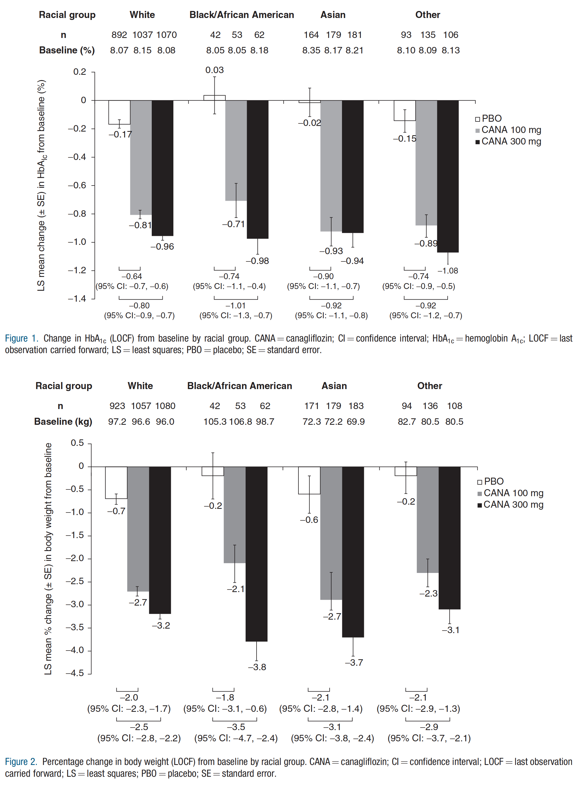
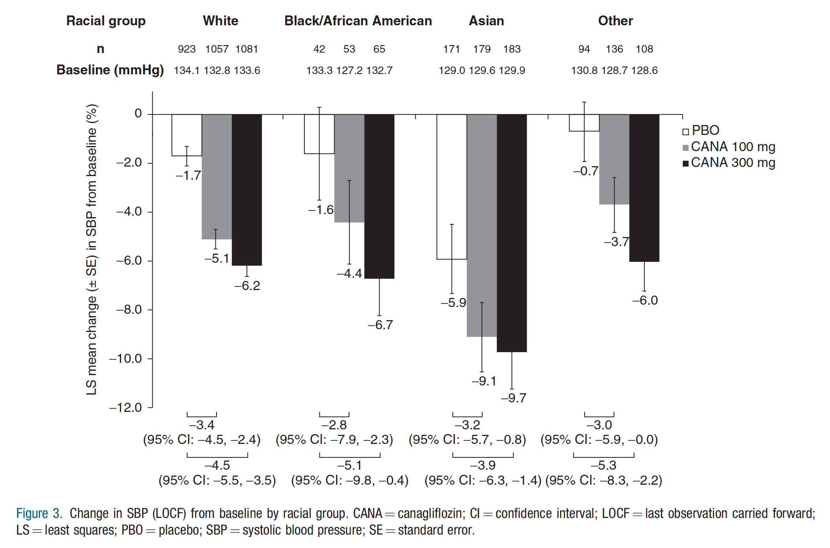
Table 2. Changes in fasting plasma lipids.
*‘Other’ includes American Indian, Alaskan Native, mixed race, Native Hawaiian or other Pacific Islander, not reported, and unknown. yNumber of patients with available HDL-C data at baseline and Week 26: White, 818, 988, and 1003; Black/African American, 34, 52, and 58; Asian, 149, 176, and 175; and Other, 91, 126, and 100 for PBO, CANA 100 mg, and CANA 300 mg, respectively. zNumber of patients with available LDL-C data at baseline and Week 26: White, 815, 984, and 1000; Black/African American, 34, 52, and 57; Asian, 149, 175, and 173; Other, 91, 126, and 100 for PBO, CANA 100 mg, and CANA 300 mg, respectively. xNumber of patients with available LDL-C/HDL-C data at baseline and Week 26: White, 815, 984, and 1000; Black/African American, 34, 52, and 57; Asian, 149, 175, and 173; Other, 91, 126, and 100 for PBO, CANA 100 mg, and CANA 300 mg, respectively. Number of patients with available non-HDL-C data at baseline and Week 26: White, 815, 983, and 997; Black/African American, 34, 52, and 57; Asian, 149, 176, and 175; Other, 91, 126, and 100 for PBO, CANA 100 mg, and CANA 300 mg, respectively. **Number of patients with available triglyceride data at baseline and Week 26: White, 818, 990, and 1009; Black/African American, 34, 52, and 58; Asian, 149, 177, and 175; Other, 91, 126, and 100 for PBO, CANA 100 mg, and CANA 300 mg, respectively. CANA ¼ canagliflozin; HDL-C ¼ high-density lipoprotein cholesterol; LDL-C ¼ low-density lipoprotein cholesterol; LS ¼ least squares; PBO ¼ placebo; SD ¼ standard deviation; SE ¼ standard error.

 | White |  |  | Black/African American |  |  | Asian |  |  | Other*
 | PBO | CANA 100 mg | CANA 300 mg | PBO | CANA 100 mg | CANA 300 mg | PBO | CANA 100 mg | CANA 300 mg | PBO | CANA 100 mg | CANA 300 mg
HDL-Cy
Baseline.mean _ SD.mg/dL | 45.1 ± 11.5 | 45.4 ± 12.1 | 45.7 ± 11.6 | 49.2 ± 14.0 | 49.4 ± 12.4 | 48.1 ± 11.7 | 45.7 ± 12.4 | 46.1 ± 13.0 | 46.9 ± 11.0 | 45.6 ± 11.0 | 45.1 ± 12.6 | 45.5 ± 12.1
LS mean % change from baseline _ SE | 4.2 ± 0.6 | 8.0 ± 0.6 | 9.9 ± 0.6 | 5.4 ± 2.7 | 5.9 ± 2.2 | 6.6 ± 2.0 | 1.6 ± 3.0 | 4.7 ± 2.8 | 7.1 ± 3.0 | 4.7 ± 1.7 | 6.7 ± 1.6 | 9.7 ± 1.7
LDL-Cz
Baseline.mean _ SD, mg/dL | 98.3 ± 38.9 | 97.4 ± 37.8 | 96.9 ± 36.0 | 109.2 ± 48.8 | 112.4 ± 38.0 | 105.6 ± 36.6 | 94.4 ± 33.6 | 92.3 ± 33.4 | 96.6 ± 36.3 | 106.0 ± 36.5 | 105.6 ± 36.6 | 99.9 ± 33.2
LS mean % change from baseline _ SE | 2.6 ± 1.8 | 8.3 ± 1.7 | 10.8 ± 1.6 | -1.0 ± 4.4 | 3.7 ± 3.7 | 13.8 ± 3.3 | 5.9 ± 3.7 | 5.9 ± 3.6 | 5.6 ± 3.8 | 3.5 ± 3.6 | 9.1 ± 3.4 | 13.2 ± 3.7
LDL-C/HDL-Cx
Baseline.mean _ SD.mg/mg | 2.28 ± 1.0 | 2.24 ± 1.0 | 2.2 ± 0.9 | 2.5 ± 1.8 | 2.4 ± 1.2 | 2.4 ± 1.2 | 2.2 ± 0.9 | 2.2 ± 1.0 | 2.2 ± 0.9 | 2.4 ± 1.0 | 2.5 ± 0.9 | 2.3 ± 1.0
LS mean % change from baseline _ SE | 0.5 ± 1.8 | 1.7 ± 1.6 | 2.2 ± 1.6 | -3.9 ± 4.9 | -0.9 ± 4.1 | 8.6 ± 3.7 | 6.4 ± 4.0 | 5.9 ± 3.9 | 3.4 ± 4.1 | -0.5 ± 3.6 | 4.3 ± 3.4 | 4.6 ± 3.7
Non-HDL-C*
Baseline.mean _ SD.mg/dL | 134.7 ± 46.3 | 134.9 ± 47.7 | 132.1 ± 42.1 | 134.8 ± 58.2 | 137.2 ± 43.1 | 131.3 ± 38.1 | 123.7 ± 38.4 | 121.6 ± 37.2 | 125.8 ± 38.5 | 141.7 ± 42.6 | 140.9 ± 41.1 | 136.0 ± 39.3
LS mean % change from baseline _ SE | 1.9 ± 0.8 | 3.0 ± 0.8 | 5.5 ± 0.8 | -1.0 ± 3.8 | 3.0 ± 3.2 | 9.2 ± 2.8 | 6.5 ± 3.0 | 2.8 ± 2.9 | 4.1 ± 3.0 | 0.7 ± 2.3 | 6.4 ± 2.2 | 8.1 ± 2.4
Triglycerides**
Baseline.mean _ SD.mg/dL | 185.3 ± 131.3 | 188.8 ± 130.0 | 181.2 ± 114.9 | 127.9 ± 72.6 | 123.8 ± 53.3 | 127.1 ± 76.5 | 149.6 ± 88.3 | 150.5 ± 93.3 | 153.8 ± 149.1 | 183.2 ± 104.1 | 179.2 ± 117.0 | 183.0 ± 135.7
LS mean % change from baseline _ SE | 7.1 ± 1.6 | 3.7 ± 1.4 | 1.3 ± 1.4 | 7.0 ± 8.1 | 5.2 ± 6.8 | 4.6 ± 6.1 | 16.0 ± 5.9 | 4.9 ± 5.7 | 9.5 ± 6.0 | -2.5 ± 4.2 | 9.8 ± 4.0 | 5.5 ± 4.3

