27395349
TABLE 2 Adverse Events of Interest According to Prior HF Hospitalization
Values are n (%) or mean SD. *Average daily dose during double-blind period was divided by 20 mg for the enalapril arm and 400 mg for the sacubitril/valsartan arm. HF ¼ heart failure.

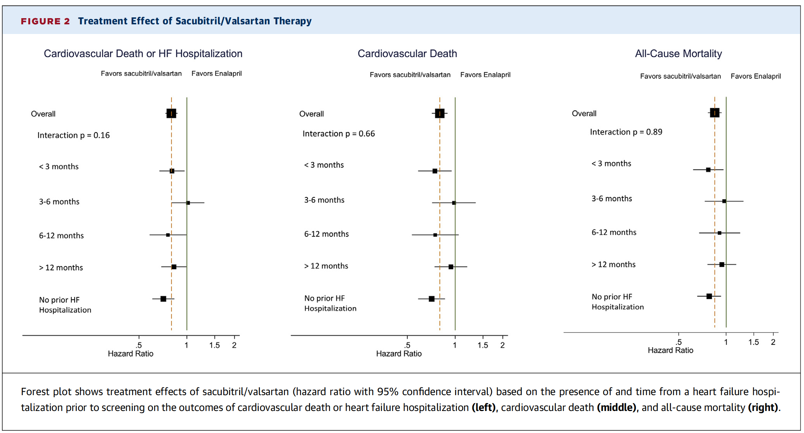
Elevated Symptomatic Serum Creatinine, Hypotension >2.5 mg/dl |  |  |  | Elevated Serum Potassium, >6.0 mmol/l | Drug Discontinuation Not Due To Death | Any Dose Reduction | Average Daily Dose (% of Target)*
<3 months | Enalapril | 61 (7.9) | 28 (3.6) | 51 (6.8) | 164 (21.2) | 334 (43.1) | 85 ± 27
 | Sacubitril/valsartan | 95 (11.5) | 23 (2.8) | 38 (4.6) | 124 (14.8) | 316 (37.8) | 88 ± 24
3-6 months | Enalapril | 43 (8.2) | 32 (6.2) | 39 (7.5) | 84 (16.0) | 222 (42.4) | 87 ± 25
 | Sacubitril/valsartan | 77 (15.9) | 15 (3.1) | 18 (3.8) | 83 (17.1) | 202 (41.6) | 87 ± 24
6-12 months | Enalapril | 45 (10.0) | 11 (2.5) | 24 (5.4) | 81 (18.1) | 176 (39.3) | 88 ± 24
 | Sacubitril/valsartan | 59 (13.5) | 12 (2.8) | 21 (4.8) | 82 (18.7) | 191 (43.6) | 86 ± 26
>12 months | Enalapril | 96 (10.6) | 47 (5.2) | 45 (5.0) | 193 (21.3) | 408 (45.1) | 85 ± 26
 | Sacubitril/valsartan | 145 (17.2) | 40 (4.8) | 30 (3.6) | 191 (22.7) | 396 (47.0) | 85 ± 26
No prior HF hospitalization | Enalapril | 142 (9.2) | 67 (4.4) | 75 (4.9) | 307 (19.9) | 648 (41.9) | 86 ± 25
 | Sacubitril/valsartan | 210 (13.3) | 49 (3.1) | 74 (4.7) | 264 (16.7) | 647 (40.9) | 87 ± 25
p value for interaction |  | 0.72 | 0.68 | 0.07 | 0.40 | 0.22 | 0.11

