28236727
Table 2 Patient demographics and disease characteristics at baseline (ITT population).
AED, antiepileptic drug; BRV, brivaracetam; ITT, intent-to-treat; SD, standard deviation. a Patients included in every applicable category of baseline seizures.b AEDs discontinued before study entry were collected for 5 years prior to study entry for studies N01252 and N01253; all AED history collected for study N01358.

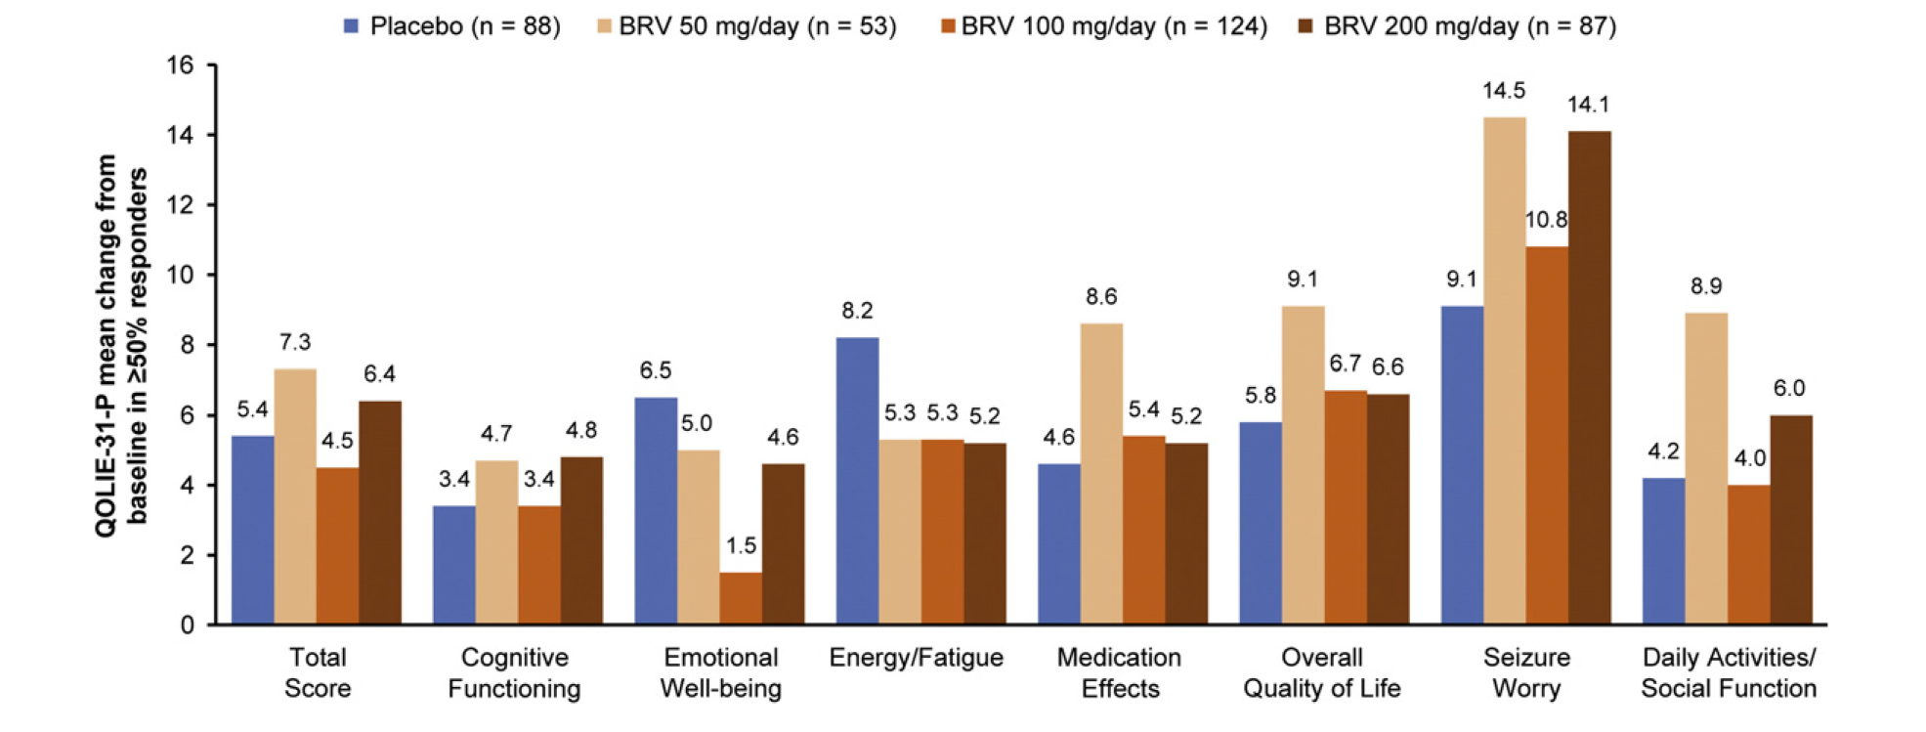
 | Placebo (n = 455) | BRV 50 mg/day (n = 200) | BRV 100 mg/day (n = 352) | BRV 200 mg/day (n = 249)
Mean age (SD), years | 38.1 (12.7) | 38.3 (12.9) | 38.6 (13.3) | 39.7 (12.8)
Female, n (%) | 225 (49.5) | 95 (47.5) | 192 (54.5) | 116 (46.6)
Region, n (%)
North America | 103 (22.6) | 47 (23.5) | 64 (18.2) | 61 (24.5)
Latin America | 72 (15.8) | 44 (22.0) | 27 (7.7) | 28 (11.2)
Western Europe | 116 (25.5) | 47 (23.5) | 111 (31.5) | 67 (26.9)
Eastern Europe | 97 (21.3) | 30 (15.0) | 96 (27.3) | 65 (26.1)
Asia/Pacific/Other | 67 (14.7) | 32 (16.0) | 54 (15.3) | 28 (11.2)
Mean weight (SD), kg | 75.0 (19.9) | 73.1 (17.6) | 73.5 (17.2) | 75.4 (19.0)
Baseline focal seizure frequency/28 days, median (Q1, Q3) | 9.7 (5.5, 24.3) | 8.9 (5.7, 20.6) | 8.9 (5.5, 21.7) | 9.3 (5.5, 18.8)
Seizure types reported during baseline, n (%)a
Simple partial (IA) | 184 (40.4) | 63 (31.5) | 123 (34.9) | 98 (39.4)
Complex partial (IB) | 358 (78.7) | 174 (87.0) | 290 (82.4) | 215 (86.3)
Partial evolving to secondarily generalized (IC) | 127 (27.9) | 73 (36.5) | 106 (30.1) | 75 (30.1)
Number of prior AEDs, n (%)b
0-1 | 114 (25.1) | 67 (33.5) | 86 (24.4) | 45 (18.1)
2-4 | 186 (40.9) | 99 (49.5) | 127 (36.1) | 84 (33.7)
> 5 | 155 (34.1) | 34 (17.0) | 139 (39.5) | 120 (48.2)
Most common concomitant AEDs, n (%)
Carbamazepine | 181 (39.8) | 87 (43.5) | 135 (38.4) | 93 (37.3)
Lamotrigine | 119 (26.2) | 50 (25.0) | 90 (25.6) | 61 (24.5)
Valproate | 90 (19.8) | 47 (23.5) | 87 (24.7) | 48 (19.3)
Oxcarbazepine | 64 (14.1) | 25 (12.5) | 62 (17.6) | 50 (20.1)
Topiramate | 84 (18.5) | 12 (6.0) | 47 (13.4) | 28 (11.2)
Phenytoin | 47 (10.3) | 23 (11.5) | 30 (8.5) | 21 (8.4)
Levetiracetam | 37 (8.1) | 39 (19.5) | 20 (5.7) | 0

