12813116
 | Figure 3. Effect of Enhancing Recovery in Coronary Heart Disease Patients (ENRICHD) Intervention on Risk of Death or Nonfatal Myocardial Infarction

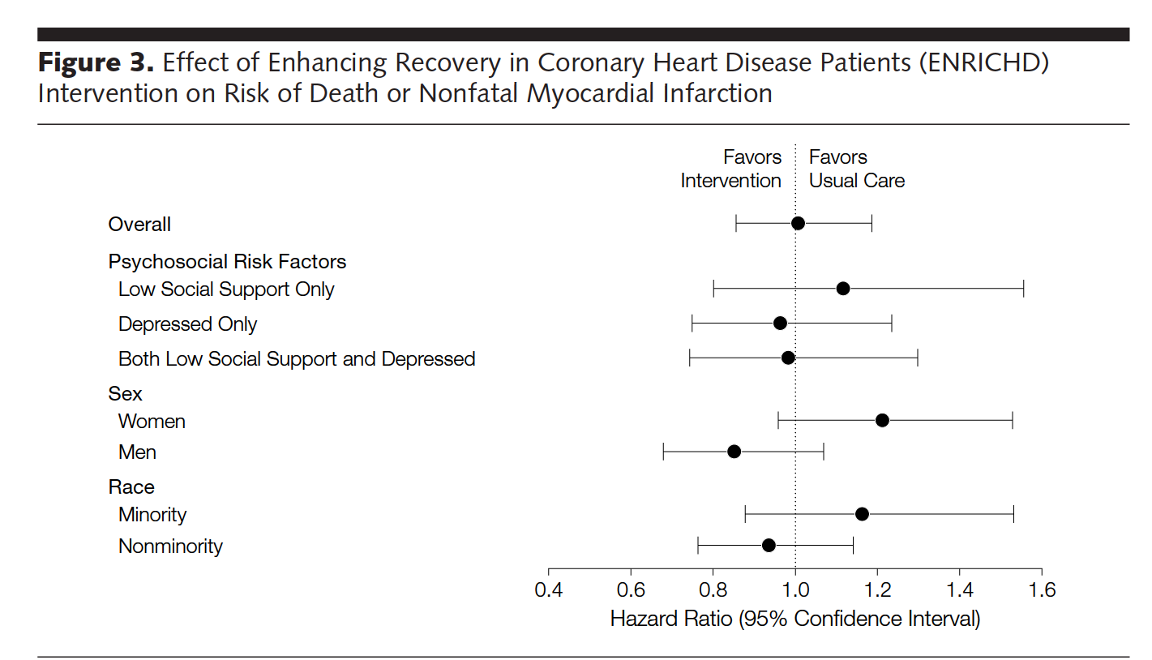
Overall
Psychosocial Risk Factors
Low Social Support Only
Depressed Only
Both Low Social Support and Depressed
Sex
Women
Men
Race
Minority
Nonminority

