16905022
Table 2: Baseline characteristics patients in the HOPE, EUROPA, and PEACE trials

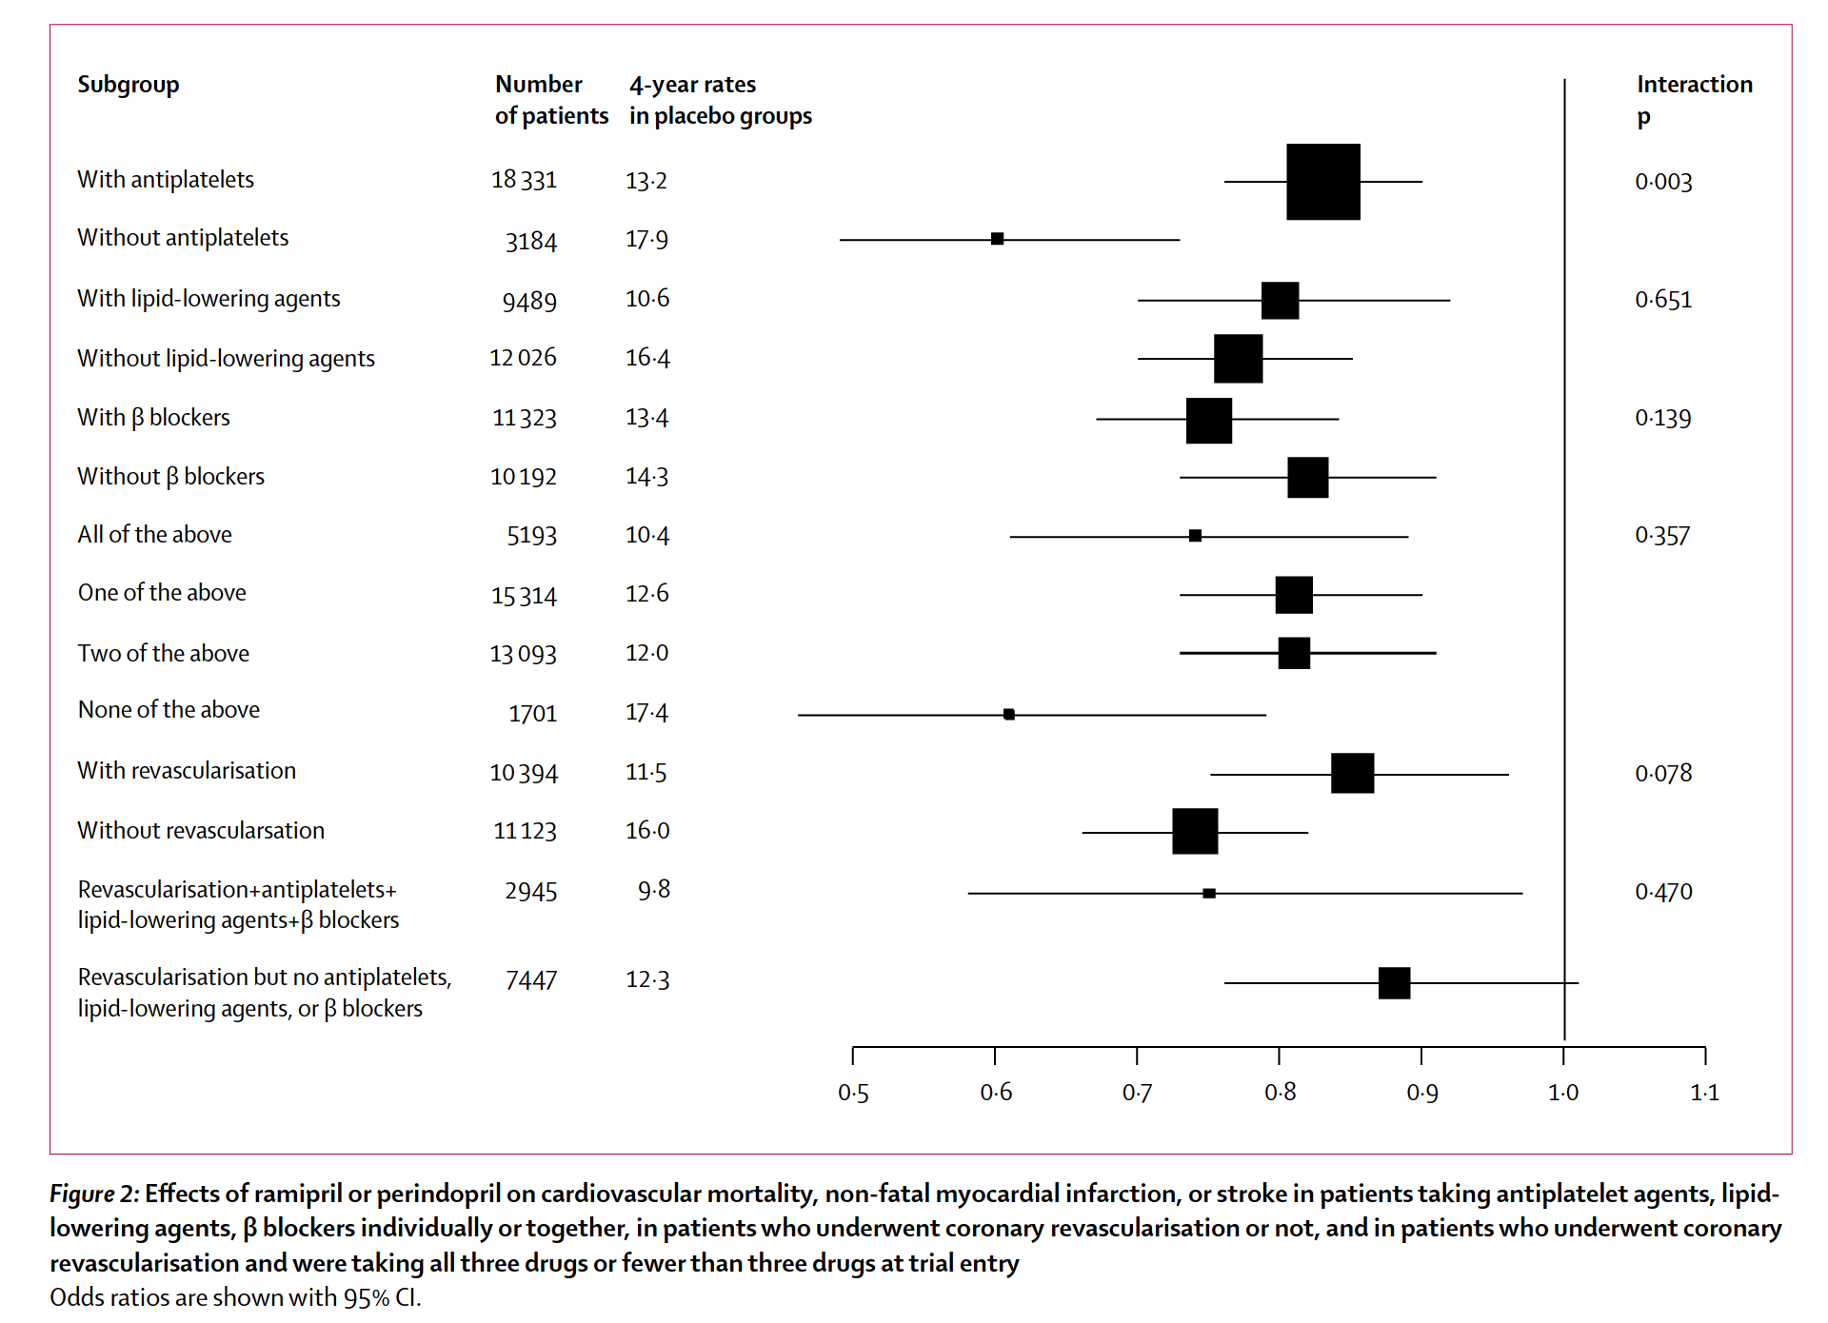
 | HOPE (n=9297) | HOPE patients with coronary-artery disease (n=7477) | EUROPA (n=122l8) | PEACE (n=8290)
Characteristics
Age (years) | 66(7) | 66(7) | 60 (9) | 64(8)
Female (%) | 26-8 | 220 | 14-6 | 17-5
Previous myocardial infarction (%) | 52-7 | 65-4 | 64-8 | 55-0
PCI (%) | 17-9 | 22-2 | 29-3 | 41-5
CABG(%) | 25-8 | 321 | 29-4 | 39-0
Previous stroke ortransient ischaemic attack (%) | 10-9 | 9-6 | 3-4 | 6-5
Peripheral-artery disease (%) | 43-6 | 39-5 | 7-3 | NA
Current smokers (%) | 14-2 | 12-3 | 15-2 | 14-5
Diabetes (%) | 38-5 | 286 | 12-3 | 17-0
Hypertension (%) | 46-8 | 44-6 | 271 | 45-5
Serum cholesterol (mg/L)* | 65-9% | 661% | 63-3 % | 192 (40)
Systolic blood pressure (mm Hg) | 139 (20) | 137(19) | 137 (15) | 134(17)
Diastolic blood pressure (mm Hg) Medications | 79 (11) | 78 (11) | 82(8) | 78 (10)
Antiplatelet agents (%) | 761 | 865 | 92-3 | 90-5
P blockers (%) | 39-5 | 46-2 | 617 | 600
Lipid-lowering agents (%) | 286 | 320 | 57-6 | 70-0
Diuretics (%) | 15-3 | 14-2 | 9-2 | 130
Calcium-channel blockers (%) | 471 | 51-9 | 31-4 | 35 5
PCI=percutaneous coronary intervention. CABG=coronary-artery bypass graft. For HOPE >201 mg/L; for EUROPA >250 mg/L or on a lipid-lowering treatment; for PEACE, data are mean (SD). Data are mean (SD) unless otherwise indicated.

