21596364
Table 1 Baseline characteristics (all randomized patients)
Data are presented as n (%) or mean ± SD. AVD included peripheral artery disease, atherosclerotic aortic disease, and carotid artery disease. * Patients with established CHD or with CHD risk equivalents defined by NCEP ATP III (diabetes mellitus or multiple risk factors conferring 10-year risk of CHD >20%), with AVD. 1 Patients with CHD risk equivalents defined by NCEP ATP III (diabetes mellitus or multiple risk factors) conferring 10-year risk of CHD >20%, without AVD. * Patients with >2 risk factors as defined by NCEP ATP III conferring 10-year risk of CHD of 10-20%. R5/R10 + EZIO = rosuvastatin 5 or 10 mg plus ezetimibe 10 mg add-on: R10/20 = rosuvastatin 10 mg or 20 mg.

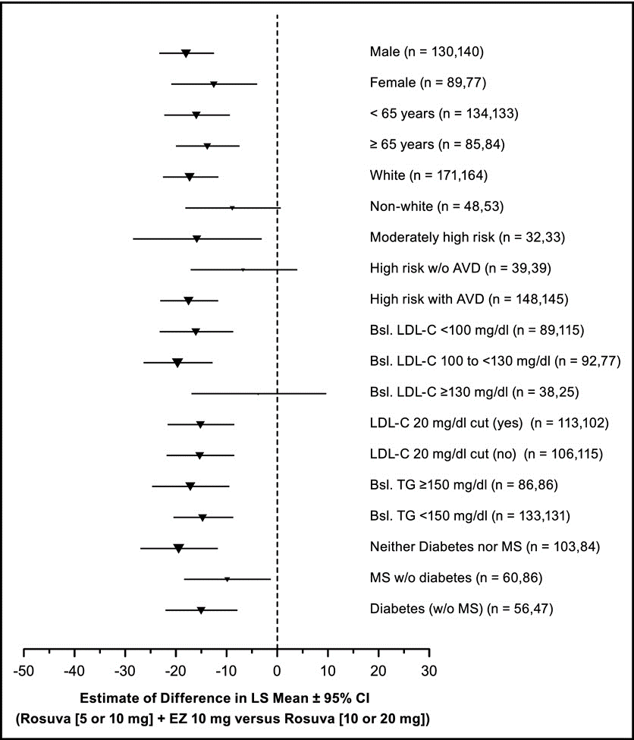
Characteristic | Stratum I |  | Stratum II
 | R5 + EZIO (n = 99) | R10 (n = 98) | R10 + EZIO (n = 122) | R20 (n = 121)
Men | 64 (65%) | 58 (59%) | 66 (54%) | 84 (69%)
Women | 35 (35%) | 40 (41%) | 56 (46%) | 37 (31%)
Age (years) | 60.5 ± 9.3 | 60.5 ± 10.0 | 62.0 ± 9.1 | 61.4 ± 9.4
Race
American Indian or Alaska | 7 (7%) | 1 d%) | 2 (2%) | 6 (5%)
Asian | 1 d%) | 3 (3%) | 0 | 1 (1%)
Black or African American | 6 (6%) | 3 (3%) | 4 (3%) | 3 (2%)
Multiracial | 19(19%) | 24 (24%) | 10(8%) | 12 (10%)
White | 66 (67%) | 67 (68%) | 106(87%) | 99 (82%)
Body mass index (kg/nr) | 29.8 ± 5.3 | 28.1 ± 4.7 | 28.8 ± 5.1 | 29.5 ±5.4
Risk group
High risk with atherosclerotic vascular disease* | 50(51%) | 48 (49%) | 100(82%) | 99 (82%)
High risk without atherosclerotic vascular disease+ | 27 (27%) | 24 (24%) | 12 (10%) | 15 (12%)
Moderately high risk without atherosclerotic vascular disease* | 22 (22%) | 26 (27%) | 10 (8%) | 7 (6%)
Baseline low-density lipoprotein cholesterol (mg/dl)
<70 | 2 (2%) | 9 (9%) | 16(13%) | 11 (9%)
70-<100 | 31 (31%) | 34 (35%) | 41 (34%) | 62 (51%)
100-<130 | 50 (50%) | 46 (47%) | 43 (35%) | 32 (26%)
130-160 | 14(14%) | 7 (7%) | 20(16%) | 13 (11%)
>160 | 2 (2%) | 2 (2%) | 2 (2%) | 3 (2%)

