25277614
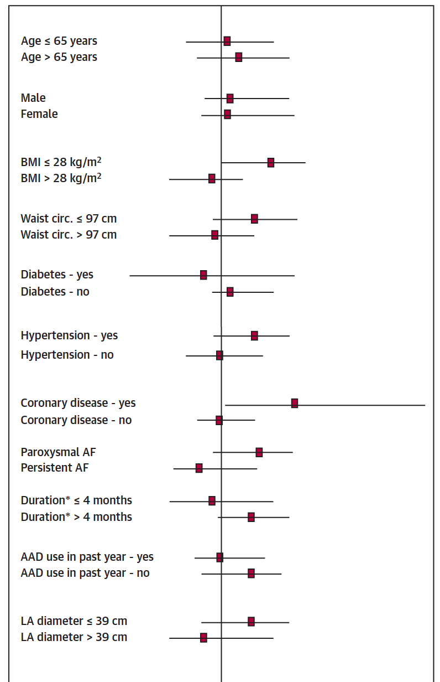
FIGURE 3 Occurrence of Primary Endpoint in Pre-Speciﬁed Subgroups

