27395349
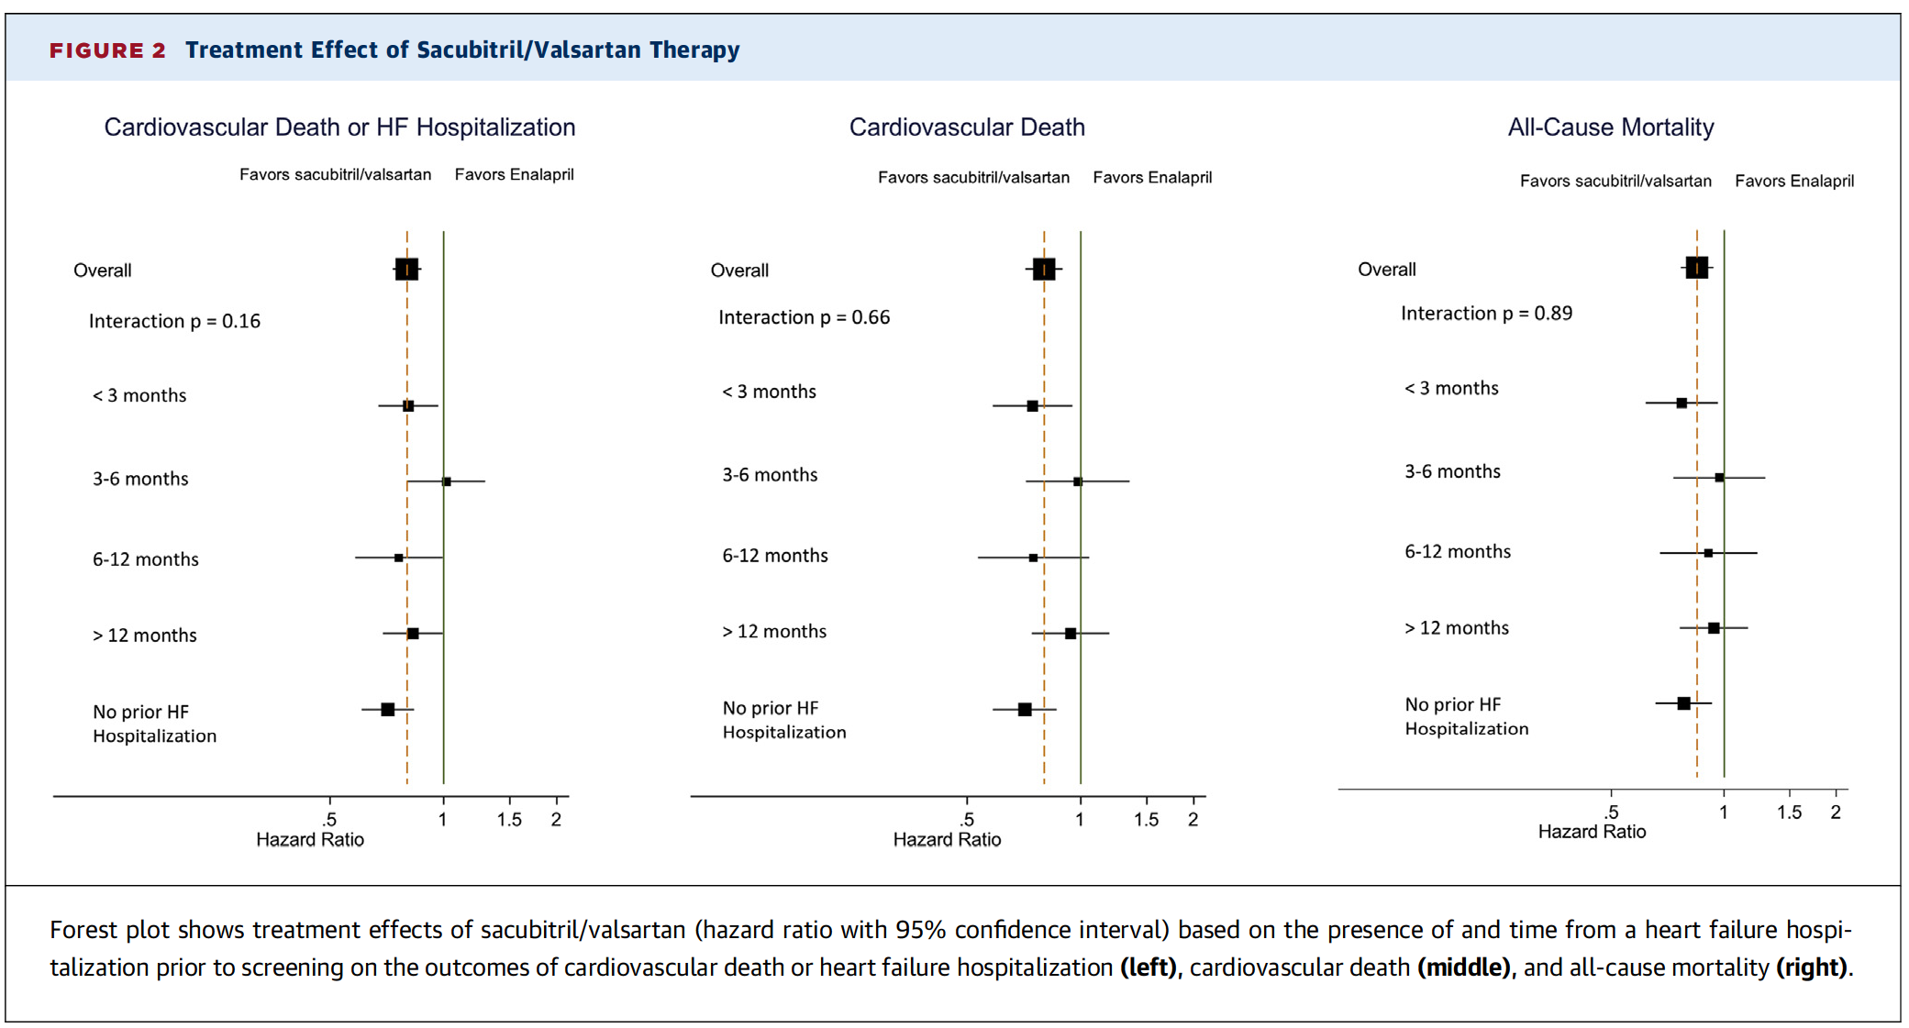
FIGURE 2 Treatment Effect of Sacubitril/Valsartan Therapy

