28236727
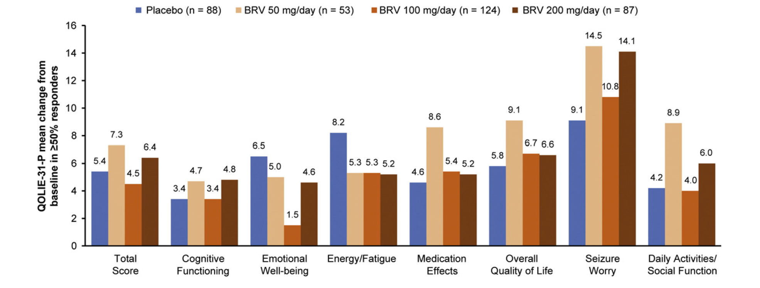
Fig. 2. Mean QOLIE-31-P score changes from baseline to week 12 or early discontinuation in a subgroup of patients who were ≥50% focal seizure frequency responders. BRV, brivaracetam; QOLIE-31-P, Patient-Weighted Quality of Life in Epilepsy Questionnaire.
In the subgroup of patients who were ≥50% responders, mean (SD) change from baseline in total QOLIE-31-P scores was 5.4 (15.1) versus 7.3 (14.5), 4.5 (14.9), and 6.4 (12.3) points for the placebo and brivaracetam 50, 100, and 200 mg/day groups, respectively. The ≥50% responder subgroup had larger improvements for all treatment arms and all subscales than for those in the overall pooled population (Fig. 2). The percentages of responders with clinically meaningful im-provements (Table 4) were larger than in the overall population, with similar treatment group differences.

