15639688
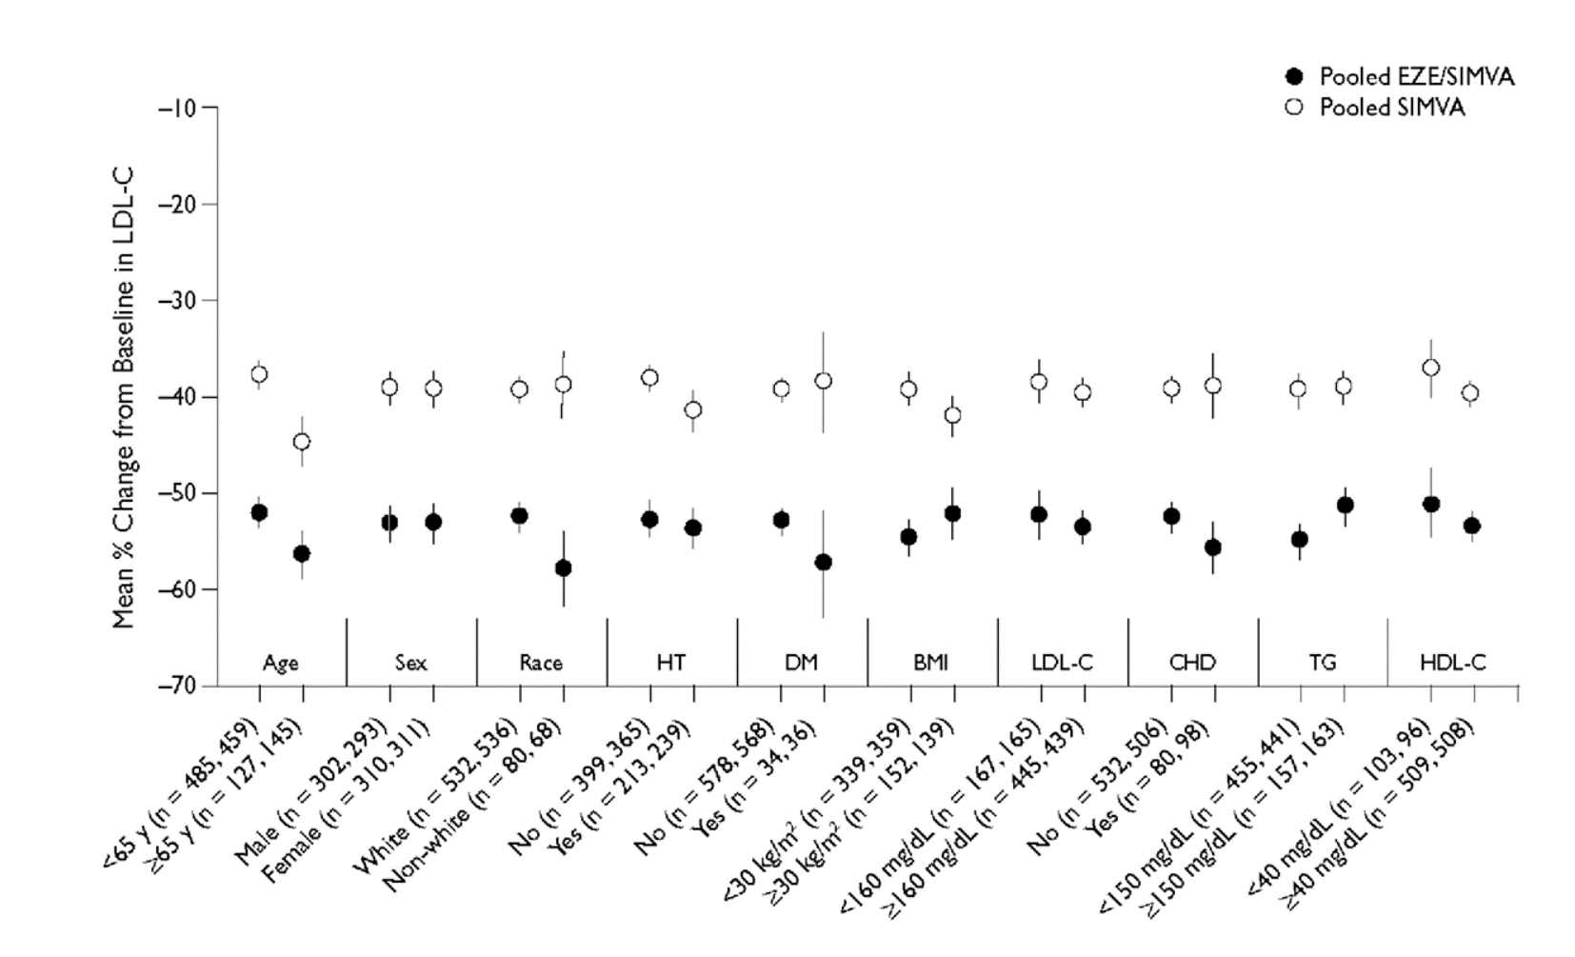
Figure 4. Mean percent change (95% Cis) from baseline to end point in plasma concentration of low-density lipoprotein cho­lesterol (LDL-C) for pooled ezetimibe/simvastatin (EZE/SIMVA) and pooled simvastatin (SIMVA) presented by sub­group. Numbers in parentheses indicate numbers for the pooled SIMVA and pooled EZE/SIMVA groups, respec­tively. HT = hypertension; DM = diabetes mellitus; BMI = body mass index; LDL-C = low-density lipoprotein cholesterol; CHD = coronary heart disease;TG = triglycerides; HDL-C = high-density lipoprotein cholesterol.

