18479744
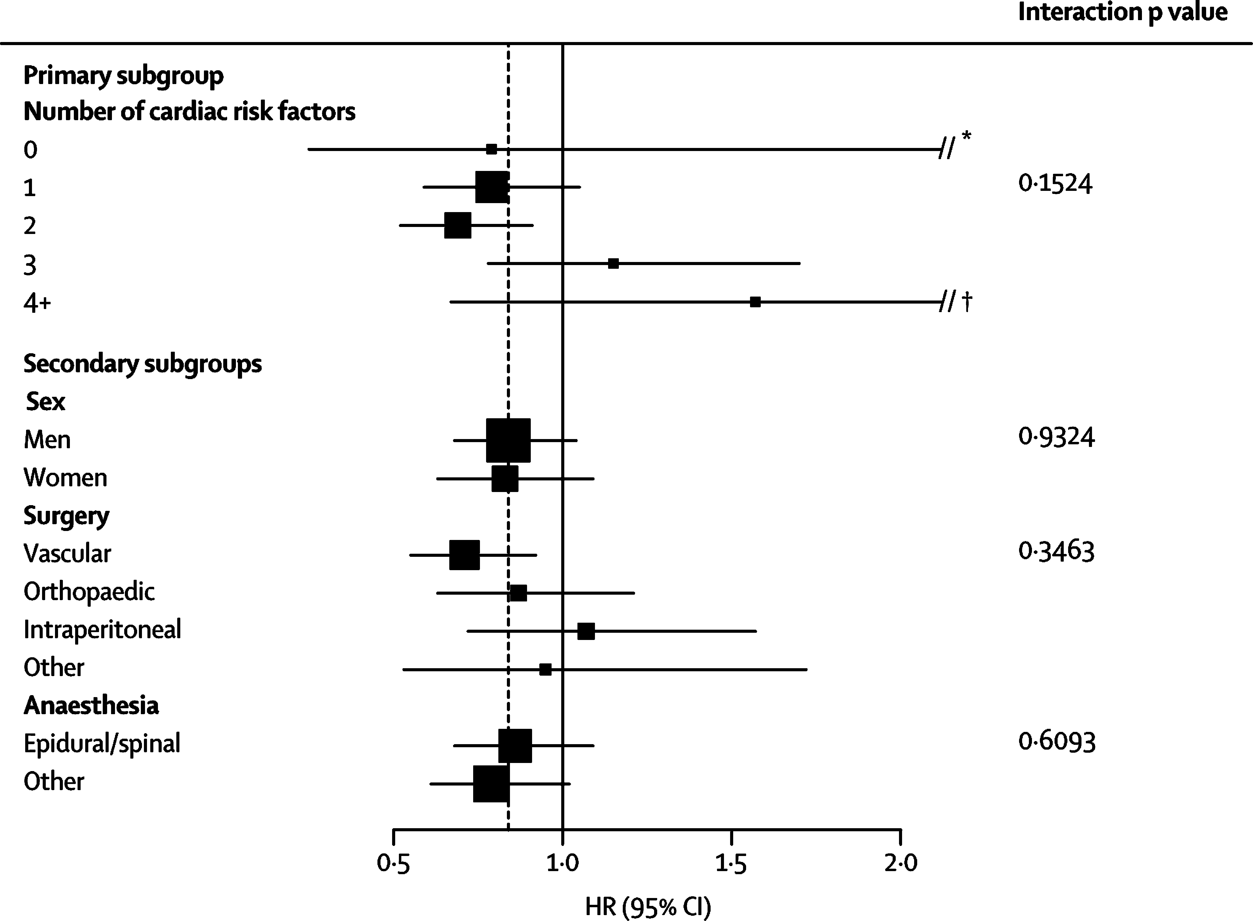
Figure 3: Subgroup analyses for the primary outcome

