22747613
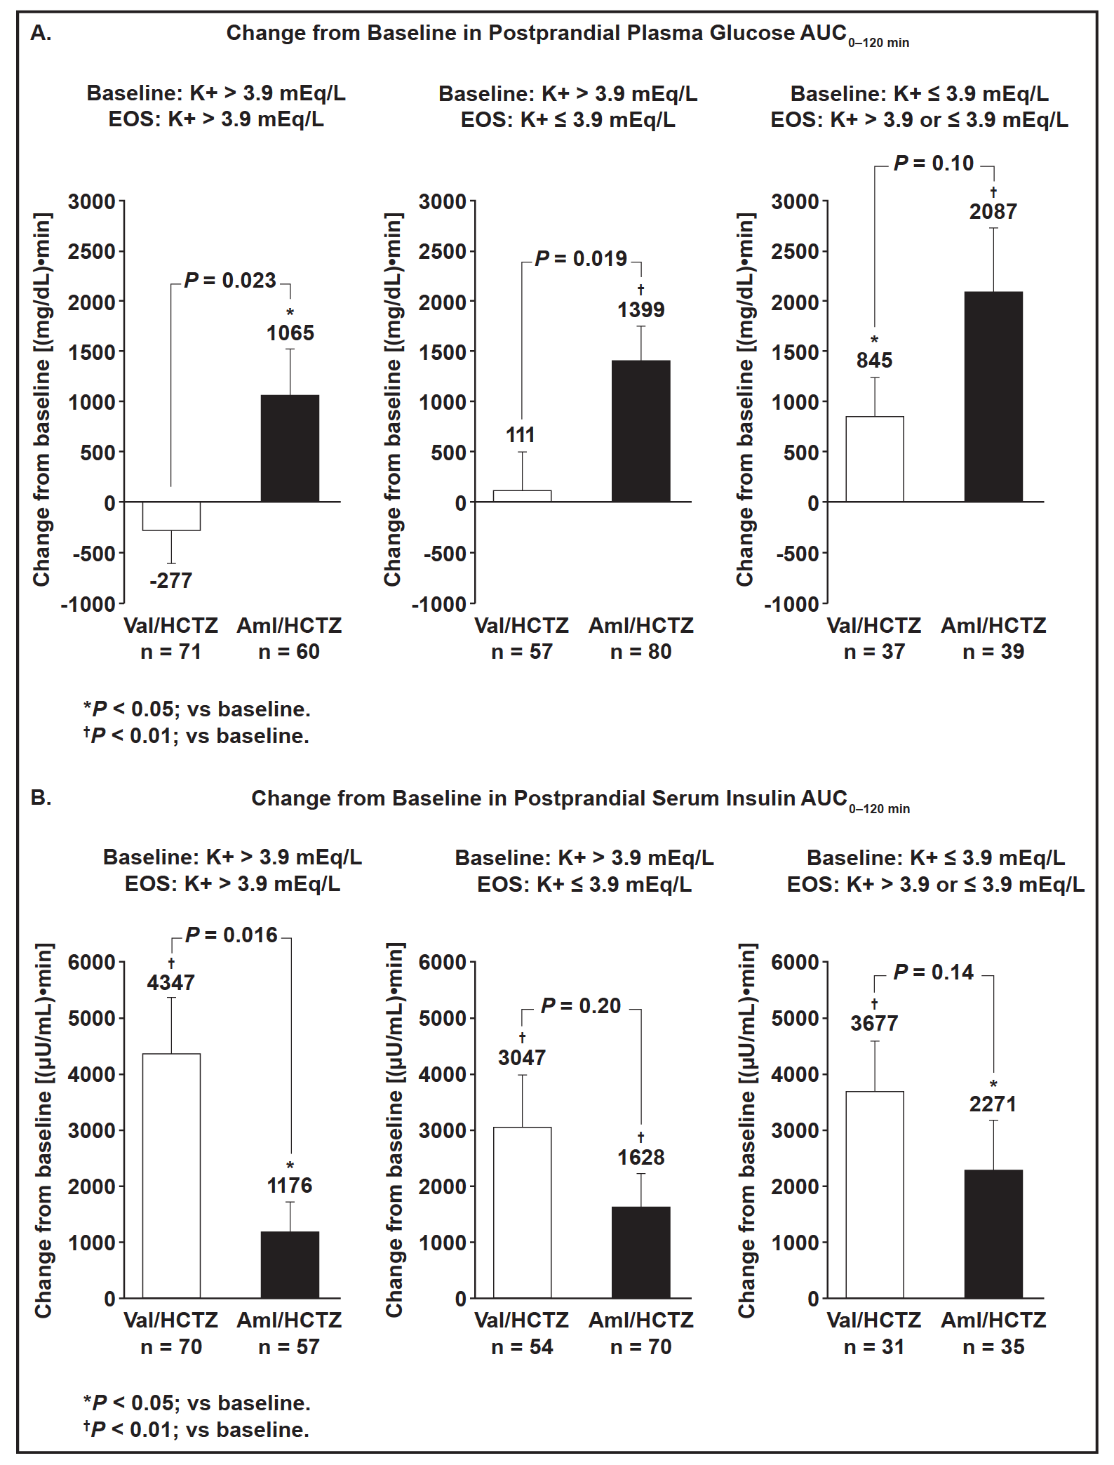
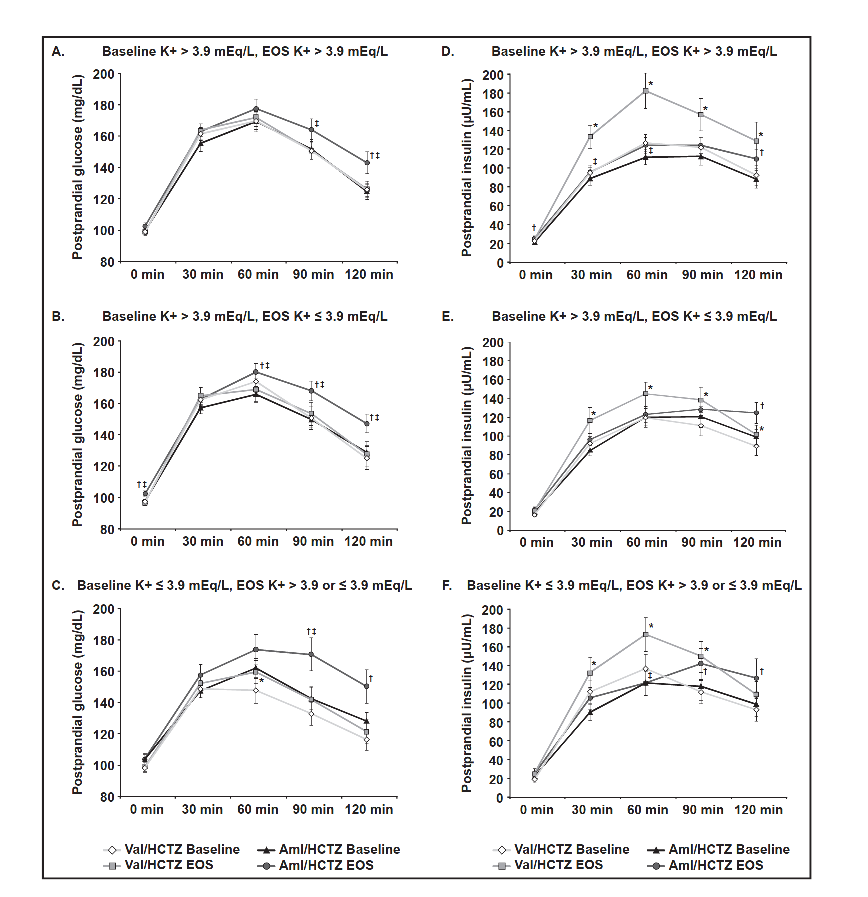
FIGURE 2. Mean change from baseline to end of the study (EOS) (week 16) in postprandial plasma glucose (A) and postprandial serum insulin (B) area under the curve (AUC) from 0 to 120 minutes (AUC0–120 min). Aml indicates amlodipine; HCTZ, hydrochlorothiazide; Val, valsartan. Error bars represent standard error

