19026303
Table 1 Demographics

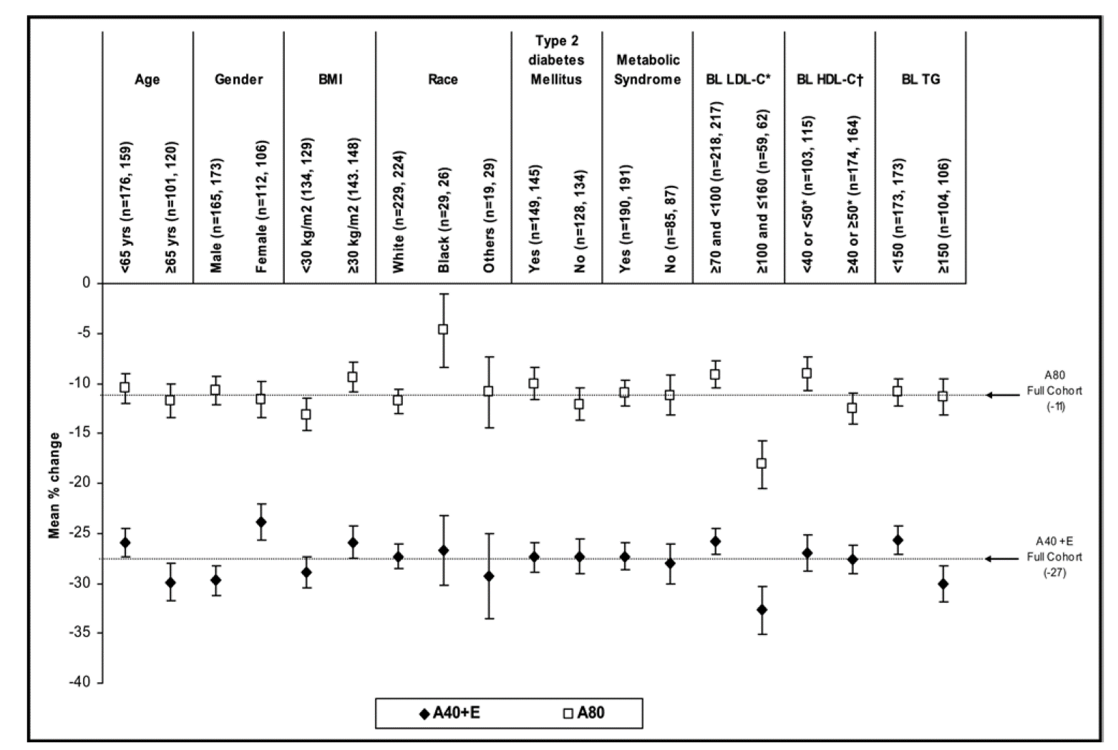
Characteristic | Atorvastatin 40 mg + Ezetimibe 10 mg (n = 288) | Atorvastatin 80 mg (n = 291)
Men | 173 (60%) | 178 (61%)
Women | 115 (40%) | 113 (39%)
Mean age (yrs) | 61 ± 10 | 62 ± 9
Race
White | 237 (82%) | 232 (80%)
Black | 32(11%) | 29 (10%)
Other | 19 (7%) | 30 (10%)
Mean body mass index (kg/m2)*
<30 | 138(48%) | 135 (46%)
>30 | 150 (52%) | 154(53%)
NCEP ATP III risk factors
CHD | 122(42%) | 137(47%)
Other forms of atherosclerosis^ | 69 (24%) | 43 (15%)
Diabetes mellitus | 155 (54%) | 153 (53%)
Multiple (>2) CHD risk factors that confer a 10-year risk of CHD >20% | 93 (32%) | 114/290 (39%)
Family history of premature CHDJ | 91 (32%) | 108/289 (37%)
Metabolic syndrome (>3 of 5 characteristics) | 198/286 (69%) | 198/290 (68%)
Waist circumference S102 (men) or >88 cm (women) | 191/285 (67%) | 188/289 (65%)
Triglycerides >150 mg/dl | 110(38%) | 109 (37%)
HDL cholesterol <40 (men) or <50 mg/dl (women) | 109 (38%) | 119(41%)
Hypertension§ | 266 (92%) | 273 (94%)
Fasting blood glucose >100 mg/dl | 212(74%) | 210(72%)
Visit 2 LDL cholesterol strata
>70 & <100 mg/dl | 224 (78%) | 225 (77%)
>100 & <130 mg/dl | 59 (20%) | 60 (21%)
>130 & <160 mg/dl | 5 (2%) | 6 (2%)
Values expressed as mean SD or number (percent). * Two patients were missing values for body mass index. † Other forms of atherosclerosis are peripheral arterial disease, abdom-inal aortic aneurysm, symptomatic carotid artery disease, transient isch-emic attack, and stroke. ‡ Family history of premature CHD deﬁned as CHD in male ﬁrst-degree relative aged 55 years or female ﬁrst-degree relative 45 years. § Blood pressure 130/85 mm Hg, on antihypertensive medication, or diagnosis of hypertension based on medical history. n number of randomly assigned patients; NCEP ATP National Cholesterol Education Program Adult Treatment Panel.

