20670726
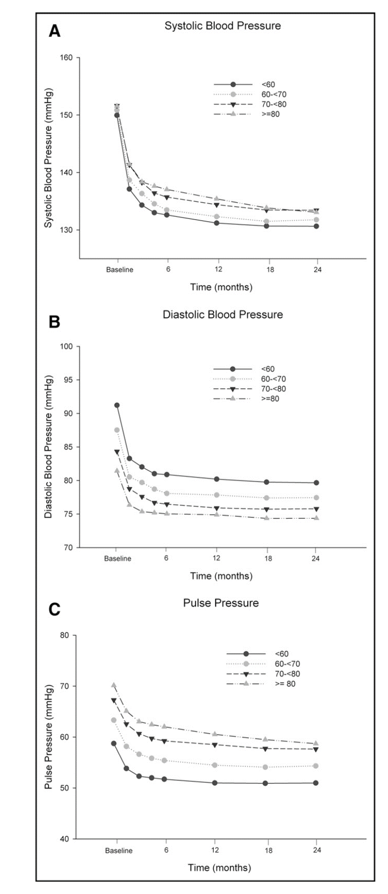
No true baseline characteristics table

