20925534
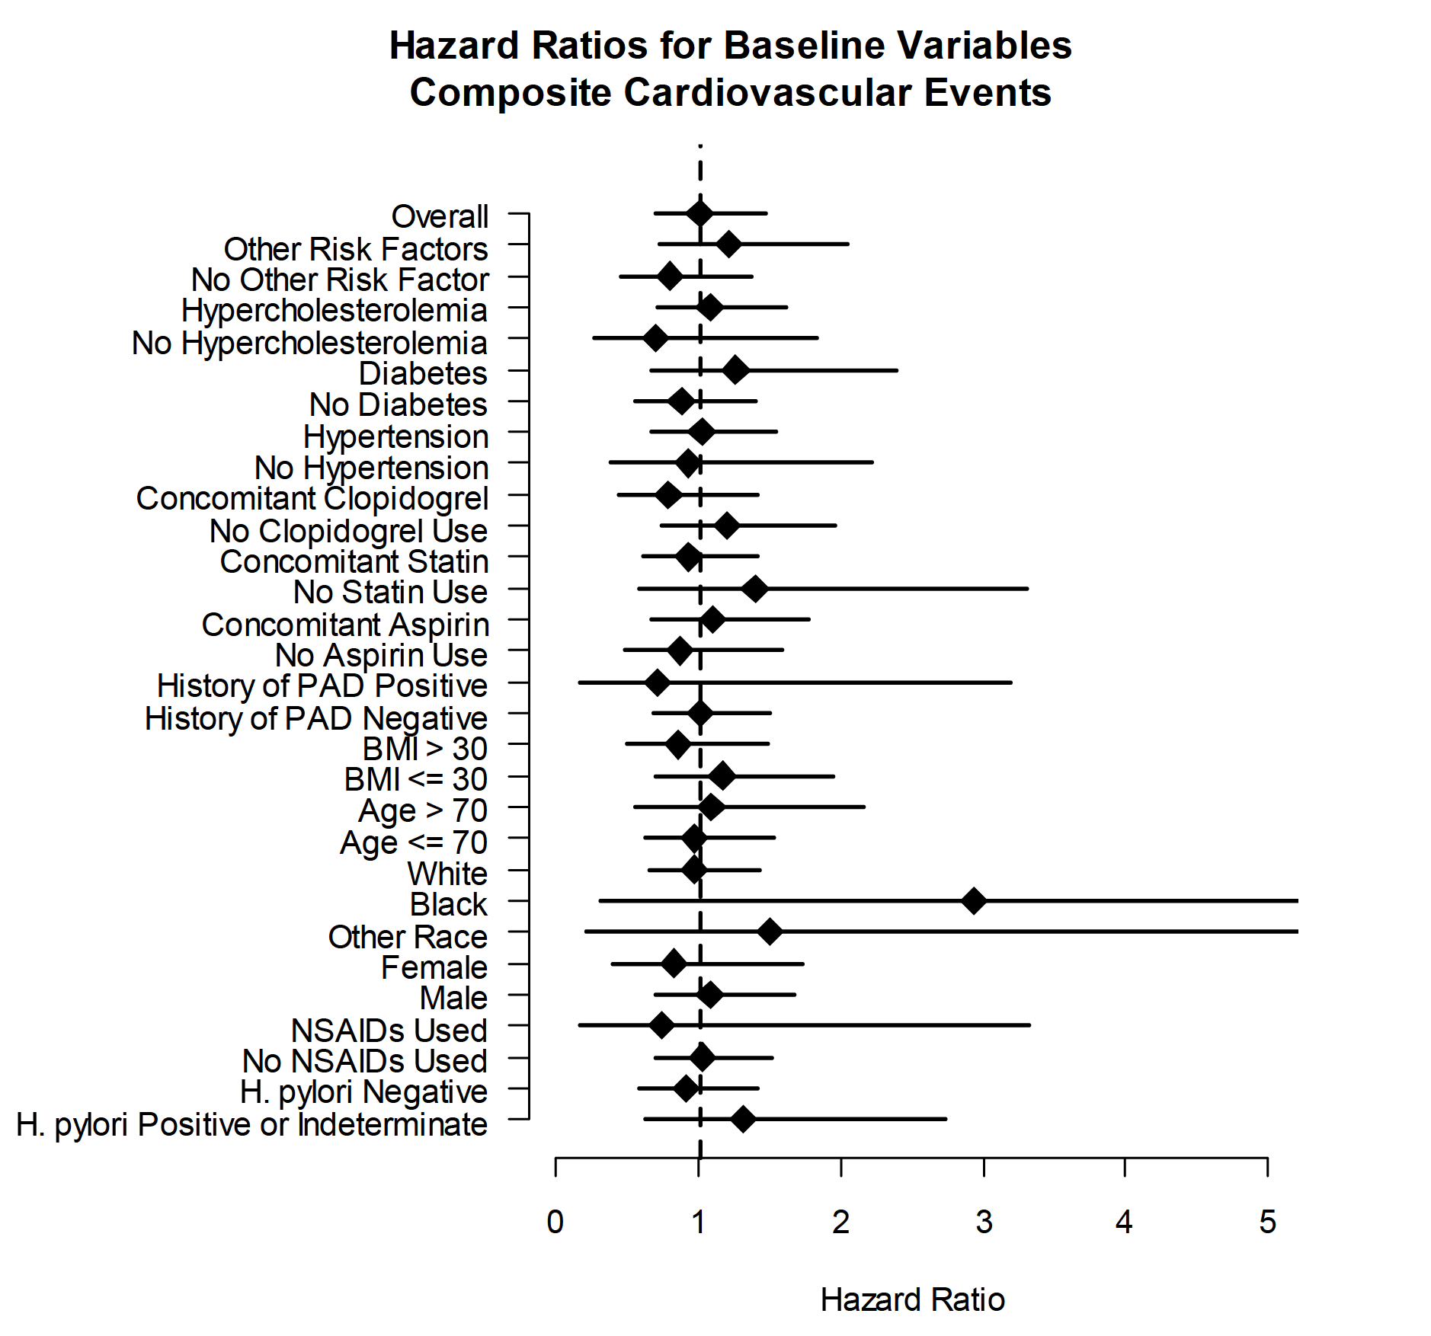
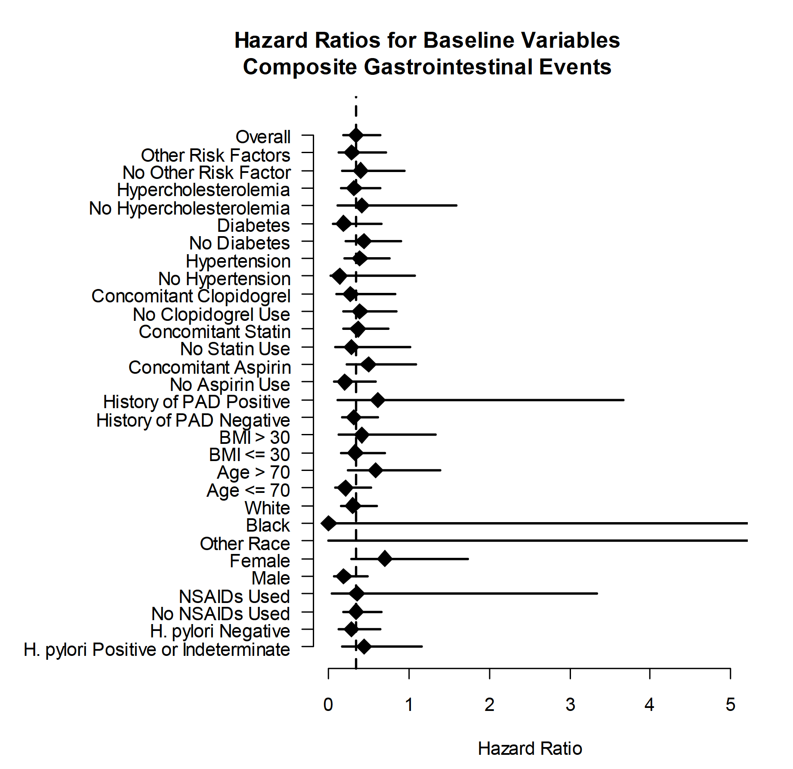
Supplementary Figure 2. Hazard ratios for the composite gastrointestinal endpoint in multiple subgroups.

