21586508
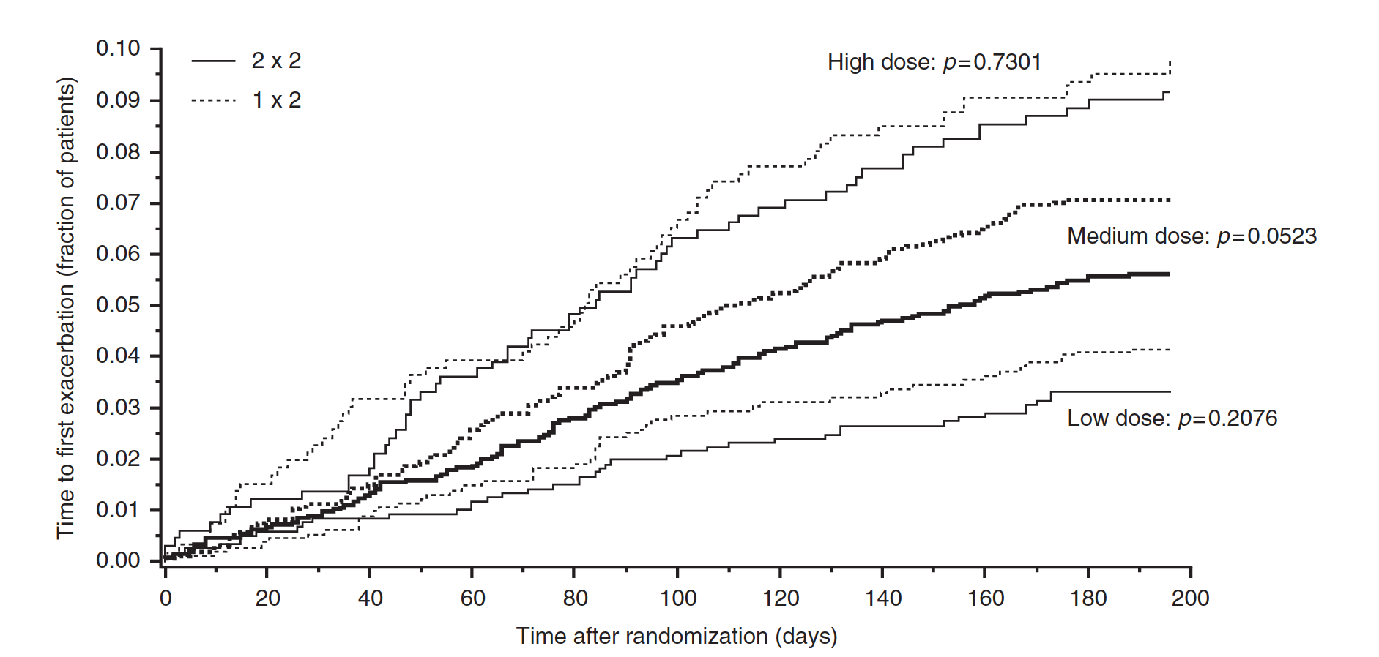
Figure 3. Time to first exacerbation in high-dose ICS (1600 mg/day), medium-dose ICS (401 -1599 mg/day) and low-dose ICS (400 mg/day) patients.
In this subgroup analysis, the shortest time to the first exacerbation was observed in the HD stratum, followed by the MD and LD strata (Figure 3).

