27335114
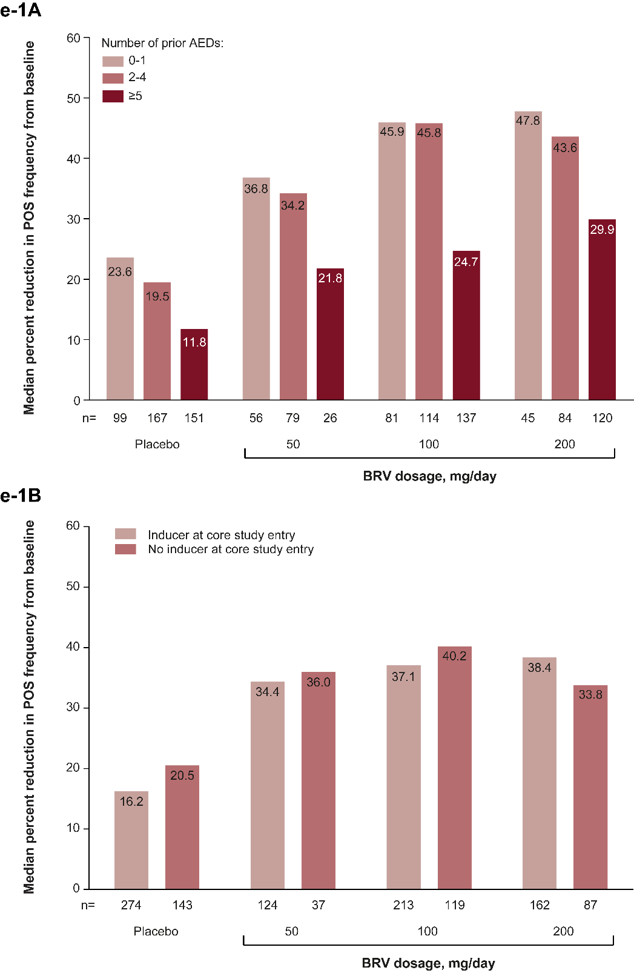
Figure e-1: Pre-specified subgroup efficacy analyses
(A) Percent reduction in POS frequency from baseline by number of prior AEDs. (B) Percent reduction in POS frequency from baseline by AED inducer status. AED = antiepileptic drug; BRV = brivaracetam; POS = partial-onset seizure.

