Monte Carlo & Sweep
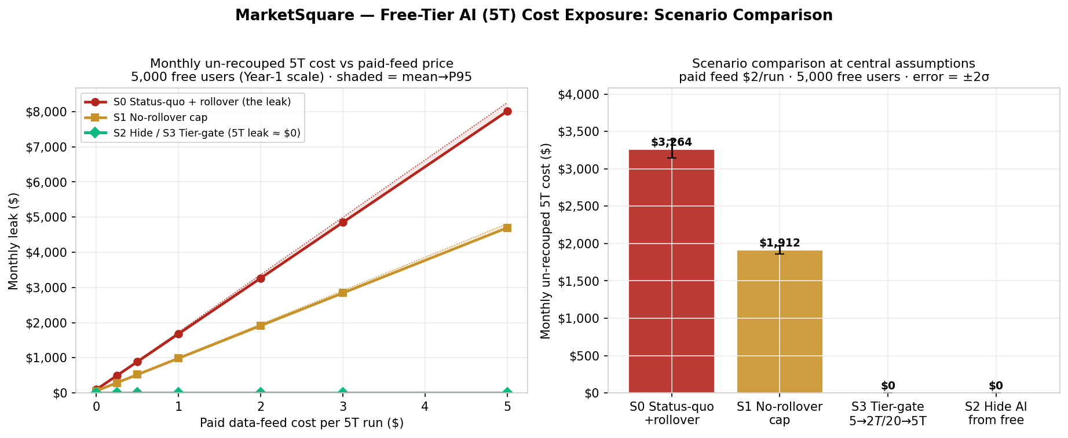
Monte Carlo results & sensitivity
20,000-trial bootstrap, seed 42 · central paid feed $2/run -> cost/5T $2.062 · figures are simulation outputs

Monthly un-recouped 5T cost — distribution
N = 250 free users (near-term)
Scenario | Mean | 1 sigma | Mean+2s (95%) | P95 | P99
S0 Status-quo + rollover | $163 | $14 | $190 | $186 | $195
S1 No-rollover cap | $96 | $6 | $108 | $106 | $110
S2 Hide AI from free | - | - | - | - | -
S3 Tier-gate $5/$20 | - | - | - | - | -

N = 5,000 free users (Year-1 scale)
Scenario | Mean | 1 sigma | Mean+2s (95%) | P95 | P99
S0 Status-quo + rollover | $3,264 | $61 | $3,386 | $3,365 | $3,407
S1 No-rollover cap | $1,912 | $28 | $1,968 | $1,959 | $1,978
S2 Hide AI from free | - | - | - | - | -
S3 Tier-gate $5/$20 | - | - | - | - | -

Paid-feed sweep — monthly leak at N = 5,000
Paid feed $/5T | S0 mean | S0 P95 | S1 mean | S1 P95 | S2/S3 | David worst-case*
- | $97 | $100 | $57 | $58 | - | $185
$0.25 | $493 | $508 | $289 | $296 | - | $935
$0.50 | $889 | $917 | $521 | $534 | - | $1,685
$1.00 | $1,681 | $1,731 | $985 | $1,009 | - | $3,185
$2.00 | $3,264 | $3,366 | $1,913 | $1,959 | - | $6,185
$3.00 | $4,849 | $4,997 | $2,841 | $2,908 | - | $9,185
$5.00 | $8,011 | $8,255 | $4,696 | $4,811 | - | $15,185
*David worst-case = 250 users x 12 accumulated runs in one month (correlated burst).

Funnel trade-off — cost of HIDING AI from free (S2)
Blended new-paid price ($) | $8.64 | Starter $5 (75.8%) + Pro $20 (24.2%)
Conversion drop | Lost subs/mo — 250 | Lost subs/mo — 5,000
-0.5 pp | $11 | $216
-1.0 pp | $22 | $432
-2.0 pp | $43 | $864

Tier-gate (S3) gets the same ~$0 leak as Hide (S2) WITHOUT this funnel cost — it keeps 0T/1T for free users.

