node_properties
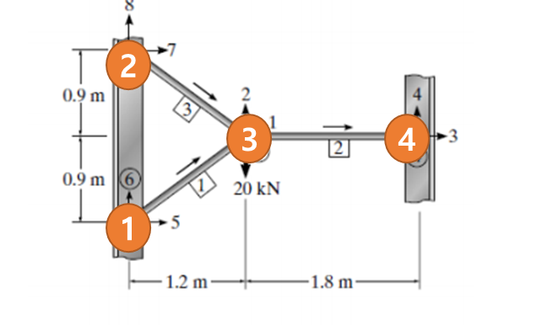
Node No. | x_coordination | y_coordination | x_constraint | y_constraint
1 | 0 | 0 | TRUE | TRUE
2 | 0 | 1800 | TRUE | TRUE
3 | 1200 | 900 | FALSE | FALSE
4 | 3000 | 900 | TRUE | TRUE

