node_properties
Node No. | x_coordination | y_coordination | x_constraint | y_constraint
1 | 4 | 4 | FALSE | FALSE
2 | 0 | 0 | TRUE | TRUE
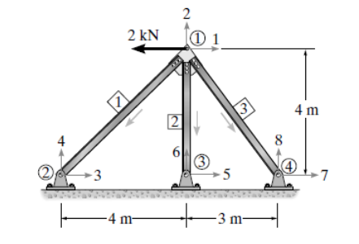
3 | 4 | 0 | TRUE | TRUE
4 | 7 | 0 | TRUE | TRUE

element_properties
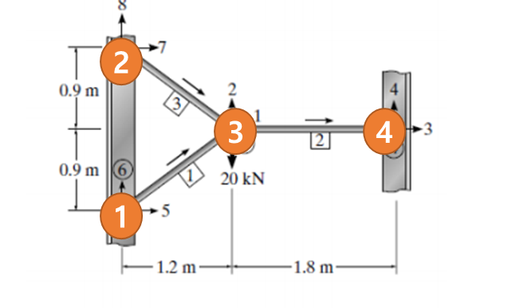
Element No. | node1 | node2 | Elastic_modulus | cross-section-area
1 | 2 | 1 | 200000 | 0.001
2 | 1 | 3 | 200000 | 0.001
3 | 4 | 1 | 200000 | 0.001

