Database
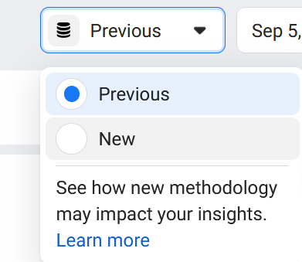
Database Name |  | Example Data
New | << Used to define the database before downloading | Previous
 |  | New

SpecificDate
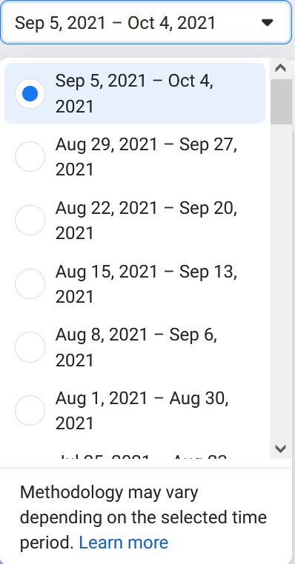
Specific Date
 | << Used to define the one date to download. | Example: Sep 5, 2021 - Oct 4, 2021

