Diode
Nodes | Layers | epochs | batch size | loss | accuracy | Average Error | Max Error
10 | 1 | 10 | 128 | 2.97E-04 | 0.1013 | 0.0039 | 2.9331

Nodes | Layers | epochs | batch size | loss | accuracy | Average Error | Max Error
10 | 1 | 20 | 128 | 2.43E-04 | 0.1013 | 0.0153 | 2.2237

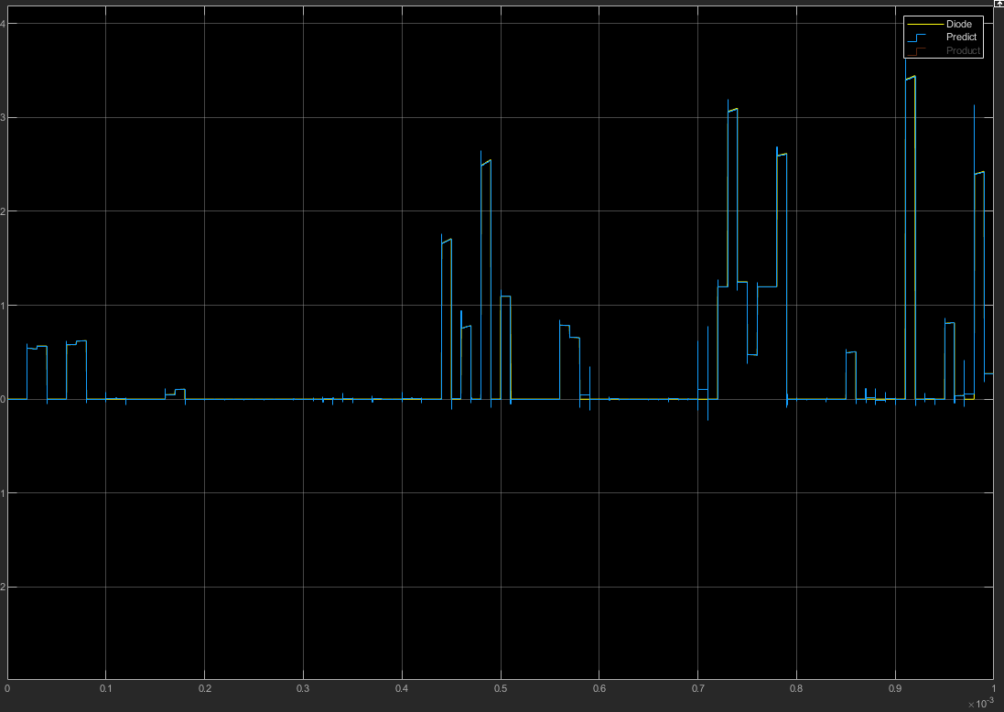
Nodes | Layers | epochs | batch size | loss | accuracy | Average Error | Max Error
10 | 1 | 30 | 128 | 9.54E-05 | 0.1013 | 0.0049 | 0.776

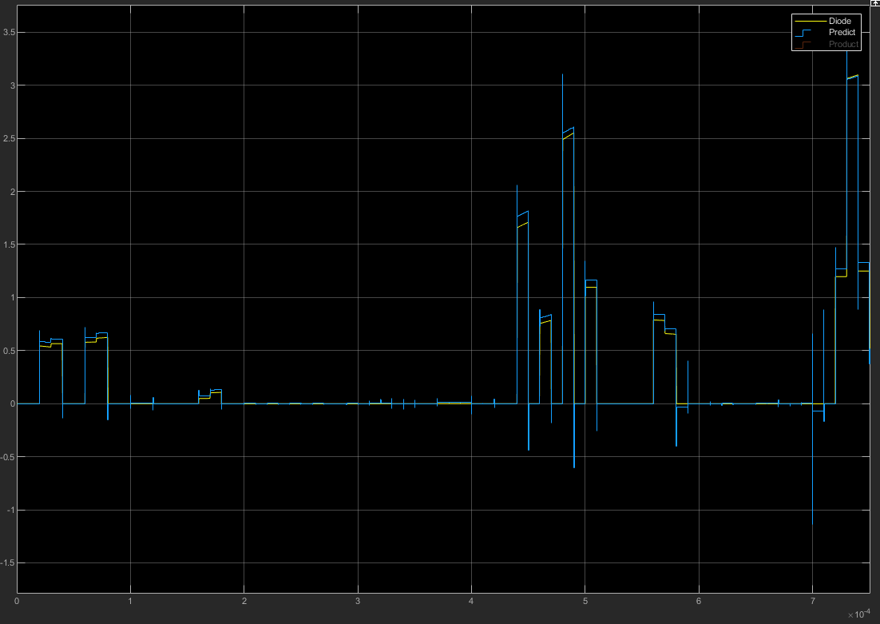
Nodes | Layers | epochs | batch size | loss | accuracy | Average Error | Max Error
20 | 1 | 10 | 128 | 5.72E-04 | 0.1013 | 0.0168 | 1.9293

Nodes | Layers | epochs | batch size | loss | accuracy | Average Error | Max Error
20 | 1 | 30 | 128 | 1.07E-04 | 0.1013 | 0.0016 | 0.9582

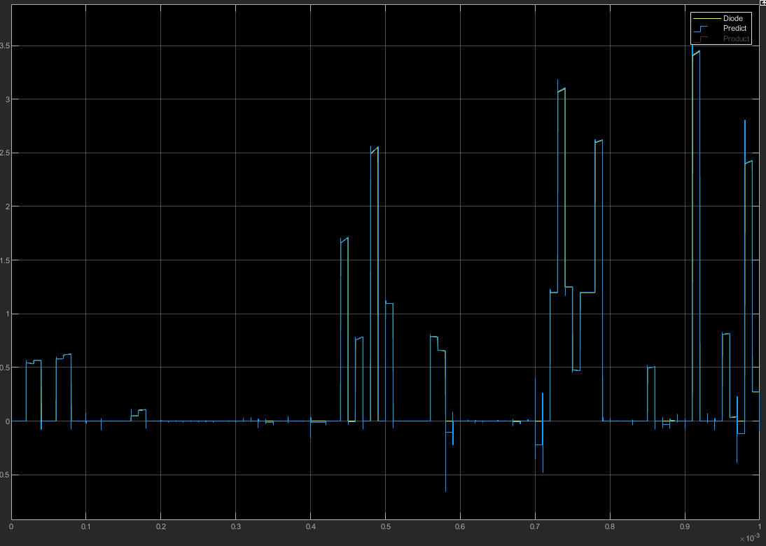
Nodes | Layers | epochs | batch size | loss | accuracy | Average Error | Max Error
50 | 1 | 10 | 128 | 5.04E-04 | 0.1013 | 0.0069 | 1.5309

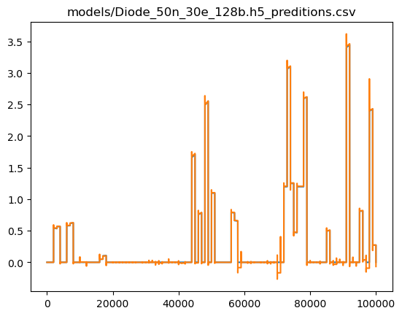
Nodes | Layers | epochs | batch size | loss | accuracy | Average Error | Max Error
50 | 1 | 30 | 128 | 9.09E-05 | 0.1013 | 0.00644859 | 0.67094564

Diode
Diode
Nodes | Epochs | Average Error | Max Error
10 | 10 | 0.0039 | 2.9331
10 | 20 | 0.0153 | 2.2237
10 | 30 | 0.0049 | 0.776

Diode
Diode
Nodes | Epochs | Average Error | Max Error
10 | 30 | 0.0049 | 0.776
20 | 30 | 0.0016 | 0.9582
50 | 30 | 0.00644859 | 0.67094564

FullRect
Nodes | Layers | epochs | batch size | loss | accuracy | Average Error | Max Error
10 | 1 | 10 | 128 | 1.97E-04 | 0.0913 | 0.08243473 | 3.2372339

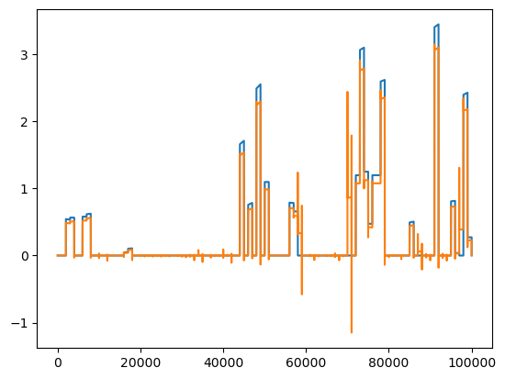
Nodes | Layers | epochs | batch size | loss | accuracy | Average Error | Max Error
10 | 1 | 20 | 128 | 2.44E-04 | 0.0913 | 0.0469557 | 2.4406798

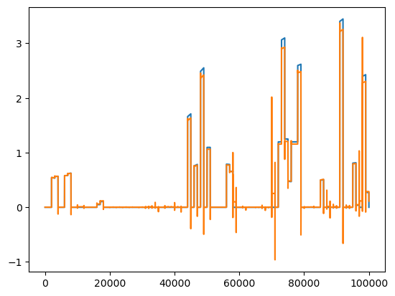
Nodes | Layers | epochs | batch size | loss | accuracy | Average Error | Max Error
10 | 1 | 30 | 128 | 1.56E-04 | 0.913 | 0.01869033 | 2.4687731

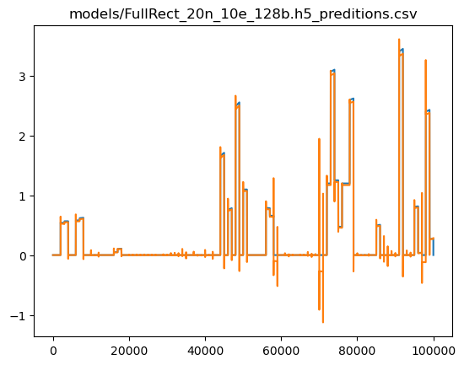
Nodes | Layers | epochs | batch size | loss | accuracy | Average Error | Max Error
20 | 1 | 10 | 128 | 2.64E-04 | 0.913 | 0.01330076 | 2.5525098

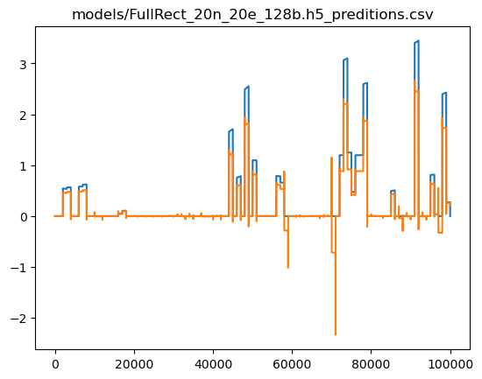
Nodes | Layers | epochs | batch size | loss | accuracy | Average Error | Max Error
20 | 1 | 20 | 128 | 1.55E-04 | 0.913 | 8.71E-02 | 2.582

Nodes | Layers | epochs | batch size | loss | accuracy | Average Error | Max Error
20 | 1 | 30 | 128 | 7.78E-05 | 0.913 | 2.74E-02 | 2.5341237

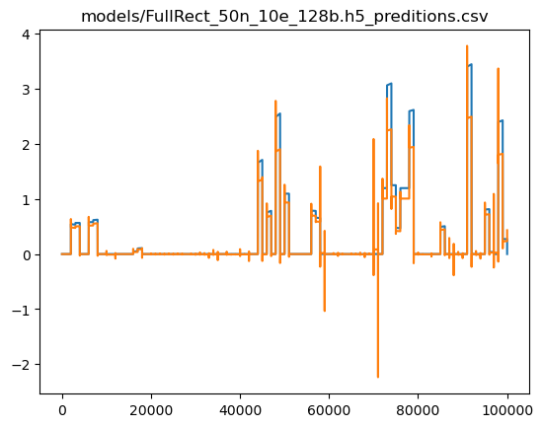
Nodes | Layers | epochs | batch size | loss | accuracy | Average Error | Max Error
50 | 1 | 10 | 128 | 4.83E-04 | 0.913 | 6.13E-02 | 2.5349865

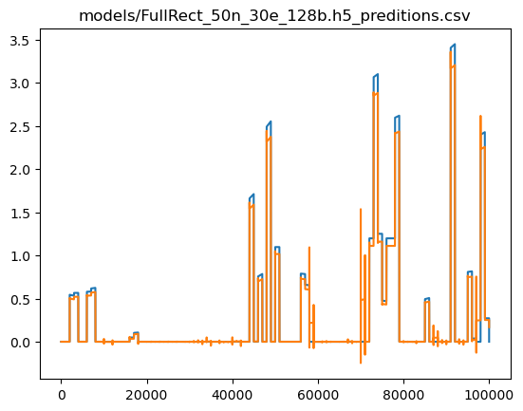
Nodes | Layers | epochs | batch size | loss | accuracy | Average Error | Max Error
50 | 1 | 30 | 128 | 7.56E-05 | 0.913 | 3.21E-02 | 1.9631804

Full Rectifier
Full Rectfier

Nodes | Epochs | Average Error | Max Error
10 | 10 | 0.08243473 | 3.2372339
10 | 20 | 0.0469557 | 2.4406798
10 | 30 | 0.01869033 | 2.4687731

Full Rectifier
Full Rectifier

Nodes | Epochs | Average Error | Max Error
10 | 30 | 0.01869033 | 2.4687731
20 | 30 | 2.74E-02 | 2.5341237
50 | 30 | 3.21E-02 | 1.9631804

PushPull
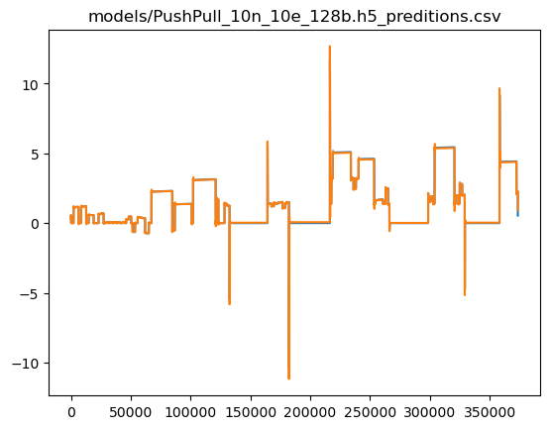
Nodes | Layers | epochs | batch size | loss | accuracy | Average Error | Max Error
10 | 1 | 10 | 128 | 1.38E-04 | 0.0066 | 0.02364577 | 2.848606

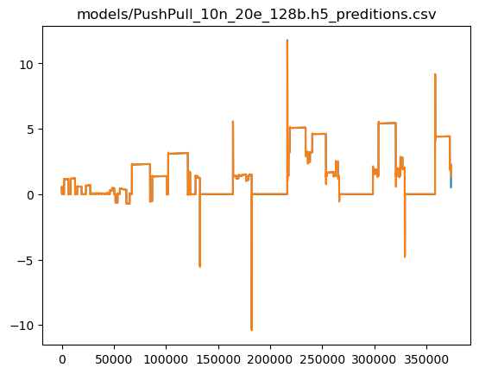
Nodes | Layers | epochs | batch size | loss | accuracy | Average Error | Max Error
10 | 1 | 20 | 128 | 2.07E-04 | 0.0066 | 0.00994332 | 4.7611713

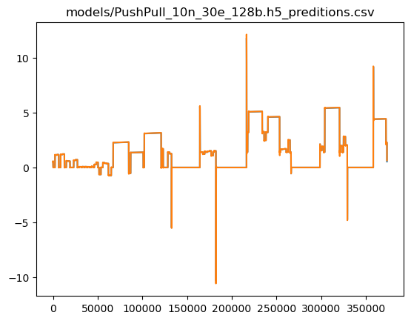
Nodes | Layers | epochs | batch size | loss | accuracy | Average Error | Max Error
10 | 1 | 30 | 128 | 6.00E-05 | 0.0066 | 0.00440199 | 0.91973114

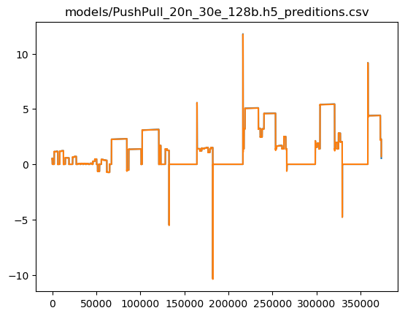
Nodes | Layers | epochs | batch size | loss | accuracy | Average Error | Max Error
20 | 1 | 30 | 128 | 9.49E-05 | 0.0066 | 0.00601376 | 0.70116425

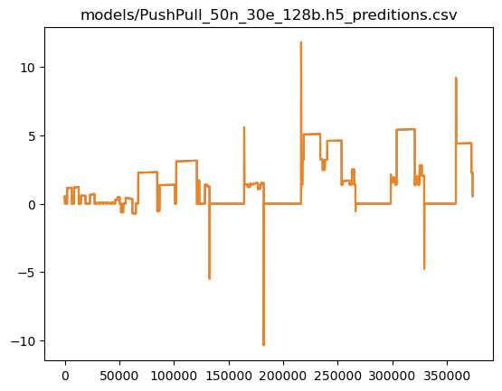
Nodes | Layers | epochs | batch size | loss | accuracy | Average Error | Max Error
50 | 1 | 30 | 128 | 6.25E-05 | 0.0066 | 0.00188507 | 0.60331917

Push Pull Amp
Push Pull Amp

Nodes | Epochs | Average Error | Max Error
10 | 10 | 0.02364577 | 2.848606
10 | 20 | 0.00994332 | 4.7611713
10 | 30 | 0.00440199 | 0.91973114

Push Pull Amp
Push Pull Amp

Nodes | Epochs | Average Error | Max Error
10 | 30 | 0.00440199 | 0.91973114
20 | 30 | 0.00601376 | 0.70116425
50 | 30 | 0.00188507 | 0.60331917

RCLow
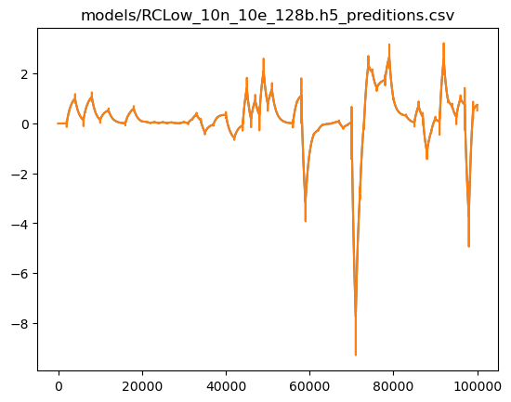
Nodes | Layers | epochs | batch size | loss | accuracy | Average Error | Max Error
10 | 1 | 10 | 128 | 3.59E-04 | 0.0214 | 0.00255353 | 1.5523415

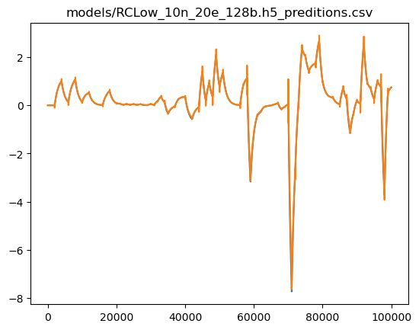
Nodes | Layers | epochs | batch size | loss | accuracy | Average Error | Max Error
10 | 1 | 10 | 128 | 3.58E-04 | 0.0214 | 0.02035405 | 1.1203661


Nodes | Layers | epochs | batch size | loss | accuracy | Average Error | Max Error
10 | 1 | 10 | 128 | 1.21E-04 | 0.0214 | 0.00366034 | 1.0437512


Nodes | Layers | epochs | batch size | loss | accuracy | Average Error | Max Error
20 | 1 | 30 | 128 | 1.59E-04 | 0.0214 | 0.00649088 | 0.71669346


Nodes | Layers | epochs | batch size | loss | accuracy | Average Error | Max Error
50 | 1 | 30 | 128 | 1.11E-04 | 0.214 | 0.00168135 | 0.6396127

RC Lowpass
RC Lowpass

Nodes | Epochs | Average Error | Max Error
10 | 10 | 0.00255353 | 1.5523415
10 | 20 | 0.02035405 | 1.1203661
10 | 30 | 0.00366034 | 1.0437512

RC Lowpass
RC Lowpass

Nodes | Epochs | Average Error | Max Error
10 | 30 | 0.00366034 | 1.0437512
20 | 30 | 0.00649088 | 0.71669346
50 | 30 | 0.00168135 | 0.6396127

RLCLow

Nodes | Layers | epochs | batch size | loss | accuracy | Average Error | Max Error
10 | 1 | 10 | 128 | 3.38E-04 | 0.02 | 0.0184486 | 1.4426169


Nodes | Layers | epochs | batch size | loss | accuracy | Average Error | Max Error
10 | 1 | 20 | 128 | 2.32E-04 | 0.02 | 0.00183162 | 0.87781525

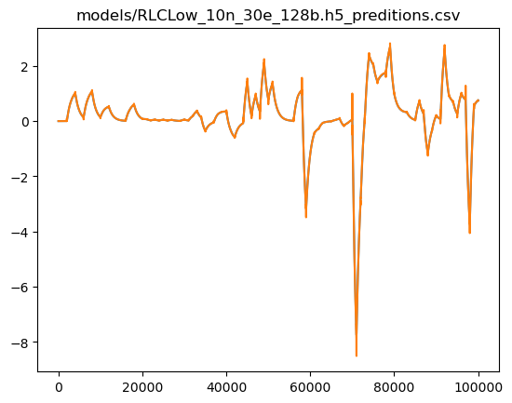
Nodes | Layers | epochs | batch size | loss | accuracy | Average Error | Max Error
10 | 1 | 30 | 128 | 2.15E-04 | 0.02 | 0.00802975 | 0.9597216


Nodes | Layers | epochs | batch size | loss | accuracy | Average Error | Max Error
20 | 1 | 30 | 128 | 1.67E-04 | 0.02 | 0.00312288 | 0.36254653


Nodes | Layers | epochs | batch size | loss | accuracy | Average Error | Max Error
50 | 1 | 30 | 128 | 1.45E-04 | 0.02 | 0.00134153 | 0.4372462

RLC Lowpass
RLC Lowpass
Nodes | Epochs | Average Error | Max Error
10 | 10 | 0.0184486 | 1.4426169
10 | 20 | 0.00183162 | 0.87781525
10 | 30 | 0.00802975 | 0.9597216

RLC Lowpass
RLC Lowpass

Nodes | Epochs | Average Error | Max Error
10 | 30 | 0.00802975 | 0.9597216
20 | 30 | 0.00312288 | 0.36254653
50 | 30 | 0.00134153 | 0.4372462

Div
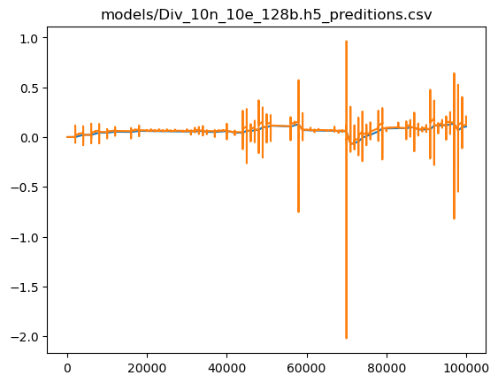
Nodes | Layers | epochs | batch size | loss | accuracy | Average Error | Max Error
10 | 1 | 10 | 128 | 1.78E-04 | 0.0214 | 0.01233797 | 2.0782769

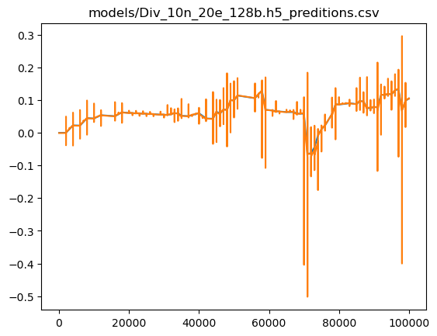
Nodes | Layers | epochs | batch size | loss | accuracy | Average Error | Max Error
10 | 1 | 20 | 128 | 6.46E-05 | 0.0214 | 0.00156206 | 0.46912044

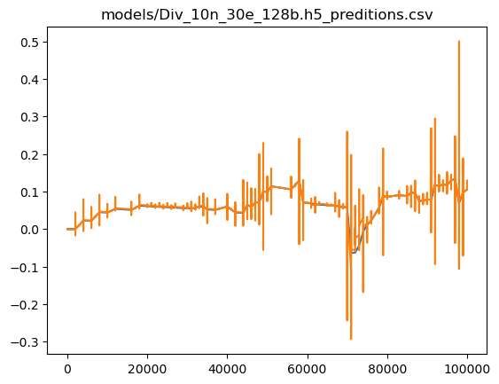
Nodes | Layers | epochs | batch size | loss | accuracy | Average Error | Max Error
10 | 1 | 30 | 128 | 3.04E-05 | 0.0214 | 0.00222597 | 0.43136442

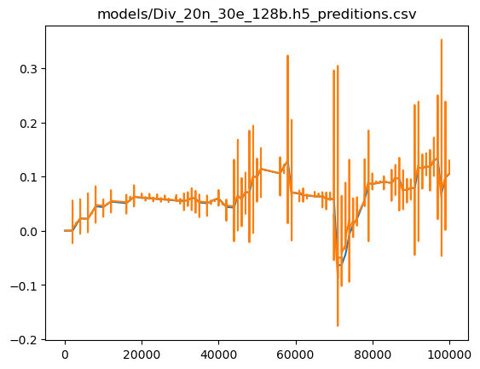
Nodes | Layers | epochs | batch size | loss | accuracy | Average Error | Max Error
20 | 1 | 30 | 128 | 3.56E-05 | 0.0214 | 0.00232598 | 0.36837327

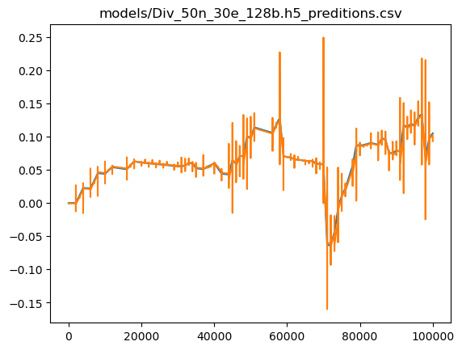
Nodes | Layers | epochs | batch size | loss | accuracy | Average Error | Max Error
50 | 1 | 30 | 128 | 2.89E-05 | 0.0214 | 0.00201495 | 0.19072422

Divider
Divider
Nodes | Epochs | Average Error | Max Error
10 | 10 | 0.01233797 | 2.0782769
10 | 20 | 0.00156206 | 0.46912044
10 | 30 | 0.00222597 | 0.43136442

Divider
Divider

Nodes | Epochs | Average Error | Max Error
10 | 30 | 0.00222597 | 0.43136442
20 | 30 | 0.00232598 | 0.36837327
50 | 30 | 0.00201495 | 0.19072422

Comparison
Circuit | Average Error | Max Error
Diode | 0.0016 | 0.9582
FullRect | 2.74E-02 | 2.5341237
PushPull | 0.00601376 | 0.70116425
RCLow | 0.00649088 | 0.71669346
RLCLow | 0.00312288 | 0.36254653
Div | 0.00232598 | 0.36837327

