Introduction
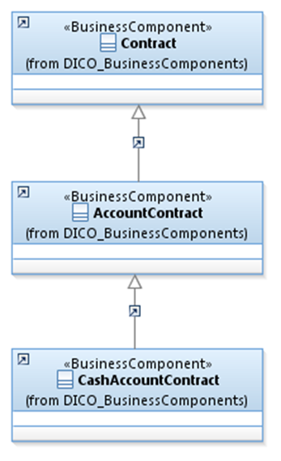
 | Introduction

This document describes the Business Model Components and Elements used by the Cash Management message definitions.

In the “Business Model” tab, the cells with text in green indicate the business concepts used by the Cash Management message set

The “Traces” tab shows to which business concepts the Cash Management message components and message elements trace.

RolePlayers
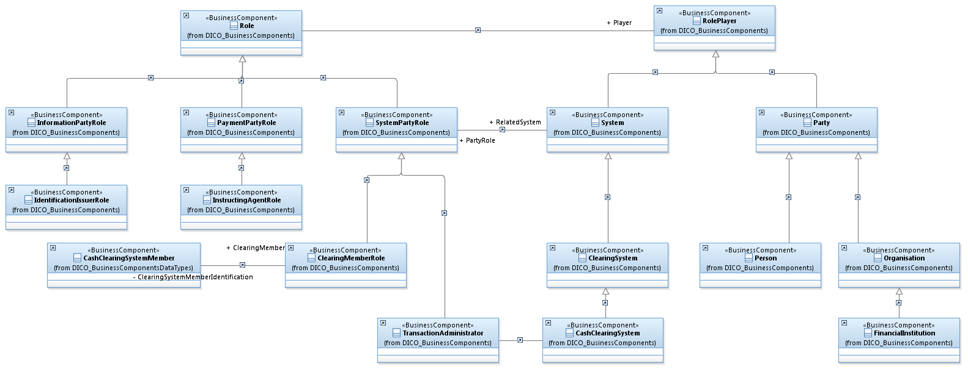

PaymentsRelatedBCs
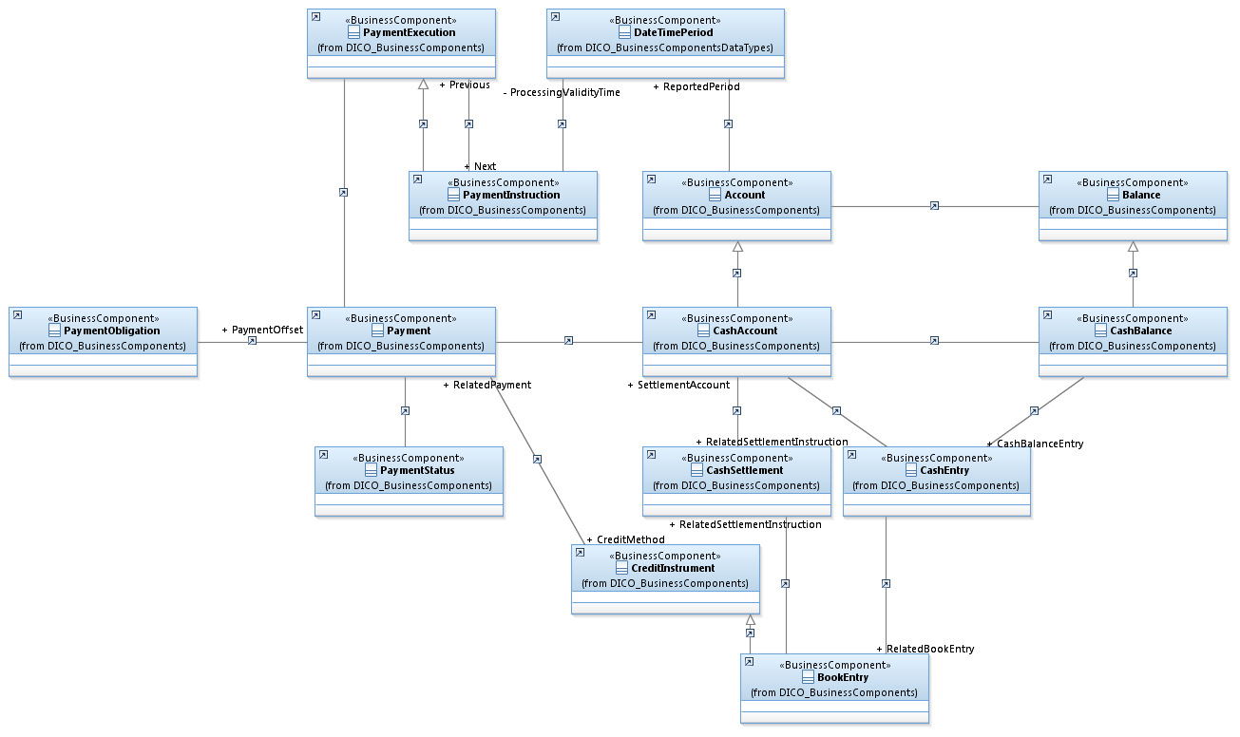

TransactionsSystemAccount
