Introduction
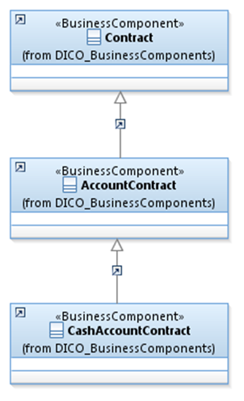
 | Introduction

This document describes the Business Model Components and Elements used by the Request To Pay (RTP) Service message definitions.

In the “Business Model” tab, the cells with text in green indicate the business concepts used by the Request To Pay (RTP) Service message set

The “Traces” tab shows to which business concepts the Request To Pay (RTP) Service message components and message elements trace.

RTPService
