Introduction
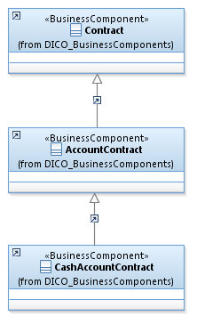
 |  |  | Introduction

This document describes the Business Model Components and Elements used by the Stand-Alone Remittance Advice message set

In the “Business Model” tab, the cells with text in green indicate the business concepts used by the Stand-Alone Remittance Advice message set

The “Traces” tab shows to which business concepts the Stand-Alone Remittance Advice message components and message elements trace.

Notes:
 | Specialisation | Some components inherit from a parent. In this illustration, the AccountContract is a specialisation (a child) of Contract and inherits from all its elements.
 |  | CashAccountContract inherits AccountContract and indirectly from Contract.

RemittanceAdvice
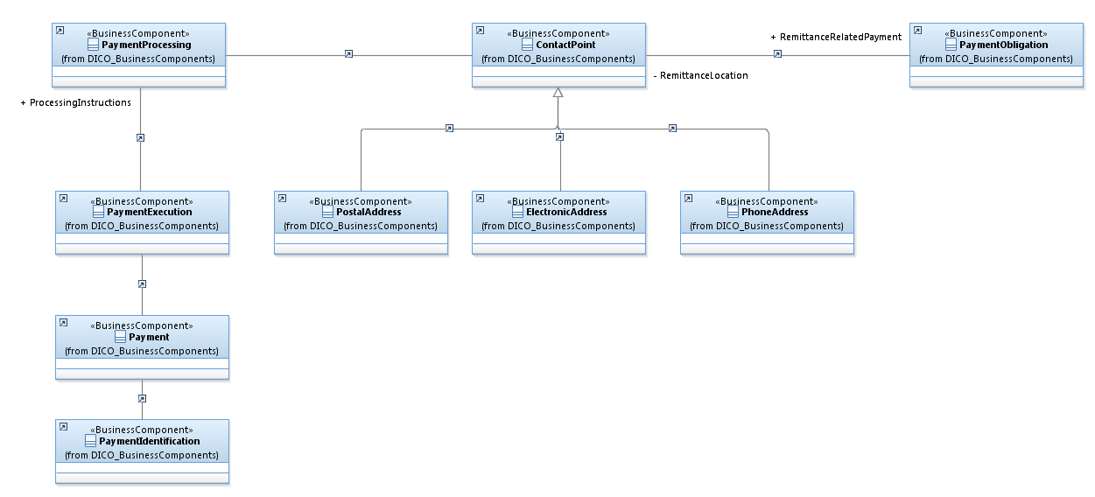
RemittanceAdvice
Message Representation
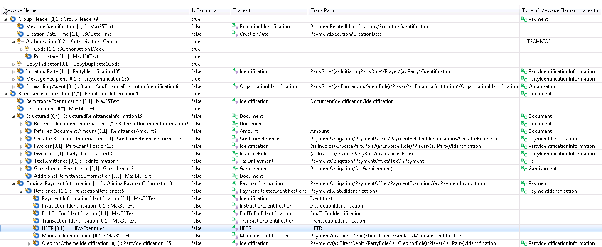

Business representation

RemittanceLocation
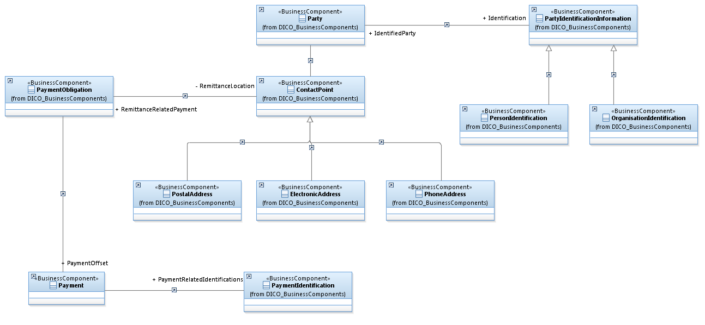
 | RemittanceLocation5
Message representation
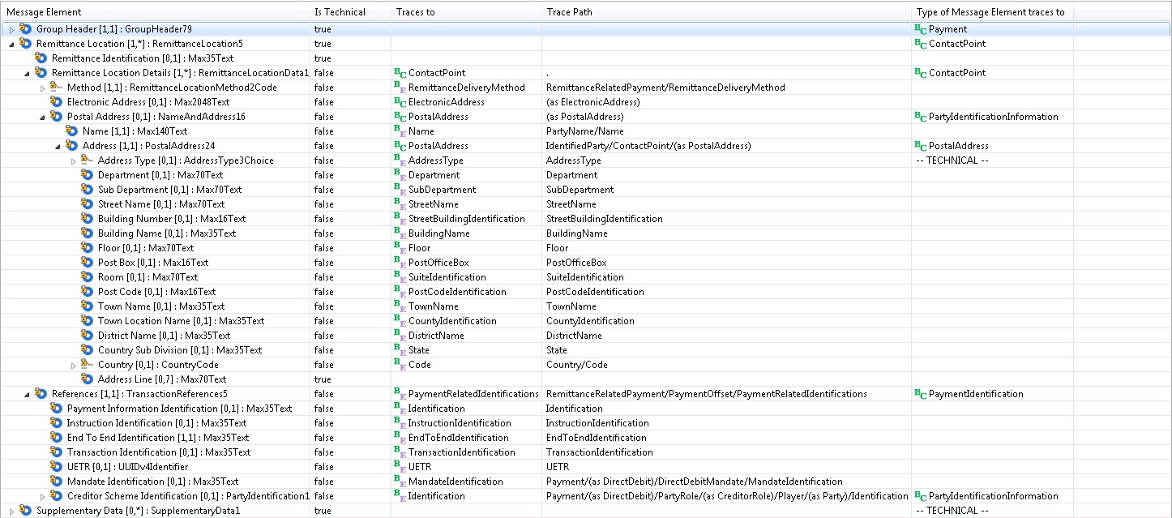

Business representation

