Sheet1
Study reveals prejudices against both men and women in leadership roles in professional life

Equality of attitudes to women in leadership in the G7 nations, scored out of 100

There are no leadership roles
equally suited for
both men and women
All leadership roles are
equally suited for
both men and women

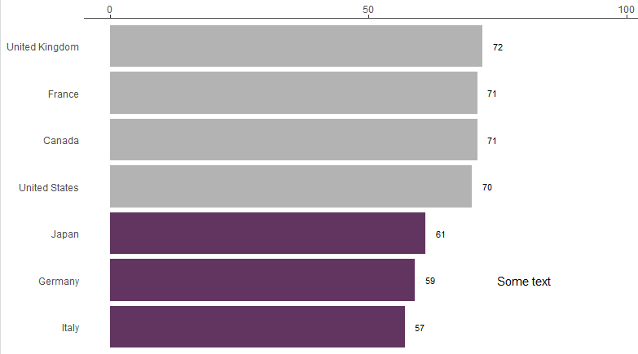

United Kingdom
72

Less than 30% of people don't think men and women are equally suited in leadership roles
France
71

Canada
71

United States
70

61
Japan
Up to 39% of people don't think men and women are equally suited in leadership roles
Germany
59

Italy
57

Data source: The Reykjavik Index for Leadership

