AMAZON
Amazon
 |  | Interne Rechnungsnummer fehlt
 |  | 110841

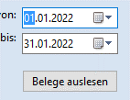
vInvoiceCorrectionNone | 01,01,2022

.2
поменять скрипт vDatumReBestNr и добавить новую колонку "Marketplace"
Marketplace = nPlattform

SELECT Invoice,InvoiceNumber As Belegnummer
,FORMAT( Invoice,CreationDate, 'd', 'de-de' ) 'Datum'
,Invoice,ExternalSalesOrderNumbers As Bestellnummer
 | ,cast('Order' as char) as 'Belegname'
 | ,Invoice,InvoiceNumber As ReNr
 | ,Plattform,cName
FROM [eazybusiness],[Report],[Invoice] as Invoice
 | LEFT JOIN [eazybusiness],[dbo],[tBestellung] as bestellung
 | ON Invoice,InternalId = bestellung,tRechnung_kRechnung
 | LEFT JOIN [eazybusiness],dbo,tPlattform AS Plattform
ON Bestellung,nPlatform = Plattform,nPlattform

--where InvoiceNumber = '151533-2022-01'
UNION
SELECT correction,InvoiceCorrectionNumber As Belegnummer
 |  | ,FORMAT( correction,CreationDate, 'd', 'de-de' ) 'Datum'
,correction,ExternalSalesOrderNumbers As Bestellnummer
 |  | ,cast('Refund' as char) as 'Belegname'
 |  | ,invoice,InvoiceNumber | As ReNr
 |  | ,Plattform,cName
FROM [eazybusiness],[Report],[InvoiceCorrection] | as correction
LEFT JOIN [eazybusiness],[Report],[Invoice] as invoice
on correction,InvoiceInternalId = invoice,InternalId
 | LEFT JOIN [eazybusiness],[dbo],[tBestellung] as bestellung
 | ON Invoice,InternalId = bestellung,tRechnung_kRechnung
 |  | LEFT JOIN [eazybusiness],dbo,tPlattform AS Plattform
ON Bestellung,nPlatform = Plattform,nPlattform

 |  |  | если Marketplace не равняется Amazon, то поле Type = зеленое

 | при нажатии клавишей стрелкой в низ скрипт не срабатывает
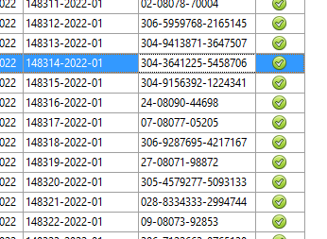

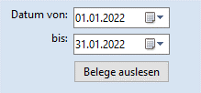
 |  |  |  | при открытии програмы дата от и до, должны автоматически показывать значение последнего месяца

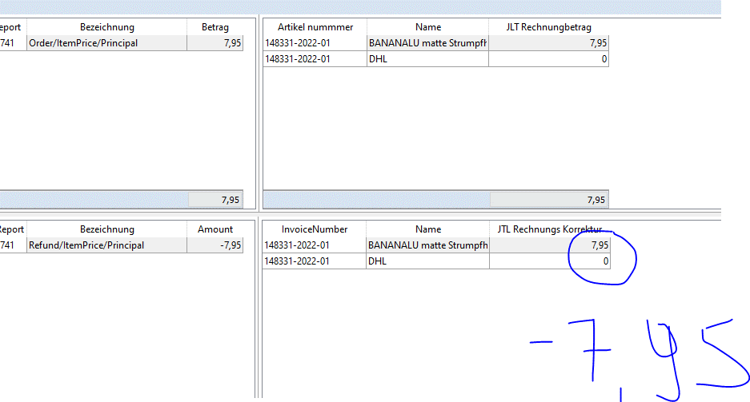

 |  | значение с миносом

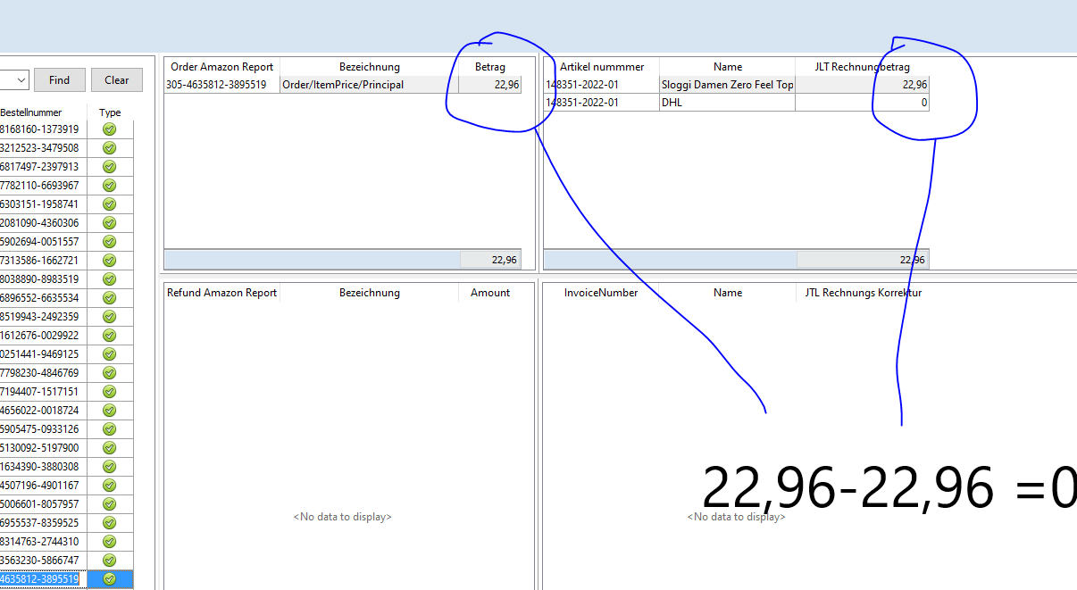

 | если эти два значения одинаковые то Тype равняется зеленый, в протином случае красная

.3
Order Amazon Report

 |  | SELECT
 |  | -- SettlementID
 |  | -- ,TransactionType
 |  | AmaSettlement,OrderID
 |  | -- ,AmountType
 |  | -- ,AmountDescription
 |  | --,OrderItemCode
 |  |  | ,AmaSettlement,TransactionType+'/'+AmaSettlement,AmountType+'/'+AmaSettlement,AmountDescription as Bezeichnung
 |  |  | ,AmaSettlement,SKU
 |  |  | ,AmaSettlement,Amount
 |  |  | ,DatevBestellpos,InvoiceNumber as ReNr

 |  | FROM [eazybusiness],[dbo],[pf_amazon_settlementpos] as AmaSettlement
 |  | left JOIN (SELECT
 |  |  |  | [cInetBestellNr]
 |  |  |  | ,[InvoiceNumber]
 |  |  |  | ,[cOrderId]
 |  |  |  | FROM [DatevTools2],[dbo],[vBestellpos]
 |  |  |  | group by
 |  |  |  | [cInetBestellNr]
 |  |  |  | ,[InvoiceNumber]
 |  |  |  | ,[cOrderId]
 |  |  |  | having cOrderId is not null) as DatevBestellpos

 |  |  | ON AmaSettlement,OrderID = DatevBestellpos,cOrderId
 |  | where TransactionType = 'Order'
 |  |  | and AmountType in ('ItemPrice', 'Promotion')
 |  |  | and AmountDescription in ('Principal', 'Tax', 'Shipping', 'ShippingTax', 'TaxDiscount', 'GiftWrap')
 |  |  | and DatevBestellpos,InvoiceNumber = '148400-2022-01'

 |  |  | order by Amount desc

 | Bestellnummer |  | 406-7367646-6994736

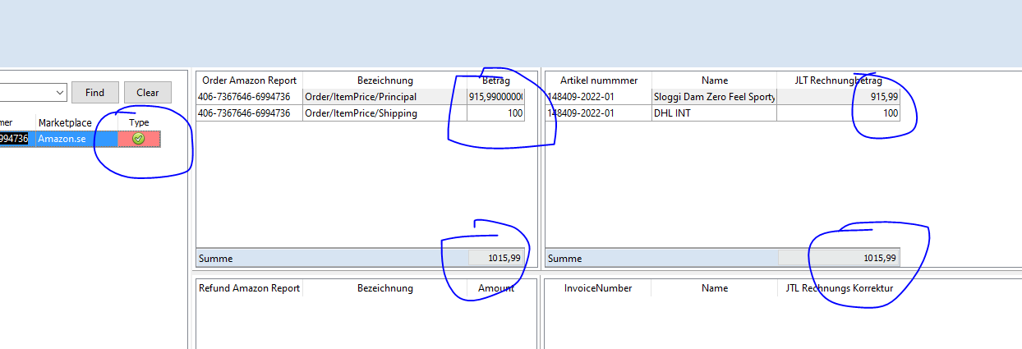

 |  | Проблема с округлением

.4
vSplitInvoice

SELECT
 | invoice,InternalId
 | ,invoice,InvoiceNumber as Rechnungsnummer
 | ,FORMAT( invoice,CreationDate, 'd', 'de-de' ) 'Datum'
 | ,invoice,TotalGrossPrice as BruttoBetrag
 | ,invoice,ExternalSalesOrderNumbers as Bestellnummer
FROM [eazybusiness],[Report],[Invoice] as invoice
where ExternalSalesOrderNumbers like '303-1528661-7557116%'

смотри таблицу VERKAUF

эта таблица соеденяесы по полю Bestellnummer с таблицей vDatumReBestNr

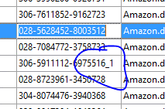

 |  | я предлогаю подрезать все значения после _ в таблице vDatumReBestNr

 |  | а также в таблице vSplitInvoice

.5
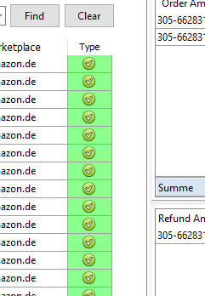

в колонке Type, неправильные данные, по скрипту должны быть значения "Order" , "Refund"

.6.1
добавить запрос в базу DatevTools100
vTax

SELECT eazybusiness,dbo,tSteuerzoneLand,cISO, eazybusiness,dbo,tSteuerschluessel,cName, eazybusiness,dbo,tSteuerschluessel,cSteuerkonto, eazybusiness,dbo,tSteuerschluessel,nSchluesselnummer,
eazybusiness,dbo,tland,nEU, eazybusiness,dbo,tSteuersatz,fSteuersatz, eazybusiness,dbo,tSteuersatz,kSteuerklasse
FROM eazybusiness,dbo,tSteuerzoneLand INNER JOIN
eazybusiness,dbo,tSteuersatz ON eazybusiness,dbo,tSteuerzoneLand,kSteuerzone = eazybusiness,dbo,tSteuersatz,kSteuerzone INNER JOIN
eazybusiness,dbo,tSteuerschluessel ON eazybusiness,dbo,tSteuersatz,kStSchl = eazybusiness,dbo,tSteuerschluessel,kSteuerschluessel INNER JOIN
eazybusiness,dbo,tland ON eazybusiness,dbo,tSteuerzoneLand,cISO = eazybusiness,dbo,tland,cISO

 |  |  | Belege als CSV exportieren |  | данные ехспортировать как csv | картинки есть в гугле
 |  |  | Belege in Excel exportieren |  | данные в excel ехпортировать | картинки есть в гугле

 |  |  | Export Pfad | путь где должны сохранятся файлы

 |  |  | vBelegeExport присоединяется к запросу vDatumReBestNr
 |  |  | по полям
 |  |  | vDatumReBestNr,Belegnummer = vBelegeExport,ReAus-ReKor

 |  |  | данные экспортируются в зависимости от даты от и до

vBelegeExport

SELECT InvoiceCsv,InternalId
,InvoiceCsv,InvoiceNumber as 'ReAus-ReKor'
 | ,InvoiceCsv,ExternalSalesOrderNumbers as 'Externe Bestellnummer'

,InvoiceCsv,TotalGrossPrice as Brutto
,InvoiceCsv,TotalNetPrice as Netto
 | ,InvoiceCsv,TotalGrossPrice - InvoiceCsv,TotalNetPrice as 'Betrag USt'
 | ,bestellpos,fMwSt
 | ,bestellpos,CountryISO
,bestellpos,Country
 | ,tax,kSteuerklasse as 'Steuerschlüsselnummer'
 | ,tax,cSteuerkonto as 'Buchungskonto'
 | ,cast('H' as char) as 'Soll/Haben-Kennzeichen'
 | ,cast('10000' as char) as 'Gegenkonto (ohne BU-Schlüssel)'
 | ,FORMAT( InvoiceCsv,CreationDate, 'd', 'de-de' ) 'Erstelldatum'
 | ,bestellpos,cWaehrung
 | ,bestellpos,fFaktor

FROM [eazybusiness],[Report],[Invoice] as InvoiceCsv
LEFT JOIN ( | SELECT InvoiceNumber ,cWaehrung ,fFaktor ,fMwSt ,CountryISO ,Country ,kSteuerklasse ,cName
 |  | FROM DatevTools2,dbo,vBestellpos
 |  | Group by cWaehrung ,fFaktor,fMwSt,InvoiceNumber,CountryISO,Country,kSteuerklasse,cName
 |  | having kSteuerklasse is not null) As bestellpos
 | on InvoiceCsv,InvoiceNumber = bestellpos,InvoiceNumber

 | LEFT JOIN [DatevTools],[dbo],[vTax] as tax
 | on bestellpos,kSteuerklasse = tax,kSteuerklasse
 | and bestellpos,CountryISO = tax,cISO

union

SELECT InvCorrection,InternalId
,InvCorrection,InvoiceCorrectionNumber as 'ReAus-ReKor'
 | ,InvCorrection,ExternalSalesOrderNumbers as 'Externe Bestellnummer'
,InvCorrection,TotalGrossPrice as Brutto
,InvCorrection,TotalNetPrice As Netto
 | ,InvCorrection,TotalGrossPrice - InvCorrection,TotalNetPrice as 'Betrag USt'
-- ,InvCorrection,InvoiceNumber
 | ,bestellpos,fMwSt
 | ,bestellpos,CountryISO
,bestellpos,Country
 | ,tax,kSteuerklasse as 'Steuerschlüsselnummer'
 | ,tax,cSteuerkonto as 'Buchungskonto'
 | ,cast('S' as char) as 'Soll/Haben-Kennzeichen'
 | ,cast('10000' as char) as 'Gegenkonto (ohne BU-Schlüssel)'
 | ,FORMAT( InvCorrection,CreationDate, 'd', 'de-de' ) 'Erstelldatum'
 | ,bestellpos,cWaehrung
 | ,bestellpos,fFaktor

FROM eazybusiness,Report,InvoiceCorrection as InvCorrection
LEFT JOIN ( | SELECT InvoiceNumber ,cWaehrung ,fFaktor ,fMwSt ,CountryISO ,Country ,kSteuerklasse ,cName
 |  | FROM DatevTools2,dbo,vBestellpos
 |  | Group by cWaehrung ,fFaktor,fMwSt,InvoiceNumber,CountryISO,Country,kSteuerklasse,cName
 |  | having kSteuerklasse is not null) As bestellpos
 | on InvCorrection,InvoiceNumber = bestellpos,InvoiceNumber

 | LEFT JOIN [DatevTools],[dbo],[vTax] as tax
 | on bestellpos,kSteuerklasse = tax,kSteuerklasse
 | and bestellpos,CountryISO = tax,cISO

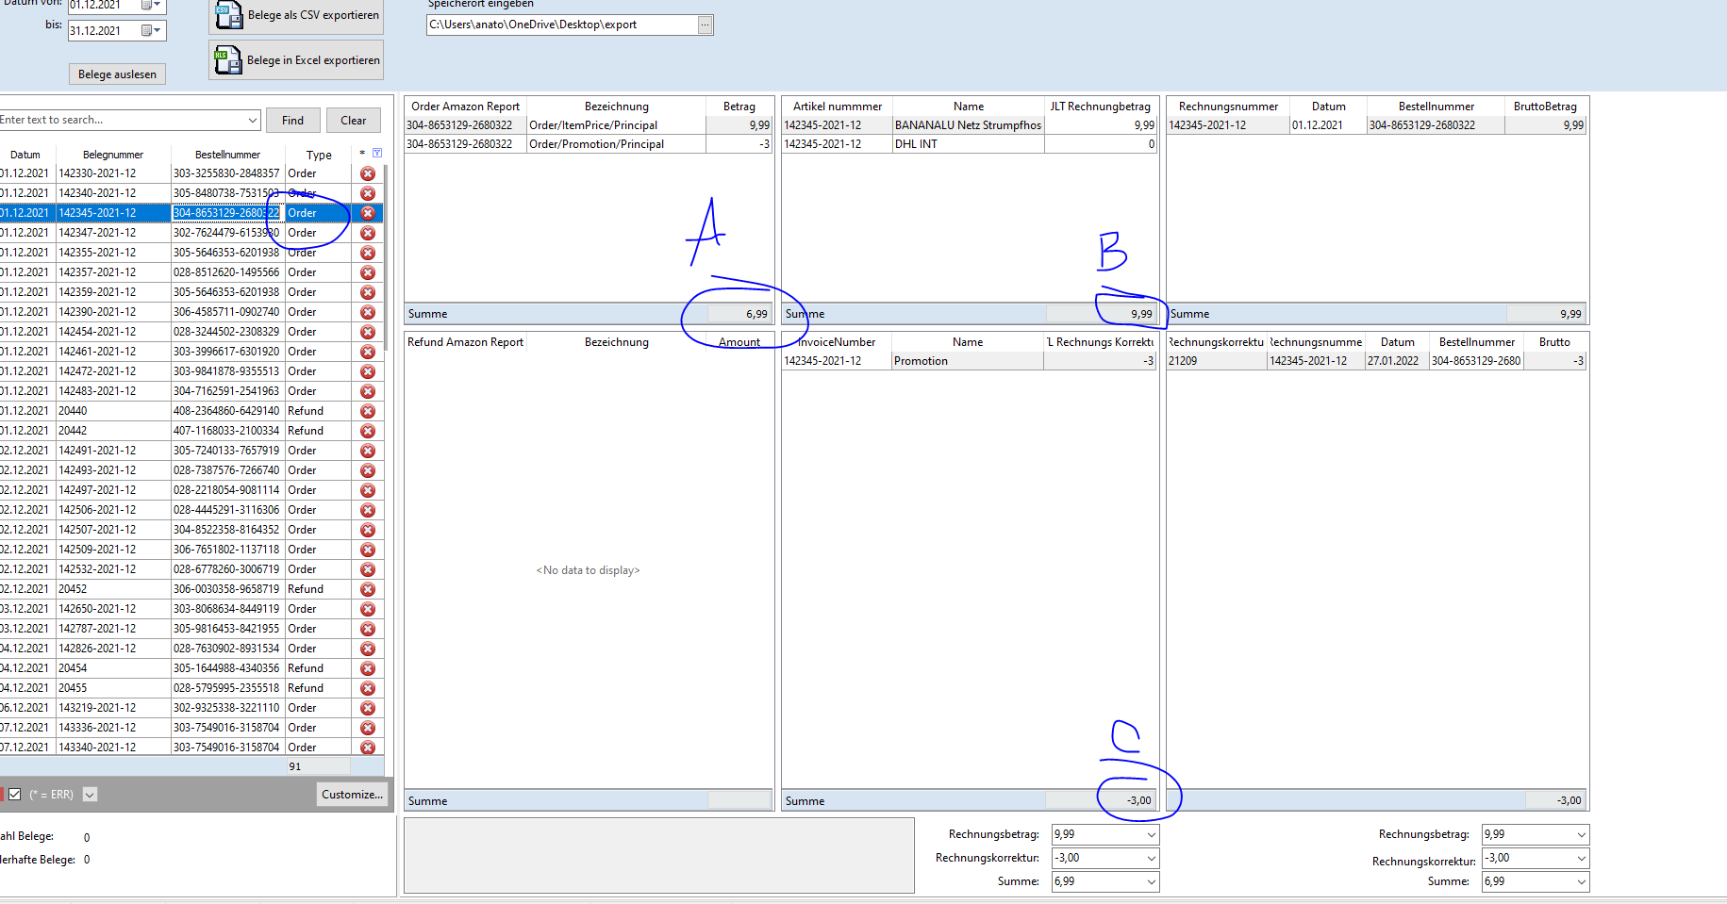

 | If order and B -C = A then OK

.7
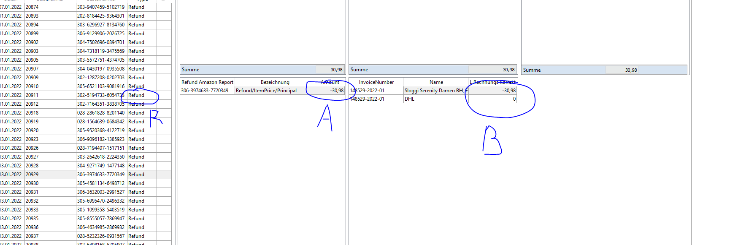

Если Refund и если А = B то галочка, в противном случае ес ли А !=B тогда крестик

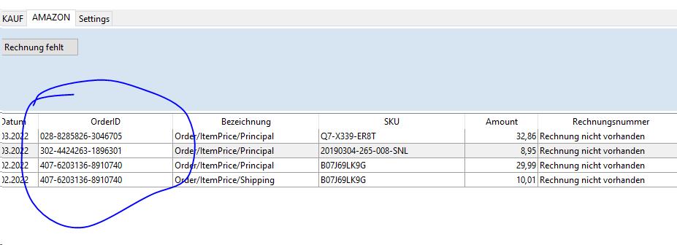

должна быть возможность копировать

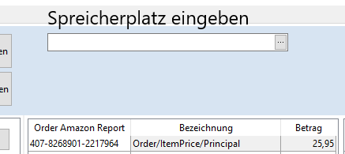

сделать название для этой функции

Speicherort eingeben (примечание: верхнее не правильно)

.8
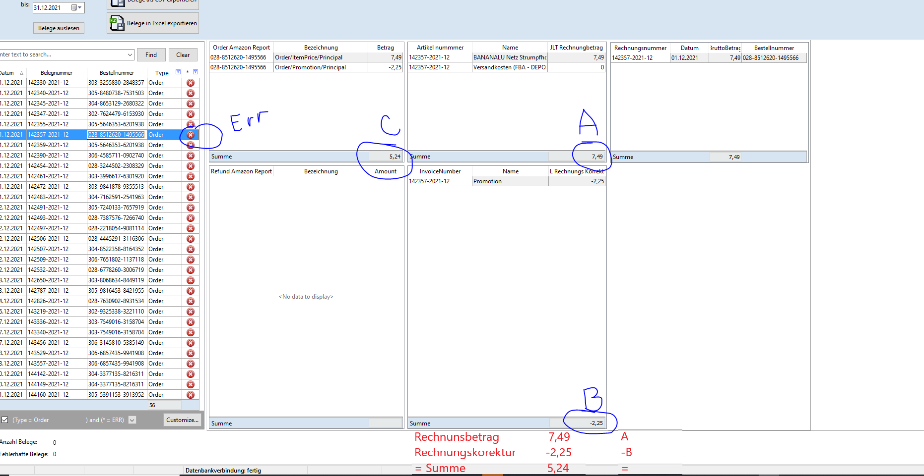

 | в нижней части добавить |  | Rechnungsbetrag | 7.49
 |  |  | Rechnungskorrektur | -2.25
 |  |  | Summe | 5.24

если Order если err если А - В = С тогда ок(галочка) в противном случае err

 | vAllInvoicekorrection

 | SELECT InvoiceCorrectionNumber As Rechnungskorrektur
 |  | ,CAST(TotalGrossPrice AS DECIMAL(10,2)) as Brutto
 | ,InvoiceNumber AS Rechnungsnummer
 | ,FORMAT( CreationDate, 'd', 'de-de' ) 'Datum'
 | ,ExternalSalesOrderNumbers AS Bestellnummer
 | FROM eazybusiness,Report,InvoiceCorrection

добавить новую таблицу смотри таблицу VERKAUF

просоеденяется

1таблица,Bestellnummer=vAllInvoicekorrection,Bestellnummer

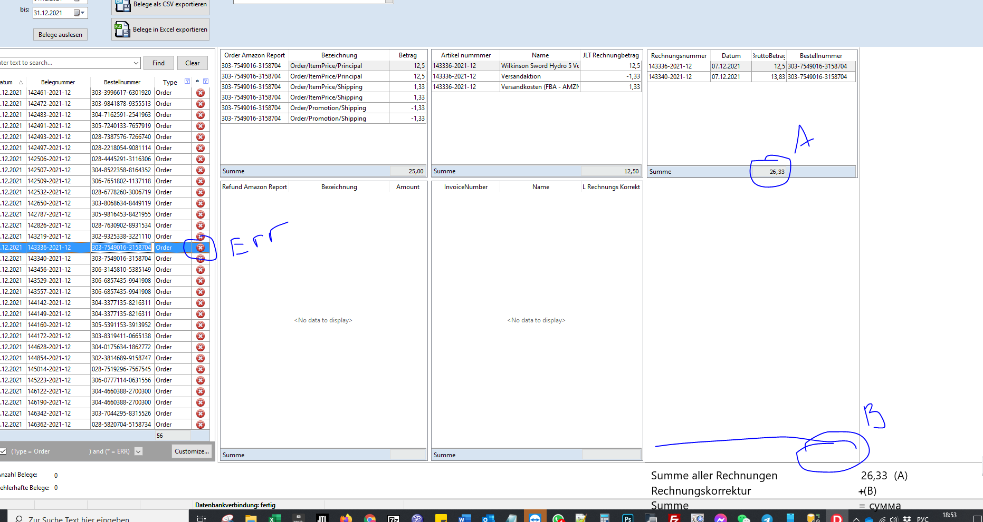

 | добавить в нузу (примечание Еrr не обращай внимание)

.9
 | Refund Amazon Report |  |  |  | поменять скрипт

SELECT
 |  |  | bestellpos,cInetBestellNr
 |  |  | ,bestellpos,cOrderId as 'Refund Amazon Report'
 |  | ,AmaSettlement,TransactionType+'/'+AmaSettlement,AmountType+'/'+AmaSettlement,AmountDescription as Bezeichnung
 |  |  | ,CAST(AmaSettlement,Amount AS DECIMAL(10,2)) as Amount
 |  |  | FROM [DatevTools2],[dbo],[vBestellpos] as bestellpos
 |  |  | left Join [eazybusiness],[dbo],[pf_amazon_settlementpos] as AmaSettlement
 |  |  | on bestellpos,corderId = AmaSettlement,OrderID
 |  |  | where TransactionType = 'Refund'
 |  |  | and AmountType in ('ItemPrice', 'Promotion')
 |  |  | and AmountDescription in ('Principal', 'Tax', 'Shipping', 'ShippingTax', 'TaxDiscount', 'GiftWrap', 'Goodwill')

 |  |  | group by
 |  |  | bestellpos,cInetBestellNr
 |  |  | ,bestellpos,cOrderId
 |  | ,AmaSettlement,TransactionType+'/'+AmaSettlement,AmountType+'/'+AmaSettlement,AmountDescription
 |  | ,AmaSettlement,Amount
 |  |  | having cOrderId is not null

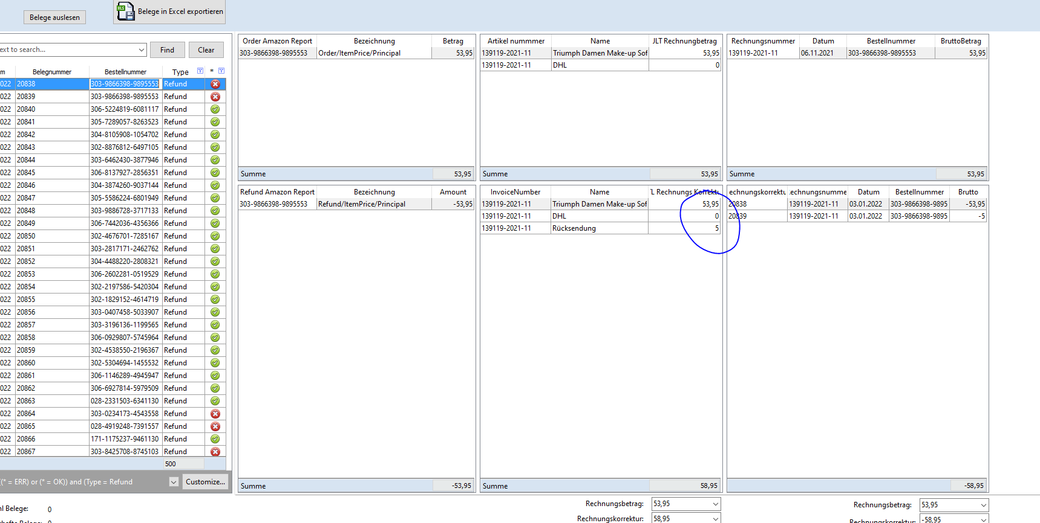

 | здесь должно быть со знаком минус

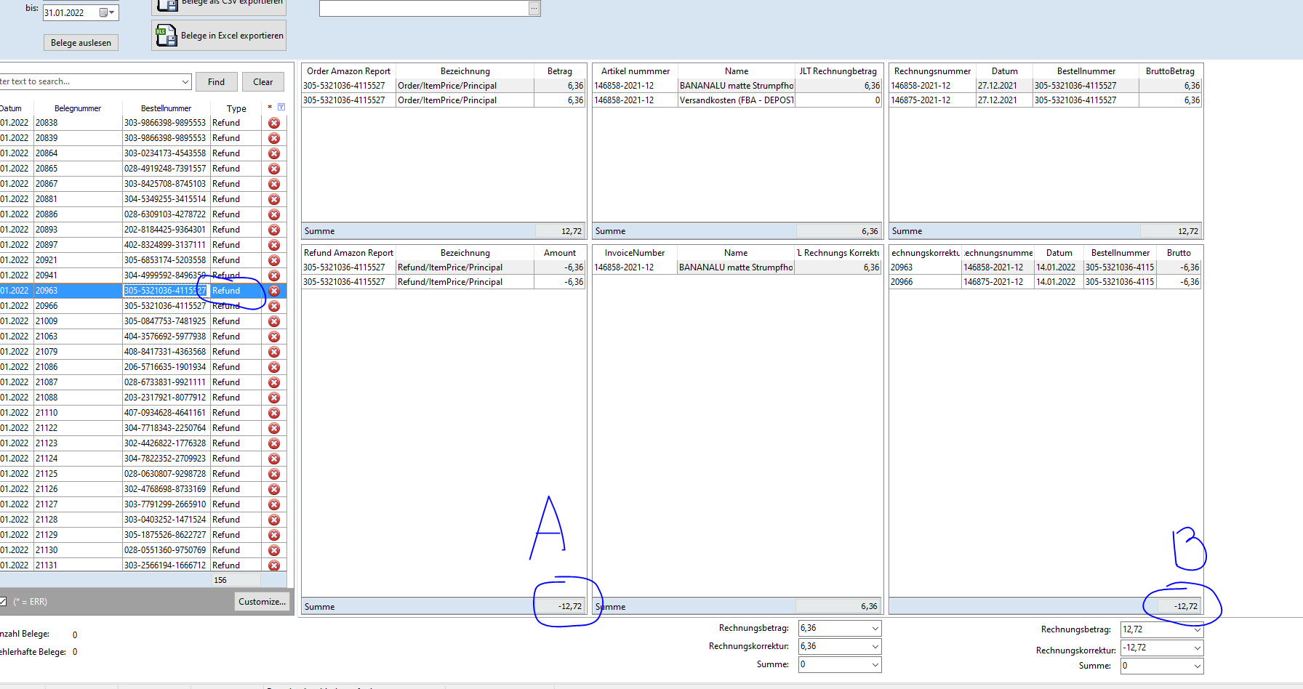

 |  | Если Refund и A = B то Ок

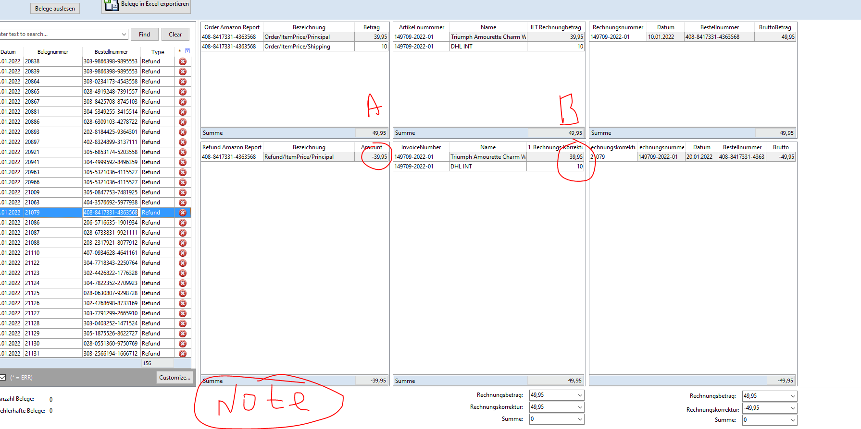

 | Если Refund и (B>0) и (A>0) то Б-А, разницу в Note
 | описание примечания
 | Hinweis: Es wurde keine Gutsschift über Amazon in Höhe von 10 gefunden,

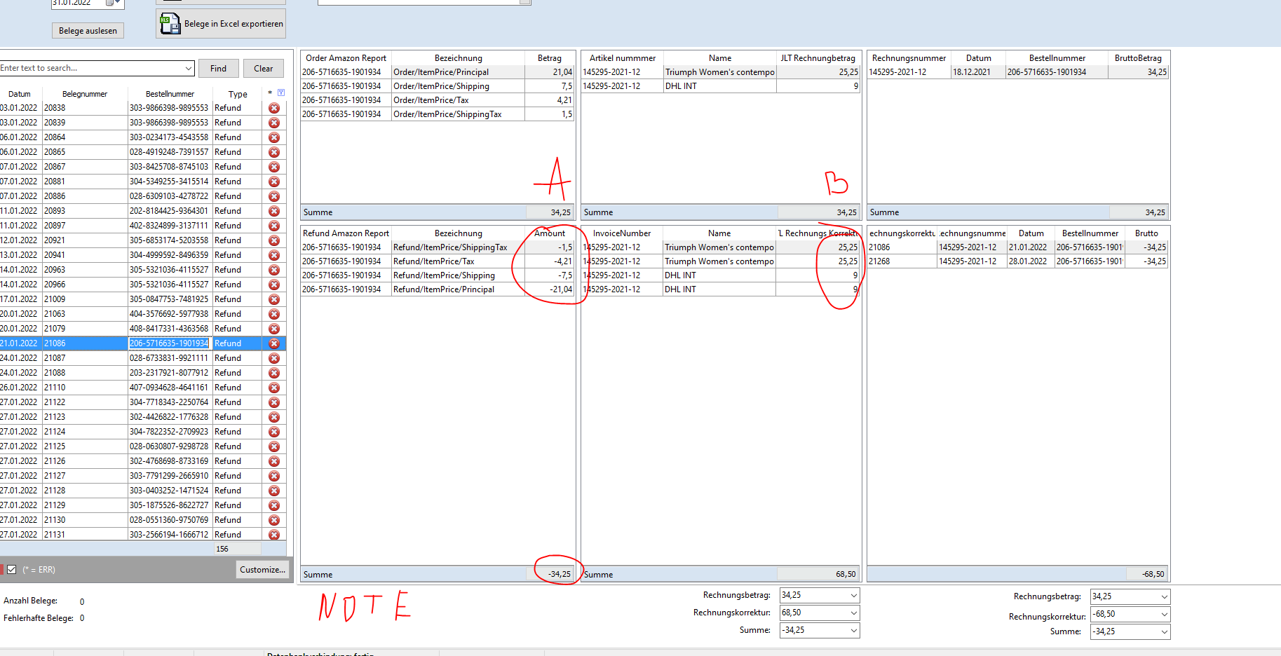

 |  | если Refund и (B>0) и (A>0) и Б/А=2 тогда Note
 |  | Hinweis: es gibt eventuell doppelte Gutschriften

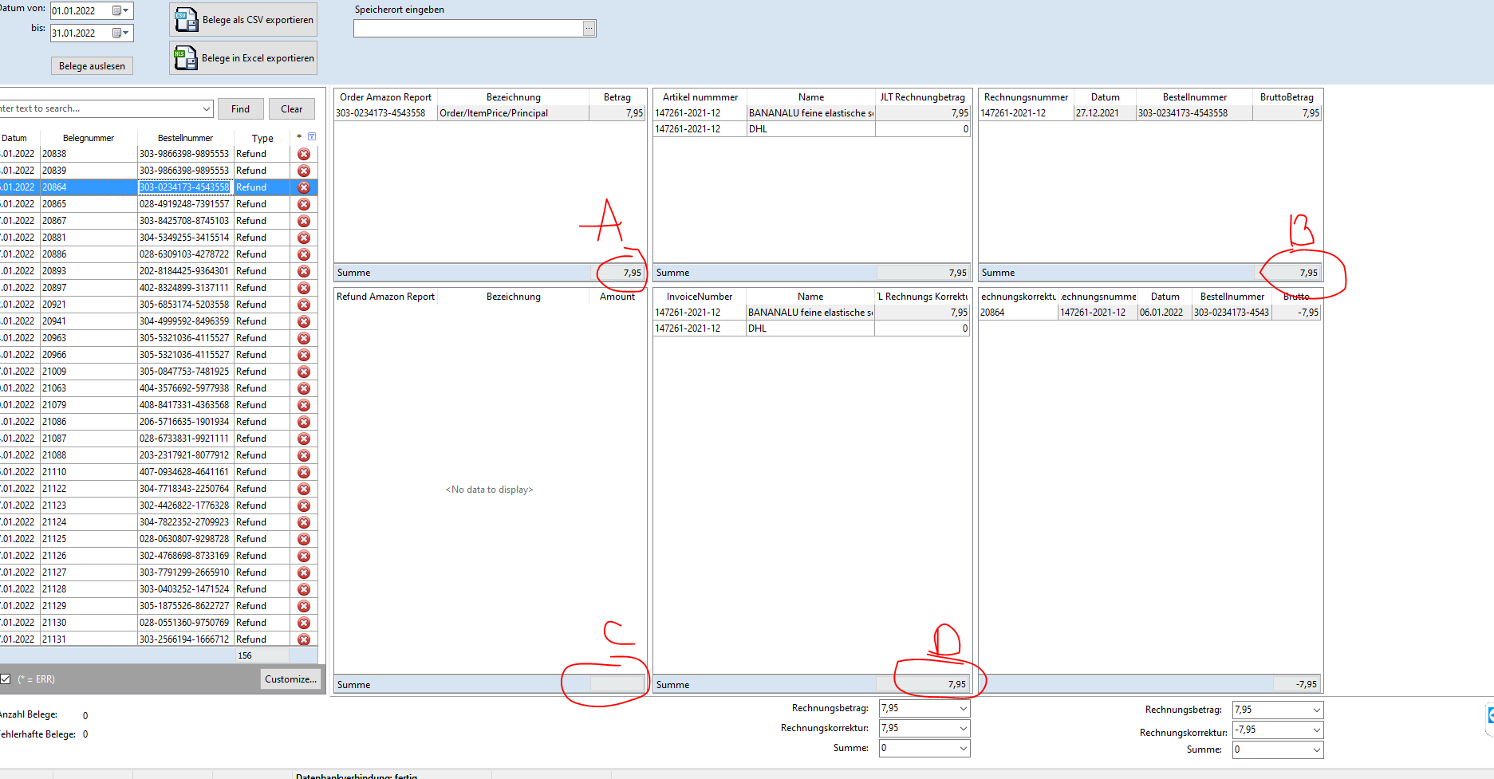

 | if refund and A=B and C = 0 and D<>0 then Note
 | Hinweis: Der Artikel wude über Amazon nicht erstattet

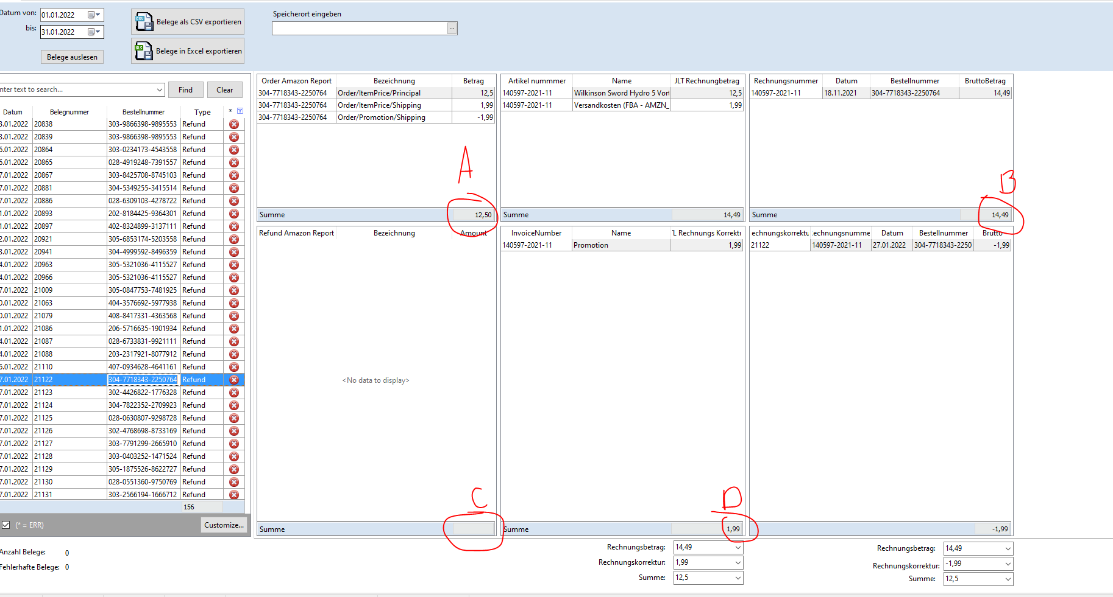

 | if Refund and A!=B and c=0 and D<>0 then Note
 | Hinweis: Rechnung wurde falsch erstellt, Rechnungskorrektur wurde richtig erstellt

 | if Refund and A!=B and c=0 and D<>0 and B-A-D = 0 then OK

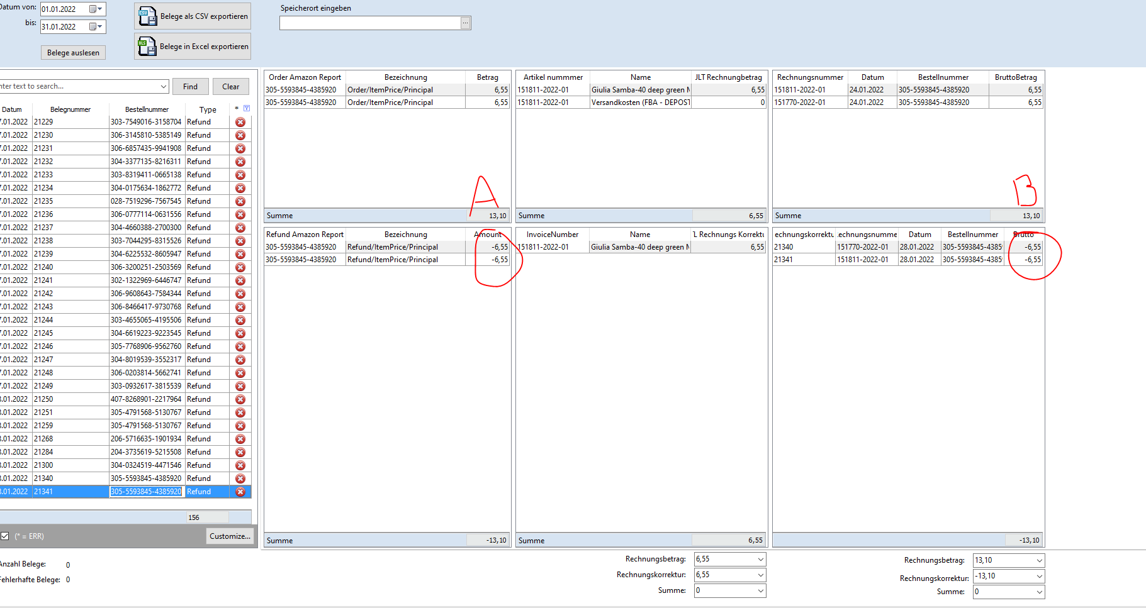

 | if A = B then OK

 | vInvoiceCorrectionNone |  |  | смотри таблицу AMAZON |  |  | Добавить сортировку по дате

 | SELECT FORMAT( AmaSettlement,dErstellt | , 'd', 'de-de' ) 'Datum'
 |  | ,AmaSettlement,OrderID As Bestellnummer
 |  | ,sum(CAST(AmaSettlement,Amount AS DECIMAL(10,2))) as Betrag
 | ,DatevBestellpos,KindBestellnummer
 |  | ,DatevBestellpos,VaterBestellnummer
 |  | ,invoice,InternalId
 | ,invoice,InvoiceNumber as Rechnungsnummer
 |  | ,Case
 |  | When Refund,InvoiceCorrectionNumber is Null then 'Rechnungskorrektur fehlt'
 |  | Else Refund,InvoiceCorrectionNumber
 |  | End as Rechnungskorrektur
 |  | ,ROW_NUMBER() OVER(PARTITION BY DatevBestellpos,VaterBestellnummer ORDER BY DatevBestellpos,VaterBestellnummer ASC) as 'Anzahl VA'
 | FROM [eazybusiness],[dbo],[pf_amazon_settlementpos] as AmaSettlement
 | LEFT JOIN (SELECT
 |  |  |  |  |  | cInetBestellNr as VaterBestellnummer
 |  |  |  |  |  | ,cOrderId as KindBestellnummer
 |  |  |  |  |  | FROM DatevTools2,dbo,vBestellpos

 |  |  |  |  |  | group by
 |  |  |  |  |  | cInetBestellNr
 |  |  |  |  |  | ,cOrderId
 |  |  |  |  |  | having cOrderId is not null) as DatevBestellpos
 |  | ON AmaSettlement,OrderID = DatevBestellpos,KindBestellnummer

 | LEFT JOIN eazybusiness,Report,Invoice as invoice
 | ON | DatevBestellpos,VaterBestellnummer = invoice,ExternalSalesOrderNumbers

 | LEFT JOIN [eazybusiness],[Report],[InvoiceCorrection] as Refund
 | ON invoice,InternalId = Refund,InvoiceInternalId
 | where TransactionType = 'Refund'
 |  |  |  | and AmountType in ('ItemPrice', 'Promotion')
 |  |  |  | and AmountDescription in ('Principal', 'Tax', 'Shipping', 'ShippingTax', 'TaxDiscount', 'GiftWrap', 'Goodwill')
 |  |  |  | and Refund,InvoiceCorrectionNumber | is Null
 |  |  |  | --and AmaSettlement,dErstellt between '20220101' and '20220201'
 |  | Group by
 |  |  |  |  | AmaSettlement,dErstellt
 |  |  | ,AmaSettlement,OrderID
 |  |  |  | ,DatevBestellpos,KindBestellnummer
 |  |  |  | ,invoice,InvoiceNumber
 |  |  |  | ,Refund,InvoiceCorrectionNumber
 |  |  |  | ,DatevBestellpos,VaterBestellnummer
 |  |  |  | ,invoice,InternalId
 | Order by | AmaSettlement,dErstellt desc

.11
 | Export csv and excel

SELECT InvoiceCsv,InternalId
,InvoiceCsv,InvoiceNumber as 'ReAus-ReKor'
 | ,InvoiceCsv,ExternalSalesOrderNumbers as 'Externe Bestellnummer'

,InvoiceCsv,TotalGrossPrice as Brutto
,InvoiceCsv,TotalNetPrice as Netto
 | ,InvoiceCsv,TotalGrossPrice - InvoiceCsv,TotalNetPrice as 'Betrag USt'

 | ,case
 | when bestellpos,CountryISO = 'DE'
 | and bestellpos,fMwSt | = 0 then Round((InvoiceCsv.TotalGrossPrice - InvoiceCsv.TotalNetPrice)*100/InvoiceCsv.TotalNetPrice, 0)
 | Else bestellpos.fMwSt
 | End as | fMwSt

 | ,bestellpos.CountryISO
,bestellpos.Country

 | ,tax.nSchluesselnummer | as 'Steuerschlüsselnummer'
 | ,tax.cSteuerkonto as 'Buchungskonto'
 | ,cast('H' as char) as 'Soll/Haben-Kennzeichen'
 | ,cast('10000' as char) as 'Gegenkonto (ohne BU-Schlüssel)'
 | ,FORMAT( InvoiceCsv.CreationDate, 'd', 'de-de' ) 'Erstelldatum'
 | ,bestellpos.cWaehrung
 | ,bestellpos.fFaktor

FROM [eazybusiness].[Report].[Invoice] as InvoiceCsv
LEFT JOIN ( | SELECT InvoiceNumber ,cWaehrung ,fFaktor ,max(fMwSt) as fMwst ,CountryISO ,Country ,kSteuerklasse ,cName
 |  |  |  | FROM DatevTools2.dbo.vBestellpos
 |  |  |  | Group by cWaehrung ,fFaktor,InvoiceNumber,CountryISO,Country,kSteuerklasse,cName
 |  |  |  | having kSteuerklasse is not null) As bestellpos
 | on InvoiceCsv.InvoiceNumber = bestellpos.InvoiceNumber

 | LEFT JOIN [DatevTools].[dbo].[vTax] as tax
 | on bestellpos.kSteuerklasse = tax.kSteuerklasse
 | and bestellpos.CountryISO = tax.cISO

union

SELECT InvCorrection.InternalId
,InvCorrection.InvoiceCorrectionNumber as 'ReAus-ReKor'
 | ,InvCorrection.ExternalSalesOrderNumbers as 'Externe Bestellnummer'
,InvCorrection.TotalGrossPrice*-1 as Brutto
,InvCorrection.TotalNetPrice*-1 As Netto
 | ,(InvCorrection.TotalGrossPrice - InvCorrection.TotalNetPrice)*-1 as 'Betrag USt'
-- ,InvCorrection.InvoiceNumber

 | ,case
 | when bestellpos.CountryISO = 'DE'
 | and bestellpos.fMwSt | = 0 then Round((InvCorrection.TotalGrossPrice - InvCorrection.TotalNetPrice)*100/InvCorrection.TotalNetPrice, 0)

 | when bestellpos.fMwSt > 0
 | and InvCorrection.TotalGrossPrice = InvCorrection.TotalNetPrice then '0.00'
 | Else bestellpos.fMwSt
 | End as | fMwSt

 | ,bestellpos.CountryISO
,bestellpos.Country

 | ,case
 | when InvCorrection.TotalGrossPrice = InvCorrection.TotalNetPrice then 1
 | Else tax.nSchluesselnummer
 | End as 'Steuerschlüsselnummer'

 | ,case
 | when InvCorrection.TotalGrossPrice = InvCorrection.TotalNetPrice then '8200'
 | else tax.cSteuerkonto
 | END as 'Buchungskonto'
 | ,cast('S' as char) as 'Soll/Haben-Kennzeichen'
 | ,cast('10000' as char) as 'Gegenkonto (ohne BU-Schlüssel)'
 | ,FORMAT( InvCorrection.CreationDate, 'd', 'de-de' ) 'Erstelldatum'
 | ,bestellpos.cWaehrung
 | ,bestellpos.fFaktor

FROM eazybusiness.Report.InvoiceCorrection as InvCorrection
LEFT JOIN ( | SELECT InvoiceNumber ,cWaehrung ,fFaktor ,max(fMwSt) as fMwst ,CountryISO ,Country ,kSteuerklasse ,cName
 |  |  |  | FROM DatevTools2.dbo.vBestellpos
 |  |  |  | Group by cWaehrung ,fFaktor,InvoiceNumber,CountryISO,Country,kSteuerklasse,cName
 |  |  |  | having kSteuerklasse is not null) As bestellpos
 | on InvCorrection.InvoiceNumber = bestellpos.InvoiceNumber

 | LEFT JOIN [DatevTools].[dbo].[vTax] as tax
 | on bestellpos.kSteuerklasse = tax.kSteuerklasse
 | and bestellpos.CountryISO = tax.cISO

 | vAllInvoicekorrection

 | SELECT InvoiceCorrectionNumber As Rechnungskorrektur
 |  | ,CAST(TotalGrossPrice AS DECIMAL(10,2)) as Brutto
 | ,InvoiceNumber AS Rechnungsnummer
 | ,FORMAT( CreationDate, 'd', 'de-de' ) 'Datum'
 | ,ExternalSalesOrderNumbers AS Bestellnummer
 | FROM eazybusiness.Report.InvoiceCorrection

 | скипт отрабатывает не правильно

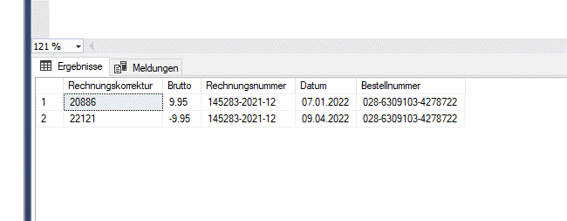

 |  | Bestellnummer |  | = | ExternalSalesOrderNumbers

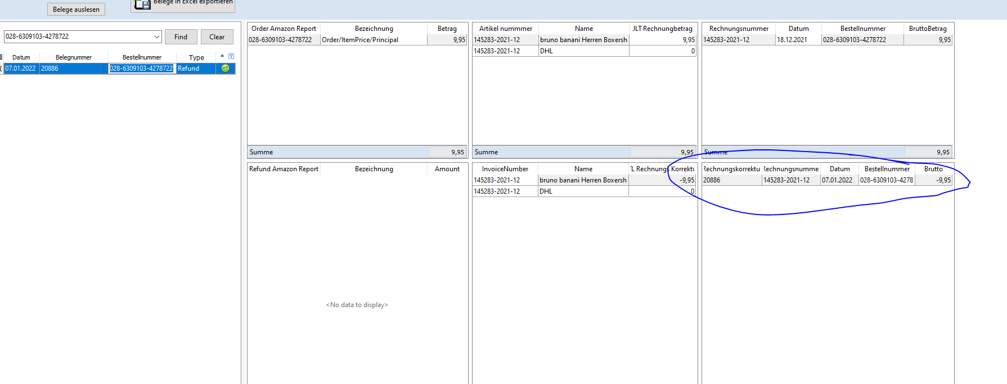

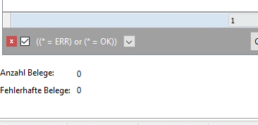

 | Anzahl Belege : |  | все данные выбраные за определеный период времени

 | Fehlerhafte Belege: |  | Err

Refund Amazon Report |  |  |  | поменять скрипт

 |  | select
 |  | bestellpos.cInetBestellNr
 |  | ,bestellpos.cOrderId as 'Refund Amazon Report'
 | ,AmaSettlement.TransactionType+'/'+AmaSettlement.AmountType+'/'+AmaSettlement.AmountDescription as Bezeichnung
 |  | ,CAST(AmaSettlement.Amount AS DECIMAL(10,2)) as Amount
 |  | FROM [DatevTools2].[dbo].[vBestellpos] as bestellpos
 |  | left Join [eazybusiness].[dbo].[pf_amazon_settlementpos] as AmaSettlement
 |  | on bestellpos.corderId = AmaSettlement.OrderID
 |  | where TransactionType = 'Refund'
 |  | and AmountType in ('ItemPrice', 'Promotion')
 |  | and AmountDescription in ('Principal', 'Tax', 'Shipping', 'ShippingTax', 'TaxDiscount', 'GiftWrap', 'Goodwill', 'ReturnShipping')
 |  | and bestellpos.cInetBestellNr | = '408-2364860-6429140'

 |  | group by
 |  | bestellpos.cInetBestellNr
 |  | ,bestellpos.cOrderId
 | ,AmaSettlement.TransactionType+'/'+AmaSettlement.AmountType+'/'+AmaSettlement.AmountDescription
 | ,AmaSettlement.Amount
 |  | having cOrderId is not null

 | в конце нехватает буквы t

.12
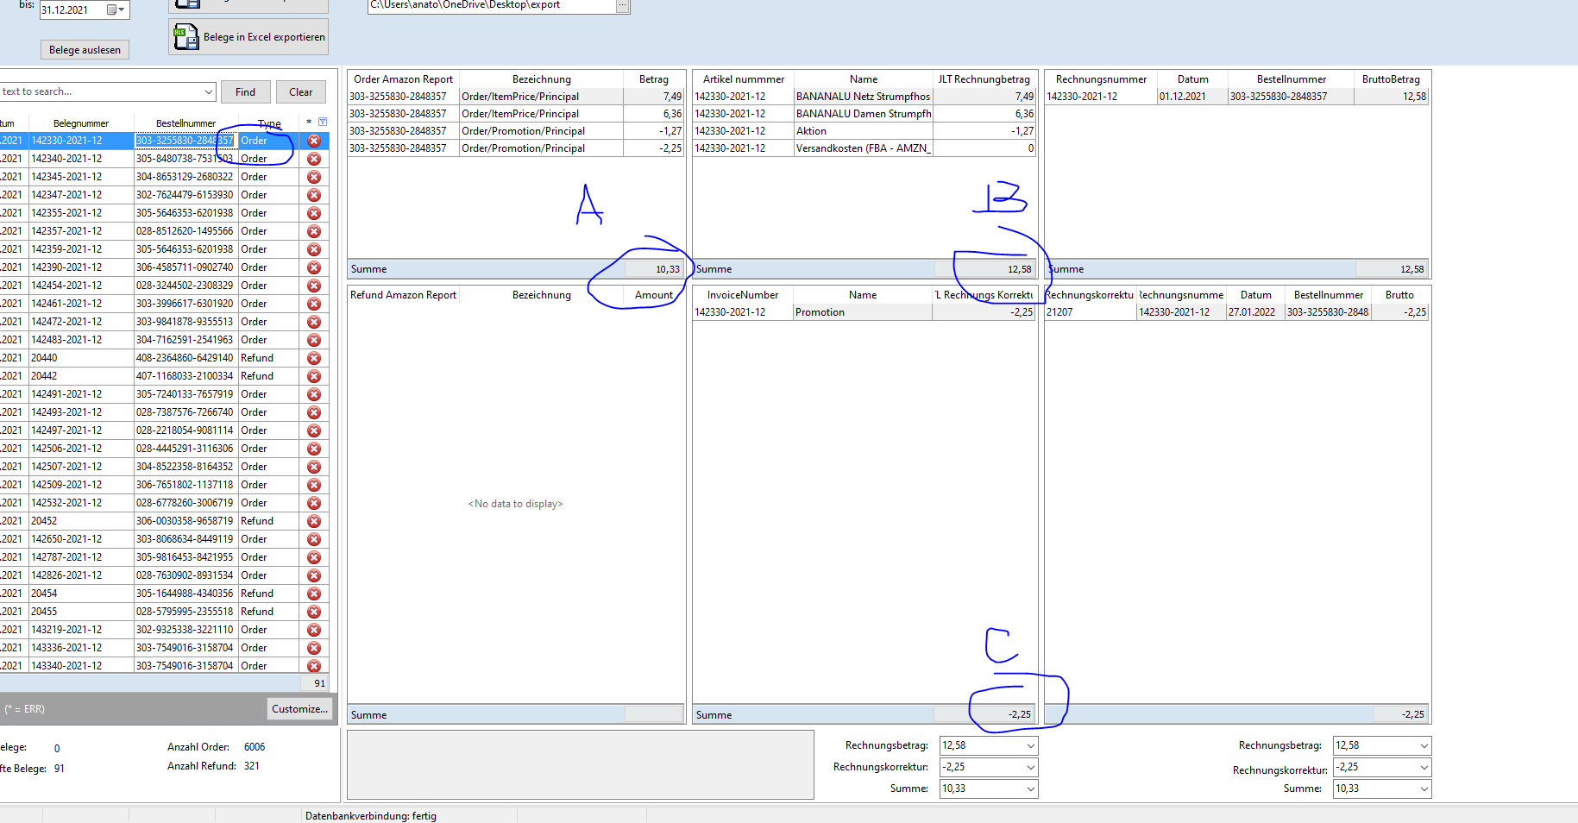

If Order and B + C=A OK

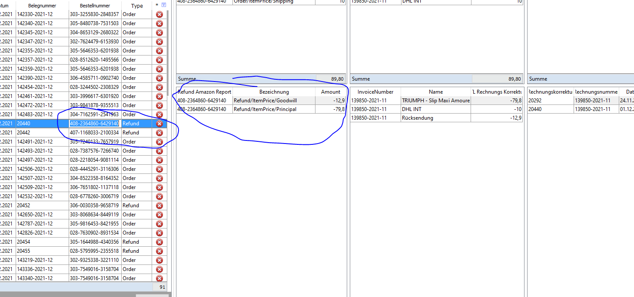

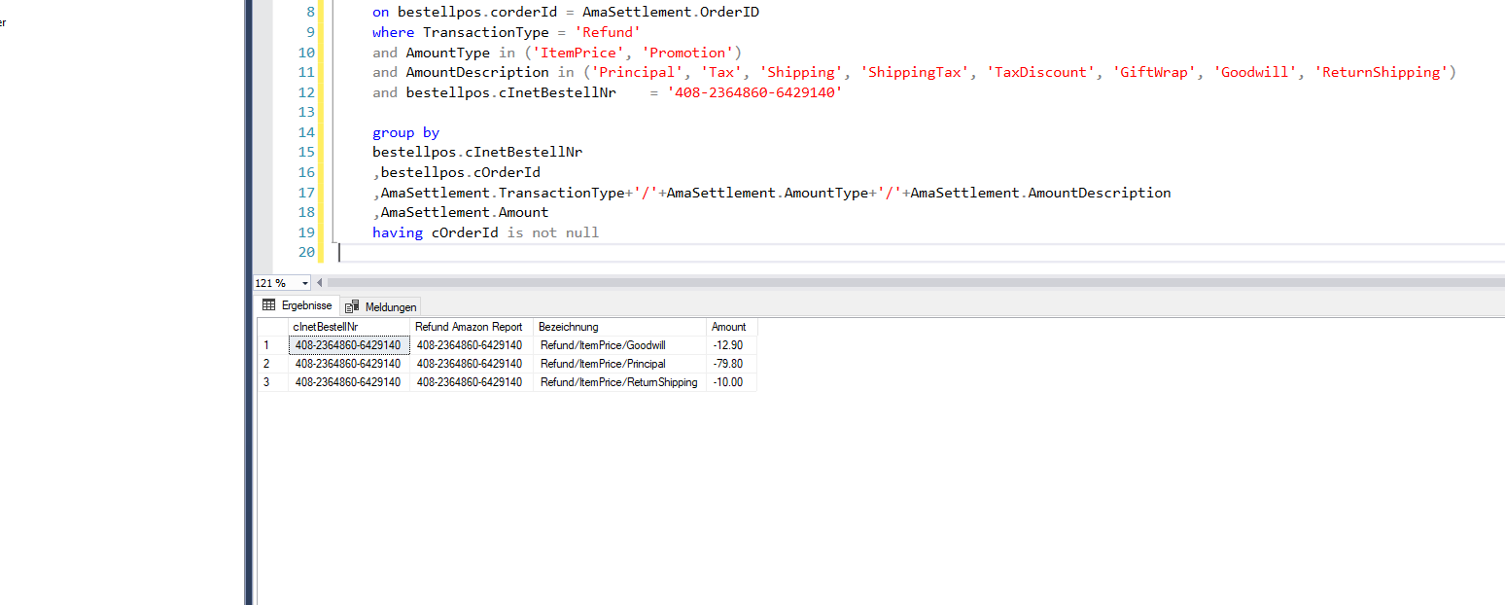

Refund Amazon Report | неправильно отрабатывает

13
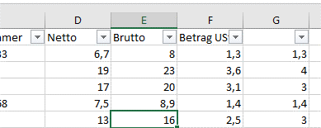

1 | Brutto | Netto
2 | ошибка в округлении

SELECT InvoiceCsv.InternalId
,InvoiceCsv.InvoiceNumber as 'ReAus-ReKor'
 | ,InvoiceCsv.ExternalSalesOrderNumbers as 'Externe Bestellnummer'

,cast(InvoiceCsv.TotalGrossPrice as decimal(10,2)) as Brutto
,cast(InvoiceCsv.TotalNetPrice as decimal(10,2)) as Netto
 | ,cast(InvoiceCsv.TotalGrossPrice - InvoiceCsv.TotalNetPrice as decimal(10,2)) as 'Betrag USt'

 | ,case
 | when bestellpos.CountryISO = 'DE'
 | and bestellpos.fMwSt | = 0 then cast(Round((InvoiceCsv.TotalGrossPrice - InvoiceCsv.TotalNetPrice)*100/InvoiceCsv.TotalNetPrice, 0) as decimal(10,2))
 | Else cast(bestellpos.fMwSt as decimal(10,2))
 | End as | fMwSt

 | ,bestellpos.CountryISO
,bestellpos.Country

 | ,tax.nSchluesselnummer | as 'Steuerschlüsselnummer'
 | ,tax.cSteuerkonto as 'Buchungskonto'
 | ,cast('H' as char) as 'Soll/Haben-Kennzeichen'
 | ,cast('10000' as char) as 'Gegenkonto (ohne BU-Schlüssel)'
 | ,FORMAT( InvoiceCsv.CreationDate, 'd', 'de-de' ) 'Erstelldatum'
 | ,bestellpos.cWaehrung
 | ,bestellpos.fFaktor

FROM [eazybusiness].[Report].[Invoice] as InvoiceCsv
LEFT JOIN ( | SELECT InvoiceNumber ,cWaehrung ,fFaktor ,max(fMwSt) as fMwst ,CountryISO ,Country ,kSteuerklasse ,cName
 |  |  | FROM DatevTools2.dbo.vBestellpos
 |  |  | Group by cWaehrung ,fFaktor,InvoiceNumber,CountryISO,Country,kSteuerklasse,cName
 |  |  | having kSteuerklasse is not null) As bestellpos
 | on InvoiceCsv.InvoiceNumber = bestellpos.InvoiceNumber

 | LEFT JOIN [DatevTools].[dbo].[vTax] as tax
 | on bestellpos.kSteuerklasse = tax.kSteuerklasse
 | and bestellpos.CountryISO = tax.cISO

union

SELECT InvCorrection.InternalId
,InvCorrection.InvoiceCorrectionNumber as 'ReAus-ReKor'
 | ,InvCorrection.ExternalSalesOrderNumbers as 'Externe Bestellnummer'
,cast(InvCorrection.TotalGrossPrice*-1 as decimal(10,2)) as Brutto
,cast(InvCorrection.TotalNetPrice*-1 as decimal(10,2)) As Netto
 | ,cast((InvCorrection.TotalGrossPrice - InvCorrection.TotalNetPrice)*-1 as decimal(10,2)) as 'Betrag USt'
-- ,InvCorrection.InvoiceNumber

 | ,case
 | when bestellpos.CountryISO = 'DE'
 | and bestellpos.fMwSt | = 0 then cast(Round((InvCorrection.TotalGrossPrice - InvCorrection.TotalNetPrice)*100/InvCorrection.TotalNetPrice, 0) as decimal(10,2))

 | when bestellpos.fMwSt > 0
 | and InvCorrection.TotalGrossPrice = InvCorrection.TotalNetPrice then cast('0.00' as decimal(10,2))
 | Else cast(bestellpos.fMwSt as decimal(10,2))
 | End as | fMwSt

 | ,bestellpos.CountryISO
,bestellpos.Country

 | ,case
 | when InvCorrection.TotalGrossPrice = InvCorrection.TotalNetPrice then 1
 | Else tax.nSchluesselnummer
 | End as 'Steuerschlüsselnummer'

 | ,case
 | when InvCorrection.TotalGrossPrice = InvCorrection.TotalNetPrice then '8200'
 | else tax.cSteuerkonto
 | END as 'Buchungskonto'
 | ,cast('S' as char) as 'Soll/Haben-Kennzeichen'
 | ,cast('10000' as char) as 'Gegenkonto (ohne BU-Schlüssel)'
 | ,FORMAT( InvCorrection.CreationDate, 'd', 'de-de' ) 'Erstelldatum'
 | ,bestellpos.cWaehrung
 | ,bestellpos.fFaktor

FROM eazybusiness.Report.InvoiceCorrection as InvCorrection
LEFT JOIN ( | SELECT InvoiceNumber ,cWaehrung ,fFaktor ,max(fMwSt) as fMwst ,CountryISO ,Country ,kSteuerklasse ,cName
 |  |  | FROM DatevTools2.dbo.vBestellpos
 |  |  | Group by cWaehrung ,fFaktor,InvoiceNumber,CountryISO,Country,kSteuerklasse,cName
 |  |  | having kSteuerklasse is not null) As bestellpos
 | on InvCorrection.InvoiceNumber = bestellpos.InvoiceNumber

 | LEFT JOIN [DatevTools].[dbo].[vTax] as tax
 | on bestellpos.kSteuerklasse = tax.kSteuerklasse
 | and bestellpos.CountryISO = tax.cISO

15
select
 | bestellpos.cInetBestellNr
 | ,bestellpos.cOrderId as 'Refund Amazon Report'
,AmaSettlement.TransactionType+'/'+AmaSettlement.AmountType+'/'+AmaSettlement.AmountDescription as Bezeichnung
 | ,CAST(AmaSettlement.Amount AS DECIMAL(10,2)) as Amount
 | ,OrderItemCode
-- | ,AmaSettlement.rownr
 | FROM [DatevTools2].[dbo].[vBestellpos] as bestellpos

 | left Join
 | (
 | select | ROW_NUMBER() OVER(PARTITION BY OrderItemCode ORDER BY Amount DESC) as RowNr,

*
 | FROM [eazybusiness].[dbo].[pf_amazon_settlementpos]
-- | where amount = '13.27'
 | where TransactionType = 'Refund'
 | and AmountType in ('ItemPrice', 'Promotion')
 | and AmountDescription in ('Principal', 'Tax', 'Shipping', 'ShippingTax', 'TaxDiscount', 'GiftWrap', 'Goodwill', 'ReturnShipping')

 | )as AmaSettlement

 | on bestellpos.corderId = AmaSettlement.OrderID
 | --where cInetBestellNr = '028-7472841-6408334'

 | group by
 | bestellpos.cInetBestellNr
 | ,bestellpos.cOrderId
,AmaSettlement.TransactionType+'/'+AmaSettlement.AmountType+'/'+AmaSettlement.AmountDescription
,AmaSettlement.Amount
 | ,OrderItemCode
 | ,AmaSettlement.rownr
 | having cOrderId is not null

302-4290327-3603562
 |  |  |  |  | пример

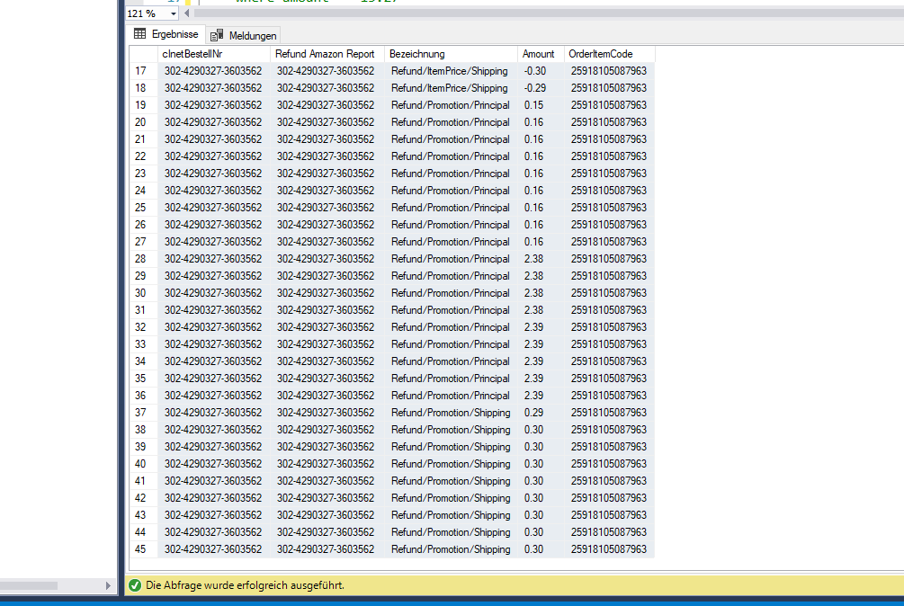

 | добавить запрос в то место где на картинке vinvCorText

 | vInvCorrText

 | SELECT
 | [Text]

 | FROM [eazybusiness].[Report].[InvoiceCorrection]

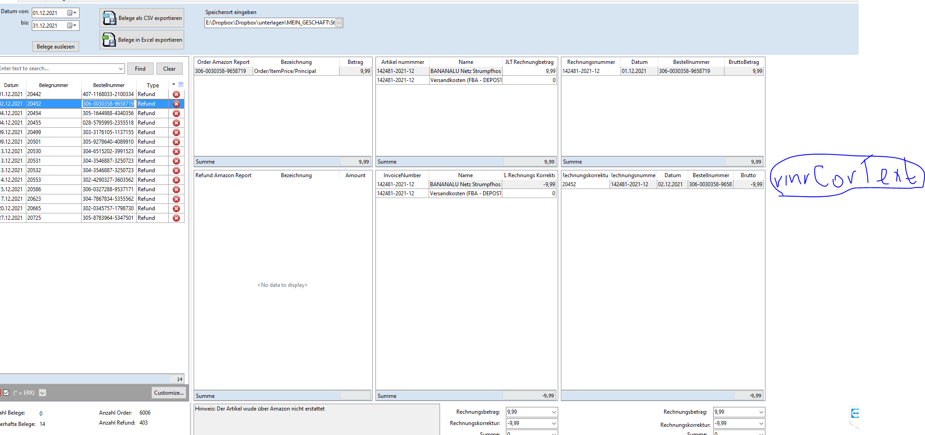

 | Добавить в то место где Sum

 | B-A
 | Summe: 9,99-9,99 =0

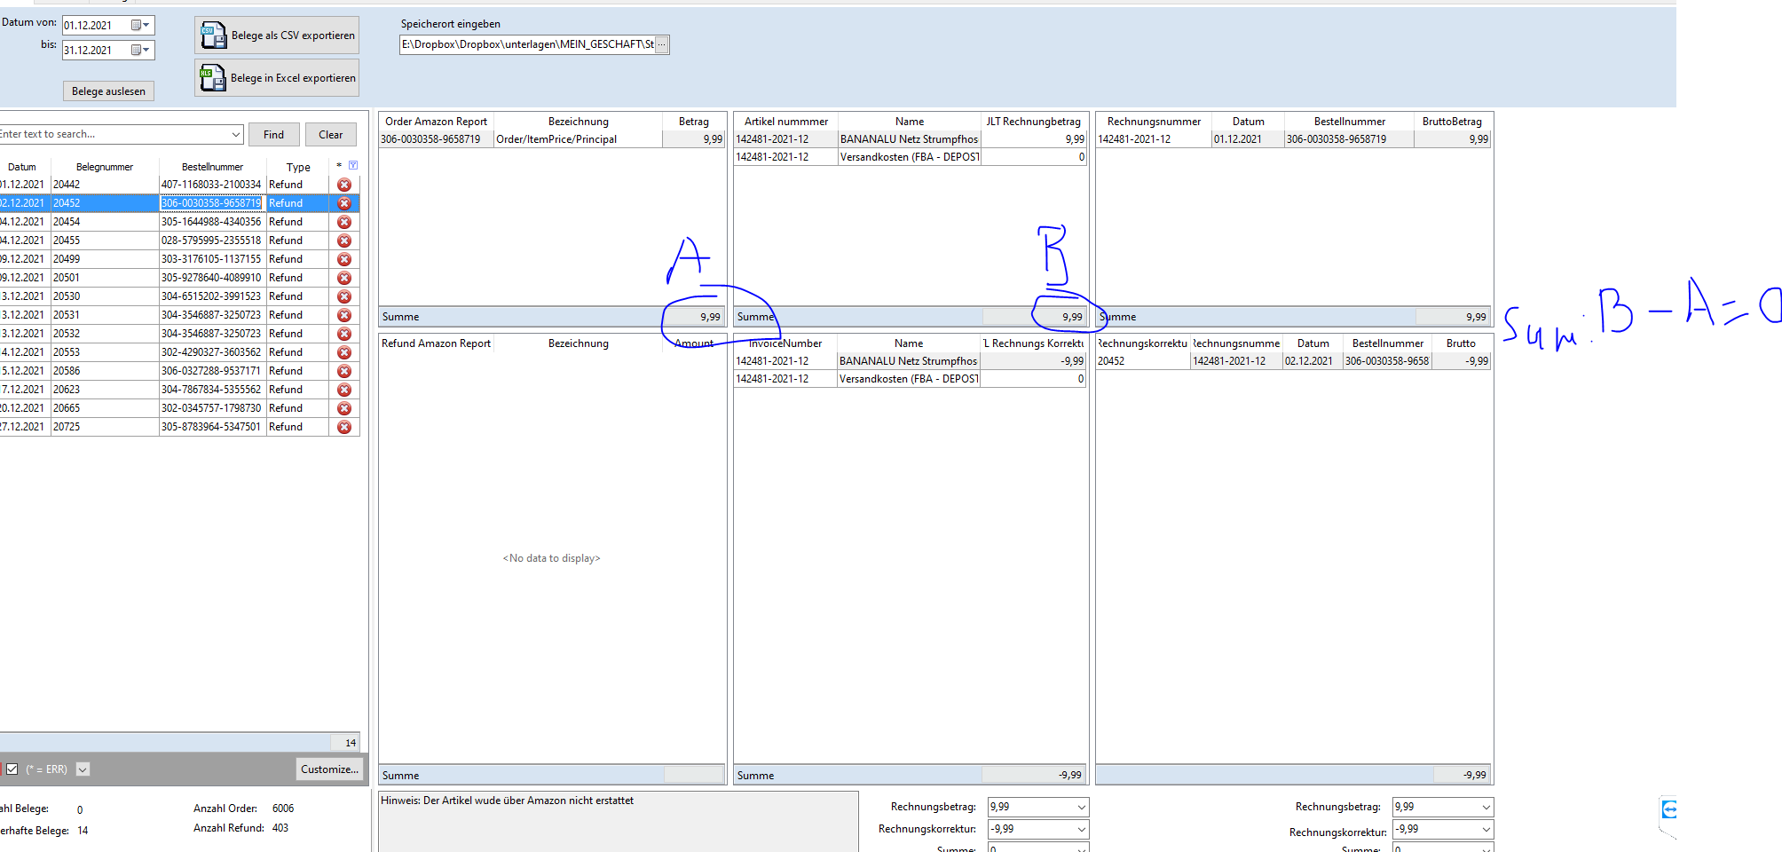

 |  |  |  |  |  |  |  |  |  |  |  |  |  |  |  |  |  |  |  | 9,99-9,99=0

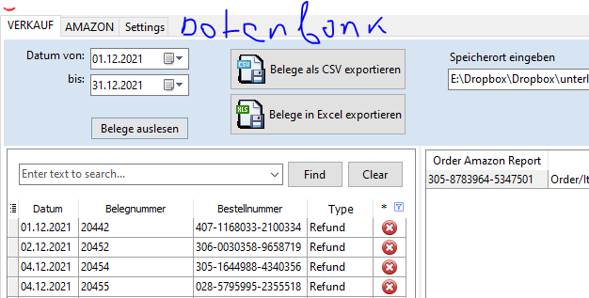

 | сделать новую вкладку Datenbank

 | в ней сделать еще одну вкладку Settlementpos

 | SELECT [kMessageId]
 |  |  |  |  |  |  | Daten laden | Данные загрузить |  | подгружается вся база данных или актуализируется
 | ,[SettlementID]
 | ,[TransactionType] |  |  |  |  |  | Finden | найти
 | ,[OrderID]
 | ,[MerchantOrderID] |  |  |  |  |  | активируй данные для копирования

 | ,[ShipmentID]
 | ,[MarketplaceName]
 | ,[AmountType]
 | ,[AmountDescription]
 | ,[Amount] |  |  |  |  |  | для каждой колонки сделать такуюже фильтрацию
 | ,[FulfillmentID]

 | ,[OrderItemCode]
 | ,[MerchantOrderItemID]
 | ,[SKU]
 | ,[QuantityPurchased]
 | ,[PromotionID]
 | ,[dErstellt]
 | FROM [eazybusiness].[dbo].[pf_amazon_settlementpos]

 |  |  |  | Datenbank
Settlementpos

 | Daten laden |  | Finden

 | find | X | find | X | 402-9622616-5007539 | X |  |  |  |  |  |  |  |  |  |  | find | X

 | kMessageId | kUser | SettlementID | TransactionType | OrderID | MerchantOrderID | AdjustmentID | ShipmentID | MarketplaceName | AmountType | AmountDescription | Amount | FulfillmentID | PostedDateTime | OrderItemCode | MerchantOrderItemID | SKU | QuantityPurchased | PromotionID | dErstellt
 | 106838911 | 1 | 11714690662 | Order | 402-9622616-5007539 | 402-9622616-5007539 |  | DX1jxs5YD | Amazon.fr | ItemPrice | Principal | 3980000000000000 | AFN | 2019-06-06 11:09:13.000 | 50964042239323 |  | D1-VN5A-7PCM | 4 |  | 2019-07-02 09:32:13.000
 | 106838912 | 1 | 11714690662 | Order | 402-9622616-5007539 | 402-9622616-5007539 |  | DX1jxs5YD | Amazon.fr | ItemFees | FBAPerUnitFulfillmentFee | -2000000000000000 | AFN | 2019-06-06 11:09:13.000 | 50964042239323 |  | D1-VN5A-7PCM | 4 |  | 2019-07-02 09:32:13.000
 | 106838913 | 1 | 11714690662 | Order | 402-9622616-5007539 | 402-9622616-5007539 |  | DX1jxs5YD | Amazon.fr | ItemFees | Commission | -596000000000000 | AFN | 2019-06-06 11:09:13.000 | 50964042239323 |  | D1-VN5A-7PCM | 4 |  | 2019-07-02 09:32:13.000
 | 206754750 | 1 | 11714690662 | Order | 402-9622616-5007539 | 402-9622616-5007539 |  | DX1jxs5YD | Amazon.fr | ItemPrice | Principal | 3980000000000000 | AFN | 2019-06-06 11:09:13.000 | 50964042239323 |  | D1-VN5A-7PCM | 4 |  | 2019-09-20 08:08:14.000
 | 206754751 | 1 | 11714690662 | Order | 402-9622616-5007539 | 402-9622616-5007539 |  | DX1jxs5YD | Amazon.fr | ItemFees | FBAPerUnitFulfillmentFee | -2000000000000000 | AFN | 2019-06-06 11:09:13.000 | 50964042239323 |  | D1-VN5A-7PCM | 4 |  | 2019-09-20 08:08:14.000
 | 206754752 | 1 | 11714690662 | Order | 402-9622616-5007539 | 402-9622616-5007539 |  | DX1jxs5YD | Amazon.fr | ItemFees | Commission | -596000000000000 | AFN | 2019-06-06 11:09:13.000 | 50964042239323 |  | D1-VN5A-7PCM | 4 |  | 2019-09-20 08:08:14.000

16
 | Довавить кнопку с названием |  |  | Bestelldetails | которая открывает браузер со следующим линком

 | https://sellercentral.amazon.de/orders-v3/order/#Bestellnummer# |  |  |  | на место #Bestellnummer# вставляестся номер заказа

 | поменять вкладку VERKAUF на 'DatevE+'

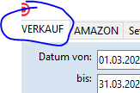

 | Довавить кнопку с названием |  |  | Transaktionsansicht | которая открывает браузер со следующим линком

 | https://sellercentral.amazon.de/payments/event/view?orderId=#Bestellnummer# |  |  |  | на место #Bestellnummer# вставляестся номер заказа

Refund Amazon Report |  |  | поменять

 | select
 |  | bestellpos.cInetBestellNr
 |  | ,bestellpos.cOrderId as 'Refund Amazon Report'
 | ,AmaSettlement.TransactionType+'/'+AmaSettlement.AmountType+'/'+AmaSettlement.AmountDescription as Bezeichnung
 |  | ,CAST(AmaSettlement.Amount AS DECIMAL(10,2)) as Amount
 |  | --,OrderItemCode

 |  | ,kMessageId

 |  | FROM [DatevTools2].[dbo].[vBestellpos] as bestellpos

 | LEFT JOIN (
 | SELECT
 | kMessageId
 | ,OrderID
 | ,AmountType
 | ,AmountDescription
 | ,Amount
 |  | ,TransactionType

 | FROM eazybusiness.dbo.pf_amazon_settlementpos
 |  | where TransactionType = 'Refund'
 |  | and AmountType in ('ItemPrice', 'Promotion')
 |  | and AmountDescription in ('Principal', 'Tax', 'Shipping', 'ShippingTax', 'TaxDiscount', 'GiftWrap', 'Goodwill', 'ReturnShipping')

 | Group by
 | kMessageId
 | ,OrderID
 |  | ,AmountType
 | ,AmountDescription
 | ,Amount
 |  | ,TransactionType

 | ) as AmaSettlement
 | on bestellpos.corderId = AmaSettlement.OrderID

 |  | group by
 |  | kMessageId
 |  | ,bestellpos.cInetBestellNr
 |  | ,bestellpos.cOrderId
 |  | ,AmaSettlement.Amount
 |  | ,AmaSettlement.TransactionType+'/'+AmaSettlement.AmountType+'/'+AmaSettlement.AmountDescription
 |  | having cOrderId is not null
 |  | order by AmaSettlement.Amount

17
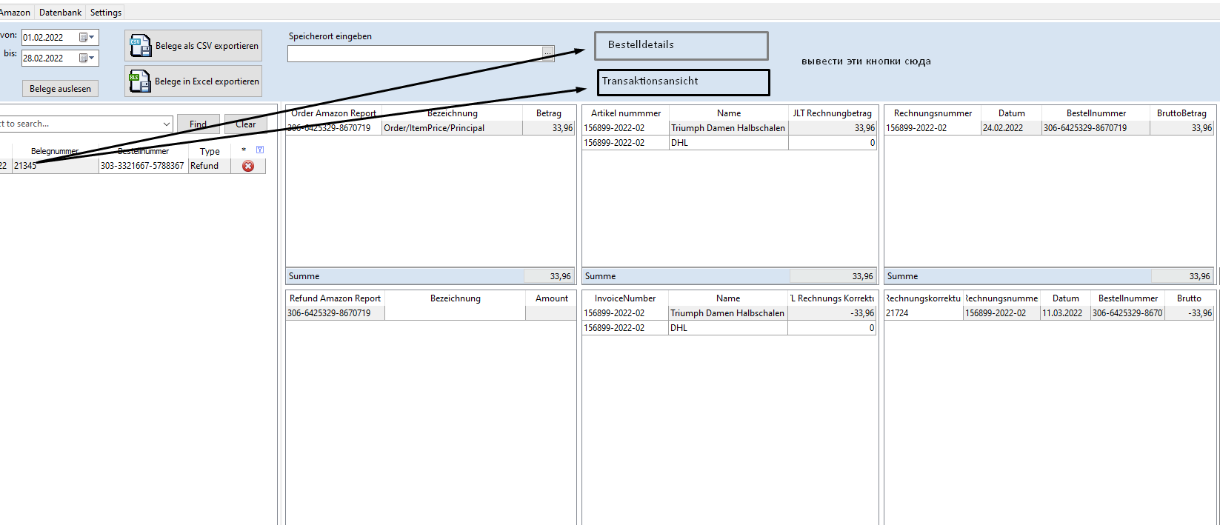

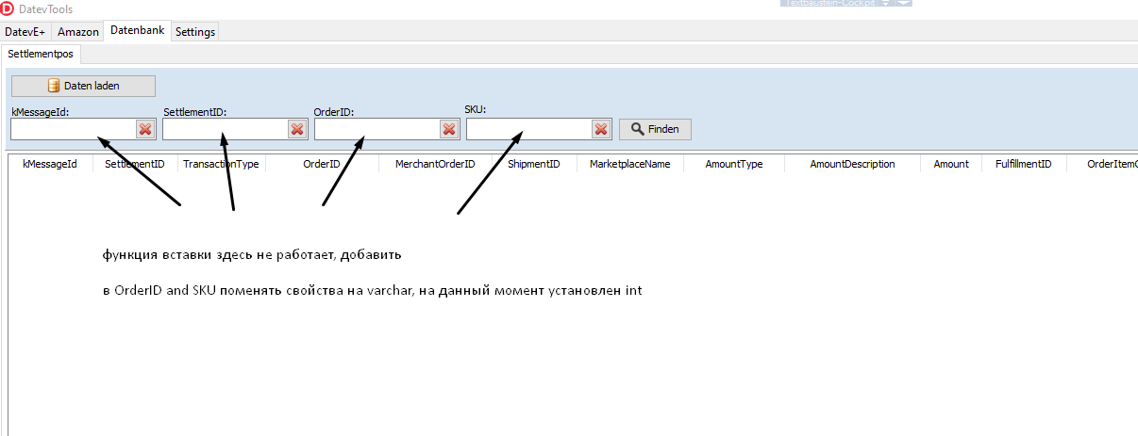

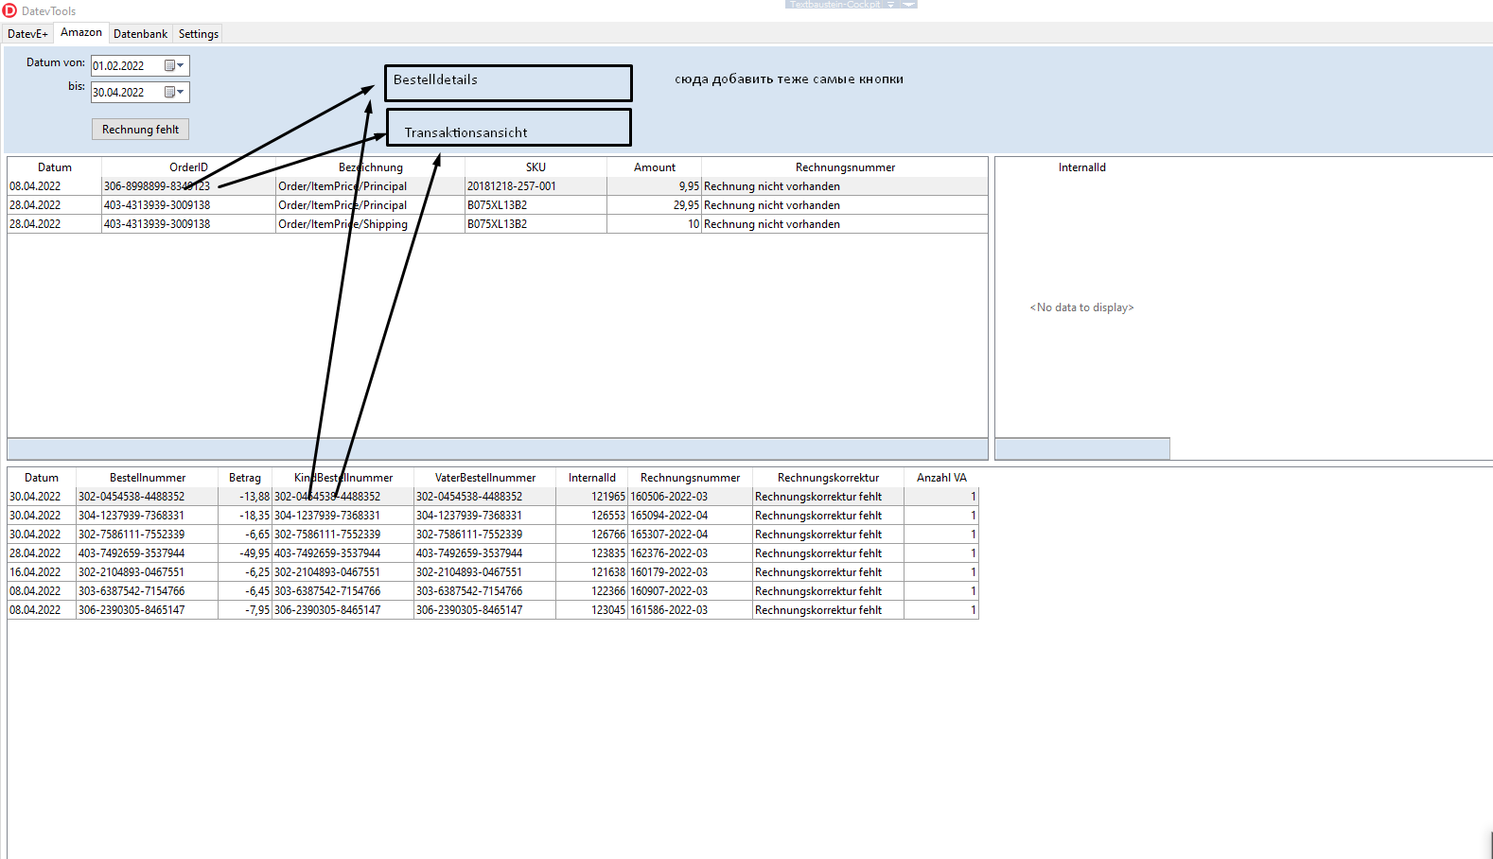

18
 |  |  |  | Lagerbestand
 |  |  |  | Lagerplatz
 |  |  | txt.find | 001- | Suchen
 | v.Lagerbestand |  |  |  |  |  |  |  | EAN Eingabe
Pos | Menge | cKommentar_1 | cKommentar_2 | Lagerplatz | Artikelnummer | EAN | Artikelname | WG | 7613124075996 | txt.Eingabe
1 | 8 | NULL | NULL | 001-01 | 26-COR8-8IX6 | 7613124075996 | Triumph Sensual Kiss W (70C (VANILLE (GT)) | 3 | t.Eingabe
2 | 12 | NULL | NULL | 001-01 | 98-4FS8-08UR | 7613124076108 | Triumph Sensual Kiss W (75E (VANILLE (GT)) | 3 | EAN | Menge | Artikelname | Artikelnummer | Pos
3 | 1 | NULL | NULL | 001-05 | GP-NQM1-O69C | 7611358949557 | Triumph Beauty-Full Starlet W (80D (RED - DARK COMBINATION (R9)) | 3 | 7613124075996 | 1 | Triumph Sensual Kiss W (70C (VANILLE (GT)) | 26-COR8-8IX6 | 1
4 | 1 | NULL | NULL | 001-10 | VI-XX3Q-X3L6 | 7611358264292 | Triumph Amourette 300 W ( 75C DUST Q9) | 3 | 7611358949557 | 1 | Triumph Beauty-Full Starlet W (80D (RED - DARK COMBINATION (R9)) | GP-NQM1-O69C | 3
5 | 3 | NULL | NULL | 001-02 | D7-WHBV-I0MC | 7613113093857 | Triumph Nightingale by HC WHF (85B (SEA FOG (UT)) | 3 | 7613113093895 | 2 | Triumph Nightingale by HC WHF (85C (SEA FOG (UT)) |  | 6
6 | 2 | NULL | NULL | 001-02 | DW-LRSO-BA6D | 7613113093895 | Triumph Nightingale by HC WHF (85C (SEA FOG (UT)) | 3
7 | 1 | NULL | NULL | 001-05 | B00UPDW2IK | 7613136985290 | Triumph Damen, Bügelloser, BH, Amourette Spotlight N, GR. 80D (Herstellergröße: 36D), Blau (Blue Storm) | 3
8 | 1 | NULL | NULL | 001-10 | B004AE05MK | 7613109681570 | BeeDees Damen BH (Mit Bügel) Beautiful Day WM , Gr. 70C, Schwarz (BLACK) | 3
9 | 1 | NULL | NULL | 001-10 | B00FN5TR7Y | 7613125336812 | Triumph Damen Push Up AMOURETTE 300 W, Spitze,Blau (TWILIGHT BLUE 5Y),75B | 3
10 | 5 | NULL | NULL | 001-03 | B00A71RGF4 | 7613112714517 | Triumph Damen Bügelloser BH Classic Deluxe N , Gr. 75D, Weiß (WHITE 03) | 3
11 | 1 | NULL | NULL | 001-10 | B06WW2FZ5D | 7613114488782 | Triumph Velvet Spotlight W (75B Rot U4 ) | 3
12 | 1 | NULL | NULL | 001-05 | B07MYWH59C | 7613111420761 | Triumph Amourette Charm W02 ( 70B Violett 00) | 3
13 | 1 | NULL | NULL | 001-10 | B075XLS8NC | 7613136862560 | Sloggi S Silhouette W ( 70E Elfenbein (Angora (Pb) Pb) 00) | 3

Summe | 38 |  |  |  |  |  |  |  |  | 2

v.Lagerbestand
SELECT --wlpa.[kWarenLagerPlatz]
--,wlpa.[kArtikel]
wlpa.[fAnzahl] as Menge
,wlpa.[cKommentar_1]
,wlpa.[cKommentar_2]
,wlp.cName as Lagerplatz
-- ,wlp.[kWarenLager]
,art.cArtNr as Artikelnummer
,art.cBarcode as EAN
,Artname.cName as Artikelname
,art.kWarengruppe as WG
FROM [eazybusiness].[dbo].[vWarenlagerPlatzArtikel] as wlpa
LEFT JOIN [eazybusiness].[dbo].[tWarenLagerPlatz] as wlp
ON wlpa.kWarenLagerPlatz = wlp.kWarenLagerPlatz
LEFT JOIN [eazybusiness].[dbo].[tArtikel] art
On wlpa.kArtikel = art.kArtikel
LEFT JOIN (
SELECT [kArtikel]
,[kSprache]
,[kPlattform]
,[cName]
FROM [eazybusiness].[dbo].[tArtikelBeschreibung]
where kSprache = 1 and kPlattform = 1
) as Artname
On wlpa.kArtikel = Artname.kArtikel
where wlp.[kWarenLager] = 6
and fAnzahl > 0

 | создается новая вкладка Lagerbestand

 | при открытии вкладки Lagerbestand данные в vLagerbestand подгружаются после того как в поле txt.find задалось значение при нажатии Enter или кнопке Suchen
 | поиск происходит по like

 | делается фильтрация

 | в колонке Lagerplatz делается фильтрация также по Like

 | активировать все данные для копирования

 | внизу сделать сумму по полю Menge

 | добавляется колонка Pos

 | t.Eingabe
 | EAN Eingabe

 | Создается текстовое поле (txt.Eingabe) для ввода данных

 | когда я введу EAN номер, после этого нажимаю Enter, то этот номер переносится в таблицу t.Eingabe

 | при переносе значения с txt.Eingabe в t.Eingabe также проверяется есть ли этот номер в v.Lagerbestand по столбцу EAN
 |  | 1) выводится какойнибудь тон
 | eсли нету | 2) значение с txt.Eingabe не переносится

 |  | 3) выводится оповещение

 |  |  |  | Fehler! Artikel nicht vorhanden

 |  |  |  |  | OK

 |  | 4) на кнопке ОК не должно быть фокуса, ОК кнопка срабатывает только при нажатии мышкой или клавишей ESC

 |  | при этом в поле Menge ставится количество 1
 | Если есть | если я ввел тотже самый EAN номер, то количество увеличевается на +1
 |  | при двойном клике по столбцу Menge, должна быть возможность поменять число

 |  | подставляется Artikelname, Artikelnummer и Pos с v.Lagerbestand

 | если значение столбика Menge в одинаковых артиклях в обеих таблицах одинаковы то эти строки окрашиваются в зеленый цвет

sonstiges
SELECT ArtMapping.kArtikel
,ArtMapping.cSellerSKU
 | ,Case
 | When FBA.Marketplace is NULL then 'FBM'
 | ELSE FBA.Marketplace
 | END as Marketplace
FROM [eazybusiness].[dbo].[pf_amazon_angebot_mapping] as ArtMapping
LEFT JOIN (
SELECT FBA.cSellerSKU,'FBA' as Marketplace FROM [eazybusiness].[dbo].[pf_amazon_angebot_fba] as FBA
) As FBA
ON ArtMapping.cSellerSKU = FBA.cSellerSKU

where kArtikel = 23063

SELECT cArtNr,fEKNetto FROM [eazybusiness].[dbo].[tArtikel] as tArtikelEK
where cArtNr = '2000-06-FBM'

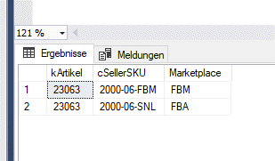

 | SELECT tArtikelEK.kArtikel ,tArtikelEK.cArtNr,tArtikelEK.fEKNetto, FBA.cSellerSKU FROM [eazybusiness].[dbo].[tArtikel] as tArtikelEK
 | LEFT JOIN (
 | SELECT ArtMapping.kArtikel
 | ,ArtMapping.cSellerSKU
 |  | ,Case
 |  | When FBA.Marketplace is NULL then 'FBM'
 |  | ELSE FBA.Marketplace
 |  | END as Marketplace
 | FROM [eazybusiness].[dbo].[pf_amazon_angebot_mapping] as ArtMapping
 | LEFT JOIN (
 | SELECT FBA.cSellerSKU,'FBA' as Marketplace FROM [eazybusiness].[dbo].[pf_amazon_angebot_fba] as FBA
 | ) As FBA
 | ON ArtMapping.cSellerSKU = FBA.cSellerSKU

 | where Marketplace = 'FBA'
 | ) as FBA
 | ON tArtikelEK.kArtikel = FBA.kArtikel

 | where cArtNr = '2000-06-FBM'

 | SELECT
 | ROW_NUMBER() OVER(PARTITION BY Invoice.InvoiceNumber ORDER BY Invoice.InvoiceNumber ASC) as Rownum
 | ,Invoice.InvoiceNumber As Belegnummer
 | ,FORMAT( Invoice.CreationDate, 'd', 'de-de' ) 'Datum'
 | ,Invoice.ExternalSalesOrderNumbers As Bestellnummer
 |  | ,cast('Order' as char) as 'Belegname'
 |  | ,Plattform.cName
 |  | ,settposSKU.SKU
 |  | ,Cast(settpos1.Amount as decimal(10,2)) as 'Order/ItemPrice/Principal'
 |  | ,Cast(settpos1.Amount/119*19 as decimal(10,2))*-1 as Vat
 |  | ,cast(tArtikelEK.fEKNetto as decimal(10,2))*-1 as EKN
 |  | ,settpos2.Amount

 | ------------------------------------------------------------------
 | FROM [eazybusiness].[Report].[Invoice] as Invoice
 |  | LEFT JOIN [eazybusiness].[dbo].[tBestellung] as bestellung
 |  | ON Invoice.InternalId = bestellung.tRechnung_kRechnung
 |  | LEFT JOIN [eazybusiness].dbo.tPlattform AS Plattform
 | ON Bestellung.nPlatform = Plattform.nPlattform

 | -----------------------------
 | --Order/ItemPrice/Principal--
 | LEft JOIN (
 | SELECT ROW_NUMBER() OVER(PARTITION BY OrderItemCode ORDER BY OrderItemCode ASC) as Rownr1
 | ,OrderItemCode
 |  | ,OrderID
 |  | ,settpos1.[TransactionType]+'/'+[AmountType]+'/'+[AmountDescription] as Descript
 | ,settpos1.[Amount]
 | FROM [eazybusiness].[dbo].[pf_amazon_settlementpos] as settpos1
 | where settpos1.[TransactionType]+'/'+[AmountType]+'/'+[AmountDescription] = 'Order/ItemPrice/Principal'
 | ) as settpos1

 | ON Invoice.ExternalSalesOrderNumbers = settpos1.OrderID

 | -----------------------------
 | --SKU--

 | LEFT JOIN (
 | select OrderID ,SKU FROM [eazybusiness].[dbo].[pf_amazon_settlementpos] as settposSKU Group by orderID, SKU
 | ) as settposSKU
 | ON Invoice.ExternalSalesOrderNumbers = settposSKU.OrderID

 | ---------------------------------
 | --EK--
 | LEFT JOIN (

 | SELECT
 | bestellpos.tArtikel_kArtikel
 | ,bestellpos.cOrderItemId
 |  | ,tArtikelEK.cArtNr
 |  | ,tArtikelEK.fEKNetto
 | FROM [eazybusiness].[dbo].[tbestellpos] as bestellpos

 | LEFT JOIN (
 | SELECT kArtikel ,cArtNr,fEKNetto FROM [eazybusiness].[dbo].[tArtikel] as tArtikelEK
 | ) as tArtikelEK
 | On bestellpos.tArtikel_kArtikel = tArtikelEK.kArtikel

 | -- where bestellpos.[cOrderItemId] = '25918105087963'
 | Group by
 | tArtikel_kArtikel
 | ,cOrderItemId
 |  | ,tArtikelEK.cArtNr
 |  | ,tArtikelEK.fEKNetto

 | )as tArtikelEK

 | ON settpos1.OrderItemCode = tArtikelEK.cOrderItemId

 | ------------------------------------
 | --Order/ItemPrice/Shipping--

 | LEFT JOIN (
 |  |  | SELECT
 |  |  |  | ROW_NUMBER() OVER(PARTITION BY OrderItemCode ORDER BY OrderItemCode ASC) as Rownr2
 |  |  |  | ,settpos.orderID
 |  |  |  | ,settpos.[TransactionType]+'/'+[AmountType]+'/'+[AmountDescription] as Descript
 |  |  |  | ,settpos.[Amount]
 |  |  |  | ,settpos.OrderItemCode
 |  |  | FROM [eazybusiness].[dbo].[pf_amazon_settlementpos] as settpos
 |  |  | where settpos.[TransactionType]+'/'+[AmountType]+'/'+[AmountDescription] = 'Order/ItemPrice/Shipping'

 | ) as settpos2
 | ON Invoice.ExternalSalesOrderNumbers = settpos2.OrderID
 | and settpos1.rownr1 = settpos2.rownr2

 | --------------------------------------

 | where Invoice.ExternalSalesOrderNumbers ='302-4290327-3603562'

