9. Reservations-OneFieldValue
ReservationId | GuestId | Adults | Children | StartDate | EndDate | TotalCost
1 | 2 | 1 | 0 | 2023-02-02 | 2023-02-04 | 299.98
2 | 3 | 2 | 1 | 2023-02-05 | 2023-02-10 | 999.95
3 | 4 | 2 | 0 | 2023-02-22 | 2023-02-24 | 349.98
4 | 5 | 2 | 2 | 2023-03-06 | 2023-03-07 | 199.99
5 | 1 | 1 | 1 | 2023-03-17 | 2023-03-20 | 524.97
6 | 6 | 3 | 0 | 2023-03-18 | 2023-03-23 | 924.95
7 | 7 | 2 | 2 | 2023-03-29 | 2023-03-31 | 349.98
8 | 8 | 2 | 0 | 2023-03-31 | 2023-04-05 | 874.95
9 | 9 | 1 | 0 | 2023-04-09 | 2023-04-13 | 799.96
10 | 10 | 1 | 1 | 2023-04-23 | 2023-04-24 | 174.99
11 | 11 | 2 | 4 | 2023-05-30 | 2023-06-02 | 1,199.97
12 | 12 | 2 | 0 | 2023-06-10 | 2023-06-14 | 599.96
13 | 12 | 1 | 0 | 2023-06-10 | 2023-06-14 | 599.96
14 | 6 | 3 | 0 | 2023-06-17 | 2023-06-18 | 184.99
15 | 1 | 2 | 0 | 2023-06-28 | 2023-07-02 | 699.96
16 | 9 | 3 | 1 | 2023-07-13 | 2023-07-14 | 184.99
17 | 10 | 4 | 2 | 2023-07-18 | 2023-07-21 | 1,259.97
18 | 3 | 2 | 1 | 2023-07-28 | 2023-07-29 | 199.99
19 | 3 | 1 | 0 | 2023-08-30 | 2023-09-01 | 349.98
21 | 5 | 2 | 2 | 2023-09-13 | 2023-09-15 | 399.98
20 | 2 | 2 | 0 | 2023-09-16 | 2023-09-17 | 149.99
22 | 4 | 2 | 2 | 2023-11-22 | 2023-11-25 | 1,199.97
23 | 2 | 2 | 0 | 2023-11-22 | 2023-11-25 | 449.97
24 | 2 | 2 | 2 | 2023-11-22 | 2023-11-25 | 599.97
25 | 11 | 2 | 0 | 2023-12-24 | 2023-12-28 | 699.96

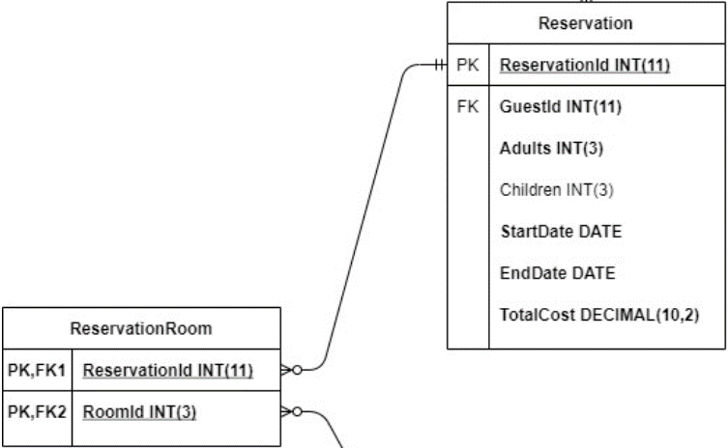
ReservationRoom
ReservationId | RoomId
1 | 308
2 | 203
3 | 305
4 | 201
5 | 307
6 | 302
7 | 202
8 | 304
9 | 301
10 | 207
11 | 401
12 | 206
13 | 208
14 | 304
15 | 205
16 | 204
17 | 401
18 | 303
19 | 305
20 | 208
21 | 203
22 | 401
23 | 206
24 | 301
25 | 302

8. Guests-OneFieldValue
Guest
GuestId | FirstName | LastName | Address | City | StateAbbr | PostalCode | Phone
1 | Dmitry | Volodkevich | 2 Neal Way | Framingham | MA | 01701 | (617)230-2068
2 | Mack | Simmer | 379 Old Shore Street | Council Bluffs | IA | 51501 | (291)553-0508
3 | Bettyann | Seery | 750 Wintergreen Dr. | Wasilla | AK | 99654 | (478)277-9632
4 | Duane | Cullison | 9662 Foxrun Lane | Harlingen | TX | 78552 | (308)494-0198
5 | Karie | Yang | 9378 W. Augusta Ave. | West Deptford | NJ | 08096 | (214)730-0298
6 | Aurore | Lipton | 762 Wild Rose Street | Saginaw | MI | 48601 | (377)507-0974
7 | Zachery | Luechtefeld | 7 Poplar Dr. | Arvada | CO | 80003 | (814)485-2615
8 | Jeremiah | Pendergrass | 70 Oakwood St. | Zion | IL | 60099 | (279)491-0960
9 | Walter | Holaway | 7556 Arrowhead St. | Cumberland | RI | 02864 | (446)396-6785
10 | Wilfred | Vise | 77 West Surrey Street | Oswego | NY | 13126 | (834)727-1001
11 | Maritza | Tilton | 939 Linda Rd. | Burke | VA | 22015 | (446)351-6860
12 | Joleen | Tison | 87 Queen St. | Drexel Hill | PA | 19026 | (231)893-2755

 |  |  |  |  |  | State
 |  |  |  |  |  | StateAbbr | Name
 |  |  |  |  |  | MA | Massachusetts
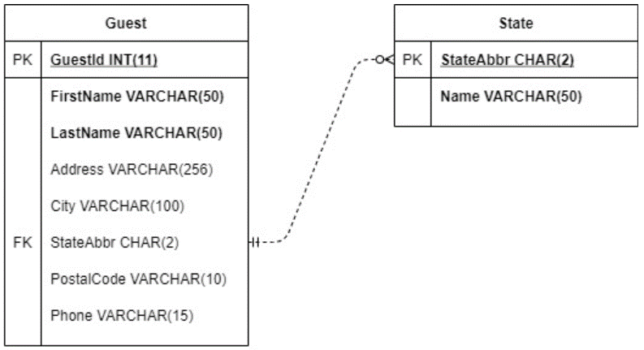
 |  |  |  |  |  | IA | Iowa
 |  |  |  |  |  | AK | Alaska
 |  |  |  |  |  | TX | Texas
 |  |  |  |  |  | NJ | New Jersey
 |  |  |  |  |  | MI | Michigan
 |  |  |  |  |  | CO | Colorado
 |  |  |  |  |  | IL | Illinois
 |  |  |  |  |  | RI | Rhode Island
 |  |  |  |  |  | NY | New York
 |  |  |  |  |  | VA | Virginia
 |  |  |  |  |  | PA | Pennsylvania

7. RoomData-OneFieldValue
Room
RoomId | Type | ADAAccessible | StandardOccupancy | MaximumOccupancy | BasePrice | Extra Person
201 | Double | No | 2 | 4 | 199.99 | 10.00
202 | Double | Yes | 2 | 4 | 174.99 | 10.00
203 | Double | No | 2 | 4 | 199.99 | 10.00
204 | Double | Yes | 2 | 4 | 174.99 | 10.00
205 | Single | No | 2 | 2 | 174.99 | NULL
206 | Single | Yes | 2 | 2 | 149.99 | NULL
207 | Single | No | 2 | 2 | 174.99 | NULL
208 | Single | Yes | 2 | 2 | 149.99 | NULL
301 | Double | No | 2 | 4 | 199.99 | 10.00 | RoomAmenity
302 | Double | Yes | 2 | 4 | 174.99 | 10.00 | RoomId | AmenityId
303 | Double | No | 2 | 4 | 199.99 | 10.00 | 201 | 1
304 | Double | Yes | 2 | 4 | 174.99 | 10.00 | 201 | 2
305 | Single | No | 2 | 2 | 174.99 | NULL | 202 | 3
306 | Single | Yes | 2 | 2 | 149.99 | NULL | 203 | 1
307 | Single | No | 2 | 2 | 174.99 | NULL | 203 | 2
308 | Single | Yes | 2 | 2 | 149.99 | NULL | 204 | 3
401 | Suite | Yes | 3 | 8 | 399.99 | 20.00 | 205 | 1
402 | Suite | Yes | 3 | 8 | 399.99 | 20.00 | 205 | 2
 |  |  |  |  |  |  | 205 | 3
 |  |  |  | Amenity |  |  | 206 | 1
 |  |  |  | AmenityId | AmenityName |  | 206 | 3
 |  |  |  | 1 | Microwave |  | 207 | 1
 |  |  |  | 2 | Jacuzzi |  | 207 | 2
 |  |  |  | 3 | Refrigerator |  | 207 | 3
 |  |  |  | 4 | Oven |  | 208 | 1
 |  |  |  |  |  |  | 208 | 3
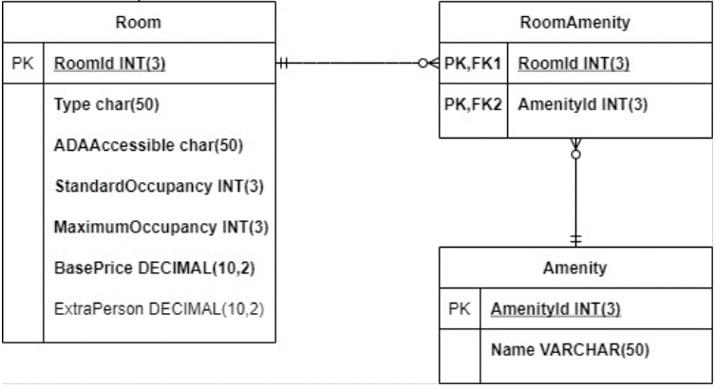
 |  |  |  |  |  |  | 301 | 1
 |  |  |  |  |  |  | 301 | 2
 |  |  |  |  |  |  | 302 | 3
 |  |  |  |  |  |  | 303 | 1
 |  |  |  |  |  |  | 303 | 2
 |  |  |  |  |  |  | 304 | 3
 |  |  |  |  |  |  | 305 | 1
 |  |  |  |  |  |  | 305 | 2
 |  |  |  |  |  |  | 305 | 3
 |  |  |  |  |  |  | 306 | 1
 |  |  |  |  |  |  | 306 | 3
 |  |  |  |  |  |  | 307 | 1
 |  |  |  |  |  |  | 307 | 2
 |  |  |  |  |  |  | 307 | 3
 |  |  |  |  |  |  | 308 | 1
 |  |  |  |  |  |  | 308 | 3
 |  |  |  |  |  |  | 401 | 1
 |  |  |  |  |  |  | 401 | 3
 |  |  |  |  |  |  | 401 | 4
 |  |  |  |  |  |  | 402 | 1
 |  |  |  |  |  |  | 402 | 3
 |  |  |  |  |  |  | 402 | 4

