8. Locations for Hero
 | Superhero Sightings

Superpowers | Organizations |  | Heroes | Locations | Sightings

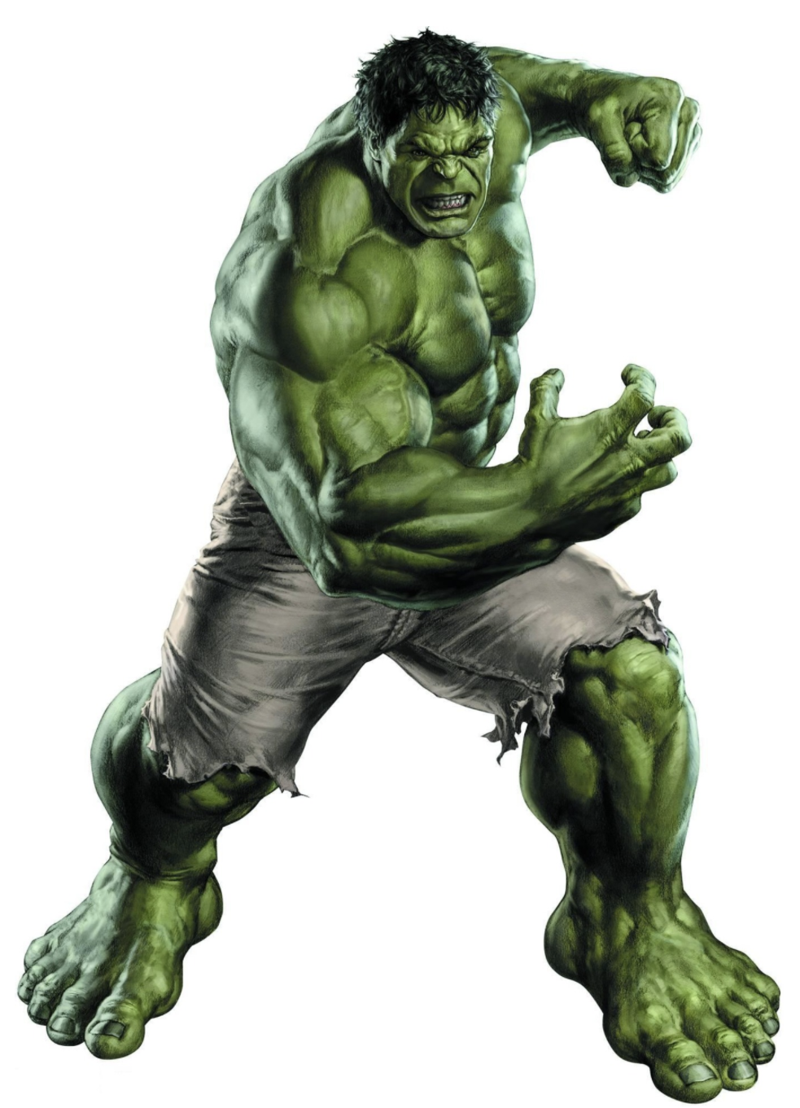

 |  | Hero Name | Hulk
 |  | Location Names | Time Square
 |  |  | Copley Square

