Universities
Universities — Applicants & Tier Breakdown
ALL 175 universities (F_University = degree-granting/affiliating) · every university listed, incl. single-candidate ones

University | Total | Tier 1 | Tier 1+ | Tier 2 | Tier 2+ | Tier 3 | Tier 4
JNTUH | 144 | 10 | 7 | 24 | 17 | 42 | 44
VTU | 32 | 2 | 5 | 7 | 4 | 8 | 6
KL University | 30 | 3 | 1 | 4 | 2 | 5 | 15
JNTUK | 26 | 3 | 3 | 7 | 4 | 3 | 6
VIT | 26 | 4 | 3 | 8 | 2 | 6 | 3
AKTU | 24 | 1 | 2 | 7 | 4 | 8 | 2
Anna University | 18 | 3 | 1 | 6 | 1 | 4 | 3
Osmania University | 16 | 1 | 0 | 1 | 1 | 9 | 4
Savitribai Phule Pune University | 16 | 1 | 4 | 3 | 0 | 5 | 3
GGSIPU | 12 | 0 | 1 | 5 | 1 | 4 | 1
MIT World Peace University | 12 | 3 | 2 | 3 | 0 | 3 | 1
Vivekananda Global University | 12 | 0 | 1 | 4 | 1 | 5 | 1
JNTUA | 11 | 3 | 0 | 4 | 0 | 1 | 3
Indian Institute of Information Technology, Kottayam | 8 | 5 | 2 | 1 | 0 | 0 | 0
MNR University | 8 | 0 | 0 | 4 | 0 | 3 | 1
IIIT Nagpur | 6 | 1 | 0 | 2 | 0 | 3 | 0
MAKAUT | 5 | 0 | 0 | 1 | 0 | 2 | 2
Rajiv Gandhi Proudyogiki Vishwavidyalaya | 5 | 0 | 1 | 0 | 0 | 3 | 1
SRM Institute of Science and Technology | 5 | 1 | 0 | 3 | 0 | 1 | 0
Amrita Vishwa Vidyapeetham | 4 | 1 | 1 | 0 | 0 | 1 | 1
Dr. Babasaheb Ambedkar Technological University | 4 | 0 | 0 | 3 | 0 | 0 | 1
Indian Institute of Information Technology, Nagpur | 4 | 1 | 1 | 1 | 0 | 1 | 0
Manipal University Jaipur | 4 | 1 | 0 | 0 | 1 | 2 | 0
University of Mumbai | 4 | 1 | 1 | 0 | 1 | 0 | 1
Anurag University | 3 | 0 | 1 | 0 | 0 | 1 | 1
Birla Institute of Technology, Mesra | 3 | 0 | 0 | 2 | 1 | 0 | 0
CSVTU | 3 | 2 | 0 | 1 | 0 | 0 | 0
Chandigarh University | 3 | 1 | 1 | 0 | 1 | 0 | 0
GITAM | 3 | 0 | 0 | 1 | 0 | 1 | 1
Graphic Era Hill University | 3 | 0 | 0 | 1 | 0 | 0 | 2
Gujarat Technological University | 3 | 2 | 0 | 0 | 0 | 1 | 0
Indian Institute of Information Technology, Ranchi | 3 | 0 | 0 | 2 | 0 | 1 | 0
JK Lakshmipat University | 3 | 0 | 0 | 3 | 0 | 0 | 0
Kalinga Institute of Industrial Technology | 3 | 0 | 0 | 3 | 0 | 0 | 0
Malla Reddy University | 3 | 1 | 0 | 2 | 0 | 0 | 0
RGPV | 3 | 0 | 0 | 1 | 2 | 0 | 0
Rajiv Gandhi University of Knowledge Technologies | 3 | 1 | 0 | 0 | 0 | 1 | 1
SRM | 3 | 1 | 0 | 2 | 0 | 0 | 0
University of Madras | 3 | 1 | 0 | 0 | 0 | 2 | 0
Amity University | 2 | 0 | 0 | 1 | 1 | 0 | 0
Bennett University | 2 | 0 | 1 | 0 | 1 | 0 | 0
Chhattisgarh Swami Vivekanand Technical University | 2 | 1 | 0 | 0 | 0 | 1 | 0
Chitkara University | 2 | 0 | 0 | 0 | 0 | 2 | 0
Galgotias University | 2 | 0 | 1 | 0 | 0 | 1 | 0
ICFAI University | 2 | 0 | 0 | 1 | 0 | 1 | 0
Indian Institute of Information Technology, Bhopal | 2 | 1 | 0 | 1 | 0 | 0 | 0
Indian Institute of Information Technology, Design and Manufacturing, Jabalpur | 2 | 0 | 0 | 0 | 0 | 2 | 0
Indian Institute of Information Technology, Manipur | 2 | 0 | 1 | 0 | 0 | 1 | 0
Indraprastha Institute of Information Technology, Delhi | 2 | 0 | 1 | 0 | 0 | 1 | 0
Jaypee Institute of Information Technology | 2 | 0 | 1 | 0 | 1 | 0 | 0
KIIT | 2 | 1 | 0 | 1 | 0 | 0 | 0
Lovely Professional University | 2 | 0 | 0 | 1 | 0 | 1 | 0
Madhav Institute of Technology and Science | 2 | 0 | 0 | 0 | 0 | 1 | 1
Mahindra University | 2 | 1 | 0 | 0 | 0 | 1 | 0
Mody University of Science and Technology | 2 | 0 | 0 | 0 | 0 | 1 | 1
National Institute of Technology, Andhra Pradesh | 2 | 1 | 0 | 0 | 0 | 0 | 1
National Institute of Technology, Hamirpur | 2 | 1 | 0 | 0 | 0 | 0 | 1
National Institute of Technology, Patna | 2 | 0 | 1 | 1 | 0 | 0 | 0
National Institute of Technology, Silchar | 2 | 0 | 0 | 1 | 0 | 0 | 1
North Maharashtra University | 2 | 0 | 0 | 0 | 0 | 2 | 0
PES University | 2 | 0 | 0 | 0 | 1 | 0 | 1
Parul University | 2 | 0 | 0 | 1 | 0 | 1 | 0
SASTRA | 2 | 1 | 0 | 0 | 0 | 1 | 0
SNDT Women's University | 2 | 0 | 0 | 0 | 0 | 2 | 0
SR University | 2 | 0 | 0 | 1 | 1 | 0 | 0
Sanskriti University | 2 | 0 | 0 | 0 | 0 | 2 | 0
University of Delhi | 2 | 0 | 0 | 0 | 0 | 1 | 1
Vel Tech Rangarajan Dr. Sagunthala R&D Institute of Science and Technology | 2 | 0 | 0 | 0 | 0 | 0 | 2
AMET University | 1 | 0 | 0 | 0 | 0 | 0 | 1
Andhra University | 1 | 0 | 0 | 0 | 0 | 1 | 0
Assam Down Town University | 1 | 0 | 0 | 0 | 0 | 1 | 0
BIT Mesra | 1 | 0 | 0 | 1 | 0 | 0 | 0
Banasthali Vidyapith | 1 | 0 | 0 | 0 | 0 | 1 | 0
Bangalore University | 1 | 0 | 0 | 1 | 0 | 0 | 0
Bharathiar University | 1 | 0 | 1 | 0 | 0 | 0 | 0
Bharati Vidyapeeth Deemed University | 1 | 0 | 0 | 1 | 0 | 0 | 0
Bihar Engineering University | 1 | 0 | 0 | 0 | 1 | 0 | 0
Bilaspur University | 1 | 0 | 0 | 0 | 0 | 1 | 0
Birla Institute of Technology & Science, Pilani | 1 | 0 | 0 | 0 | 0 | 0 | 1
Birla Institute of Technology and Science, Pilani | 1 | 0 | 0 | 0 | 1 | 0 | 0
C. V. Raman Global University | 1 | 0 | 0 | 0 | 0 | 1 | 0
Career Point University | 1 | 1 | 0 | 0 | 0 | 0 | 0
Charotar University of Science and Technology | 1 | 1 | 0 | 0 | 0 | 0 | 0
Devi Ahilya Vishwavidyalaya | 1 | 0 | 0 | 0 | 0 | 0 | 1
Dr. B. R. Ambedkar National Institute of Technology, Jalandhar | 1 | 0 | 0 | 0 | 0 | 1 | 0
Dr. Babasaheb Ambedkar Marathwada University | 1 | 0 | 0 | 0 | 0 | 1 | 0
G. H. Raisoni University, Amravati | 1 | 1 | 0 | 0 | 0 | 0 | 0
GLA University | 1 | 0 | 1 | 0 | 0 | 0 | 0
Garden City University | 1 | 0 | 0 | 0 | 1 | 0 | 0
Gautam Buddha University | 1 | 0 | 0 | 1 | 0 | 0 | 0
Guru Nanak Dev University | 1 | 0 | 0 | 0 | 0 | 0 | 1
Himachal Pradesh University | 1 | 0 | 0 | 0 | 0 | 0 | 1
IIIT Bhagalpur | 1 | 0 | 0 | 1 | 0 | 0 | 0
IIIT Kalyani | 1 | 0 | 0 | 0 | 0 | 1 | 0
IIIT Manipur | 1 | 0 | 0 | 1 | 0 | 0 | 0
IIIT Raichur | 1 | 1 | 0 | 0 | 0 | 0 | 0
IIIT Surat | 1 | 0 | 1 | 0 | 0 | 0 | 0
IIITDM Kurnool | 1 | 0 | 0 | 0 | 0 | 1 | 0
IILM University | 1 | 0 | 0 | 1 | 0 | 0 | 0
IIT (ISM) Dhanbad | 1 | 0 | 0 | 0 | 0 | 1 | 0
IIT Guwahati | 1 | 0 | 0 | 0 | 0 | 1 | 0
IIT Patna | 1 | 0 | 1 | 0 | 0 | 0 | 0
Indian Institute of Information Technology, Bhagalpur | 1 | 0 | 0 | 0 | 0 | 1 | 0
Indian Institute of Information Technology, Design and Manufacturing, Kancheepuram | 1 | 0 | 0 | 0 | 1 | 0 | 0
Indian Institute of Information Technology, Design and Manufacturing, Kurnool | 1 | 1 | 0 | 0 | 0 | 0 | 0
Indian Institute of Information Technology, Kalyani | 1 | 0 | 0 | 1 | 0 | 0 | 0
Indian Institute of Information Technology, Kota | 1 | 0 | 1 | 0 | 0 | 0 | 0
Indian Institute of Information Technology, Lucknow | 1 | 0 | 0 | 1 | 0 | 0 | 0
Indian Institute of Information Technology, Pune | 1 | 0 | 0 | 0 | 0 | 0 | 1
Indian Institute of Information Technology, Sri City | 1 | 1 | 0 | 0 | 0 | 0 | 0
Indian Institute of Information Technology, Tiruchirappalli | 1 | 0 | 0 | 0 | 1 | 0 | 0
Indian Institute of Technology Bhilai | 1 | 0 | 0 | 1 | 0 | 0 | 0
Indian Institute of Technology Dharwad | 1 | 1 | 0 | 0 | 0 | 0 | 0
Indian Institute of Technology Hyderabad | 1 | 0 | 0 | 0 | 0 | 1 | 0
Indian Institute of Technology, Madras | 1 | 1 | 0 | 0 | 0 | 0 | 0
Indian Institute of Technology, Patna | 1 | 0 | 0 | 1 | 0 | 0 | 0
Integral University | 1 | 0 | 0 | 0 | 0 | 1 | 0
International Institute of Information Technology, Bhubaneswar | 1 | 0 | 0 | 0 | 0 | 1 | 0
International Institute of Information Technology, Naya Raipur | 1 | 0 | 0 | 1 | 0 | 0 | 0
J.C. Bose University of Science and Technology, YMCA | 1 | 0 | 0 | 0 | 1 | 0 | 0
Jadavpur University | 1 | 0 | 1 | 0 | 0 | 0 | 0
Jamia Hamdard | 1 | 1 | 0 | 0 | 0 | 0 | 0
Jaypee University of Engineering & Technology | 1 | 0 | 0 | 0 | 0 | 1 | 0
K.R. Mangalam University | 1 | 0 | 0 | 1 | 0 | 0 | 0
KIIT University | 1 | 1 | 0 | 0 | 0 | 0 | 0
KLE Technological University | 1 | 1 | 0 | 0 | 0 | 0 | 0
Kakatiya University | 1 | 0 | 0 | 1 | 0 | 0 | 0
Karnatak University, Dharwad | 1 | 0 | 0 | 0 | 0 | 1 | 0
Kavayitri Bahinabai Chaudhari North Maharashtra University | 1 | 0 | 0 | 0 | 0 | 1 | 0
Khwaja Moinuddin Chishti Language University | 1 | 0 | 0 | 0 | 0 | 1 | 0
Kumaun University | 1 | 1 | 0 | 0 | 0 | 0 | 0
LNCT University | 1 | 0 | 0 | 0 | 1 | 0 | 0
MIT Art, Design and Technology University | 1 | 0 | 0 | 0 | 0 | 1 | 0
MJP Rohilkhand University | 1 | 0 | 0 | 1 | 0 | 0 | 0
MNIT Jaipur | 1 | 0 | 0 | 0 | 0 | 1 | 0
Madan Mohan Malaviya University of Technology | 1 | 0 | 0 | 0 | 0 | 1 | 0
Maharishi Markandeshwar University | 1 | 0 | 0 | 1 | 0 | 0 | 0
Maharshi Dayanand University | 1 | 1 | 0 | 0 | 0 | 0 | 0
Mahatma Gandhi University, Kottayam | 1 | 0 | 0 | 0 | 0 | 1 | 0
Malaviya National Institute of Technology, Jaipur | 1 | 0 | 1 | 0 | 0 | 0 | 0
Manav Rachna International Institute of Research and Studies | 1 | 0 | 0 | 1 | 0 | 0 | 0
Mohan Babu University | 1 | 0 | 0 | 0 | 0 | 0 | 1
NIT Hamirpur | 1 | 0 | 0 | 0 | 0 | 0 | 1
NIT Warangal | 1 | 0 | 0 | 0 | 0 | 0 | 1
National Institute of Technology, Calicut | 1 | 0 | 0 | 0 | 0 | 0 | 1
Nitte (Deemed to be University) | 1 | 0 | 0 | 0 | 0 | 1 | 0
Panjab University, Chandigarh | 1 | 0 | 0 | 0 | 0 | 1 | 0
Plaksha University | 1 | 0 | 0 | 1 | 0 | 0 | 0
Presidency University | 1 | 0 | 1 | 0 | 0 | 0 | 0
Quantum University | 1 | 0 | 0 | 0 | 0 | 0 | 1
Rajasthan Technical University | 1 | 0 | 1 | 0 | 0 | 0 | 0
Rajiv Gandhi Institute of Petroleum Technology | 1 | 0 | 0 | 1 | 0 | 0 | 0
Rashtrasant Tukadoji Maharaj Nagpur University | 1 | 0 | 0 | 1 | 0 | 0 | 0
SVKM's NMIMS (Narsee Monjee Institute of Management Studies) | 1 | 0 | 0 | 1 | 0 | 0 | 0
Sambalpur University | 1 | 0 | 0 | 1 | 0 | 0 | 0
Sandip University | 1 | 0 | 0 | 0 | 0 | 1 | 0
Shivaji University | 1 | 0 | 1 | 0 | 0 | 0 | 0
Shivaji University, Kolhapur | 1 | 0 | 0 | 0 | 0 | 1 | 0
Sikkim Manipal University | 1 | 0 | 0 | 0 | 0 | 0 | 1
Siksha 'O' Anusandhan | 1 | 0 | 0 | 0 | 0 | 0 | 1
Siksha 'O' Anusandhan University | 1 | 1 | 0 | 0 | 0 | 0 | 0
Sir Padampat Singhania University | 1 | 0 | 0 | 0 | 1 | 0 | 0
The LNM Institute of Information Technology | 1 | 0 | 0 | 0 | 0 | 1 | 0
Thiruvalluvar University | 1 | 0 | 0 | 0 | 0 | 1 | 0
Uka Tarsadia University | 1 | 0 | 0 | 1 | 0 | 0 | 0
University of Calicut | 1 | 1 | 0 | 0 | 0 | 0 | 0
University of Kalyani | 1 | 1 | 0 | 0 | 0 | 0 | 0
University of Lucknow | 1 | 0 | 0 | 0 | 0 | 0 | 1
Utkal University | 1 | 0 | 0 | 0 | 0 | 0 | 1
Uttarakhand Technical University | 1 | 0 | 0 | 0 | 0 | 1 | 0
Veer Bahadur Singh Purvanchal University | 1 | 0 | 0 | 0 | 0 | 1 | 0
Vidyasagar University | 1 | 0 | 0 | 0 | 0 | 1 | 0
Vignan's Foundation for Science, Technology and Research | 1 | 0 | 0 | 0 | 0 | 1 | 0
Woxsen University | 1 | 0 | 0 | 0 | 0 | 1 | 0
Unknown | 1 | 0 | 0 | 0 | 0 | 0 | 1

Top 15 Universities by Tier
 | Tier 1 | Tier 1+ | Tier 2 | Tier 2+ | Tier 3 | Tier 4

Dashboard
AI Builder Intern — Applicant Dashboard
646 applicants · v2 rubric (max 30)

Candidates by Tier
Candidates by Category

Score Distribution
 | Candidates
Avg Score (% of Max) by Category
 | % of Max

Domain Expertise Distribution
 | Candidates
Deployment Maturity
 | Candidates

Review Insights
Screening Insights — why the funnel works

• The rubric is a Stage-1 profile pre-screen (education, experience, projects, skills). Demo QUALITY can only be judged by watching it — that is the Stage-2 manual gate.
• Of 353 candidates manually reviewed, 0 advanced and 208 were rejected. 73% of rejections were demo / execution issues (no or incomplete demo, or too simple) — NOT profile problems the rubric could have caught.
• The rubric ordering has real lift: top bands (Tier 1/1+) advanced at 33–54% vs 16% for Tier 3 and 0% for Tier 4 — so reviewing top-down was ~3× more efficient than random.
• Takeaway: rejected Tier-1s reflect the demo gate doing its job, not a broken rubric. The rubric decides WHO to watch first; the demo decides who advances.

Screening Funnel
 | Candidates
Advance Rate by Tier (rubric lift)
 | Advance rate %

Why candidates were rejected

 |  |  |  |  | 73% of rejections were demo / execution issues — not profile gaps the rubric could see.

Status by Tier
Tier | Total | Approved | Rejected | To Review
Tier 1 | 77 | 0 | 36 | 41
Tier 1+ | 54 | 0 | 24 | 30
Tier 2 | 148 | 0 | 82 | 66
Tier 2+ | 56 | 0 | 40 | 16
Tier 3 | 182 | 0 | 21 | 161
Tier 4 | 129 | 0 | 5 | 124
TOTAL | 646 | 0 | 208 | 438
Approved = interview priority assigned · Rejected = marked reject · To Review = not yet decided

Geography
Applicant Geography (India)
646 applicants · location mapped to state from the form 'location' field

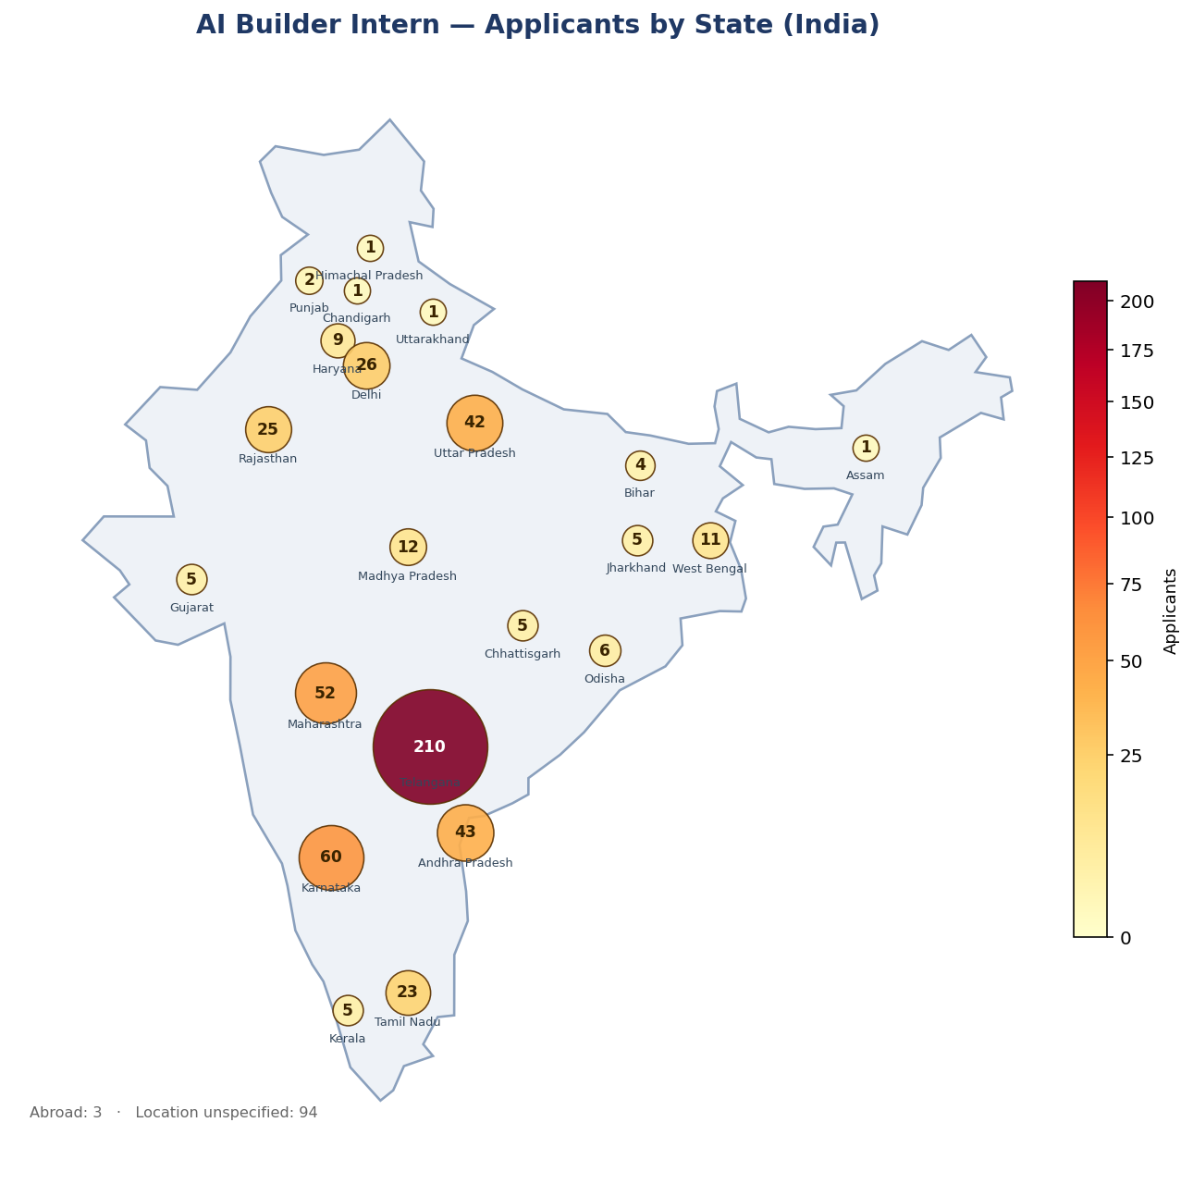
 | State / Region | Applicants
 | Telangana | 210
 | Unknown | 72
 | Karnataka | 60
 | Maharashtra | 52
 | Andhra Pradesh | 43
 | Uttar Pradesh | 42
 | Delhi | 26
 | Rajasthan | 25
 | Tamil Nadu | 23
 | Unknown (India) | 22
 | Madhya Pradesh | 12
 | West Bengal | 11
 | Haryana | 9
 | Odisha | 6
 | Gujarat | 5
 | Jharkhand | 5
 | Chhattisgarh | 5
 | Kerala | 5
 | Bihar | 4
 | Abroad | 3
 | Punjab | 2
 | Uttarakhand | 1
 | Assam | 1
 | Chandigarh | 1
 | Himachal Pradesh | 1

Top States by Applicants
 | Applicants

