Q2
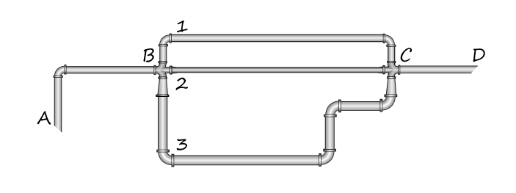
L1 | 2700 | m | Q | 879 | L/s
D1 | 330 | mm
C1 | 150

L2 | 2000 | m
D2 | 240 | mm
C2 | 150

L3 | 2900 | m
D3 | 590 | mm
C3 | 150

Assuming hL=10, find flows for each of the three pipes |  |  |  |  | 10 | m
Q1_10 | 109.96191259 | L/s | Q1 | 147.88312007 | v1 | 1.7290232918 | hlBC1 | 17.302706268 | m
Q2_10 | 55.961123349 | L/s | Q2 | 75.259745203 | v2 | 1.6636056201 | hlBC2 | 17.303121683 | m
Q3_10 | 487.67773418 | L/s | Q3 | 655.85713472 | v3 | 2.3989176663 | hlBC3 | 17.302607353 | m
total_10 | 653.60077012 | L/s | total | 879

