Q12b
AFx | 1.6 | m
APy | 1.125 | m
BPy | 0.5 | m
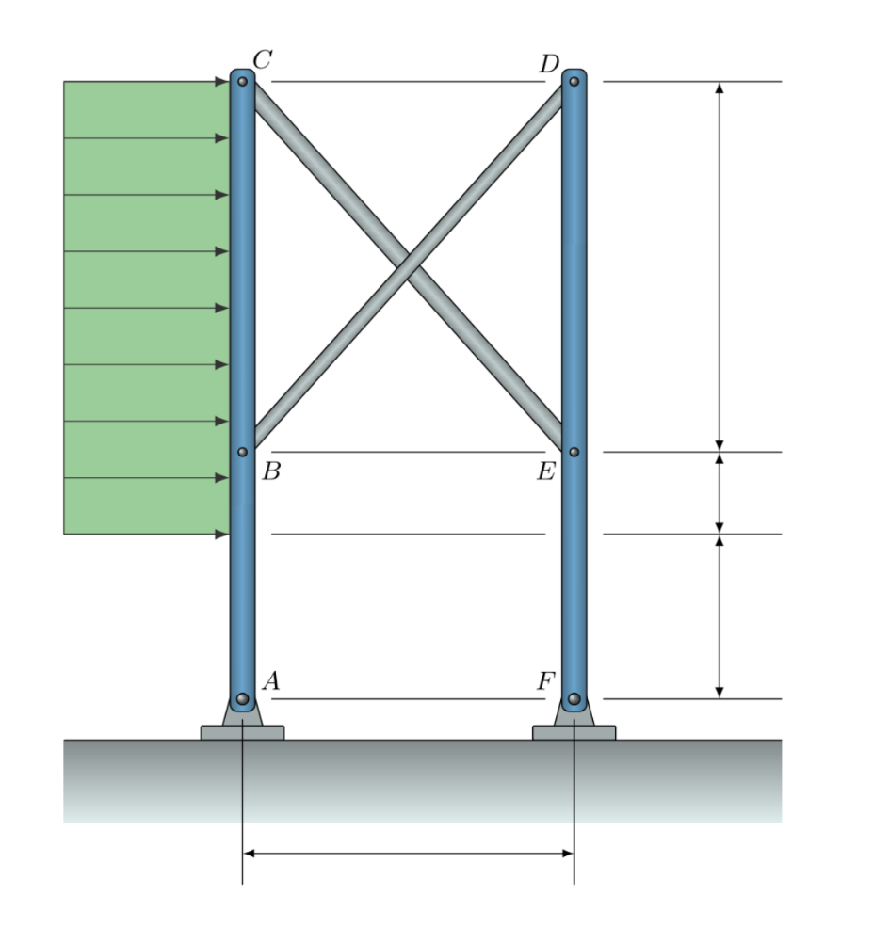
BCy | 2.65 | m
UDL | 3.1 | kN/m

ABy | 1.625 | m
ACy | 4.275 | m
PCy | 3.15 | m
BDtheta | 58.877529803 | deg
W | 9.765 | kN
AWy | 2.7 | m

a11 | 0.83991228593
a12 | 2.2096153984
a21 | 2.2096153984
a22 | 0.83991228593
b1 | -26.3655
b2 | 0

det | -4.1769475607
detX | -22.144707375
detY | 58.257614786

BD | 5.3016484055
CE | -13.947413497

Ax | -5.2962711864 |  | Fx | -4.4687288136 | sumX | 0
Ay | -16.4784375 |  | Fy | 16.4784375 | sumM | 0
RA | 17.308650754 |  | RF | 17.073618235
RAtheta | 252.18227535 |  | RFtheta | 105.17291535

Q16a
AP1y | 1.98 | m
P1By | 1.98 | m
ABx | 3.3 | m
BP2x | 2.05 | m
P2P3x | 2.05 | m
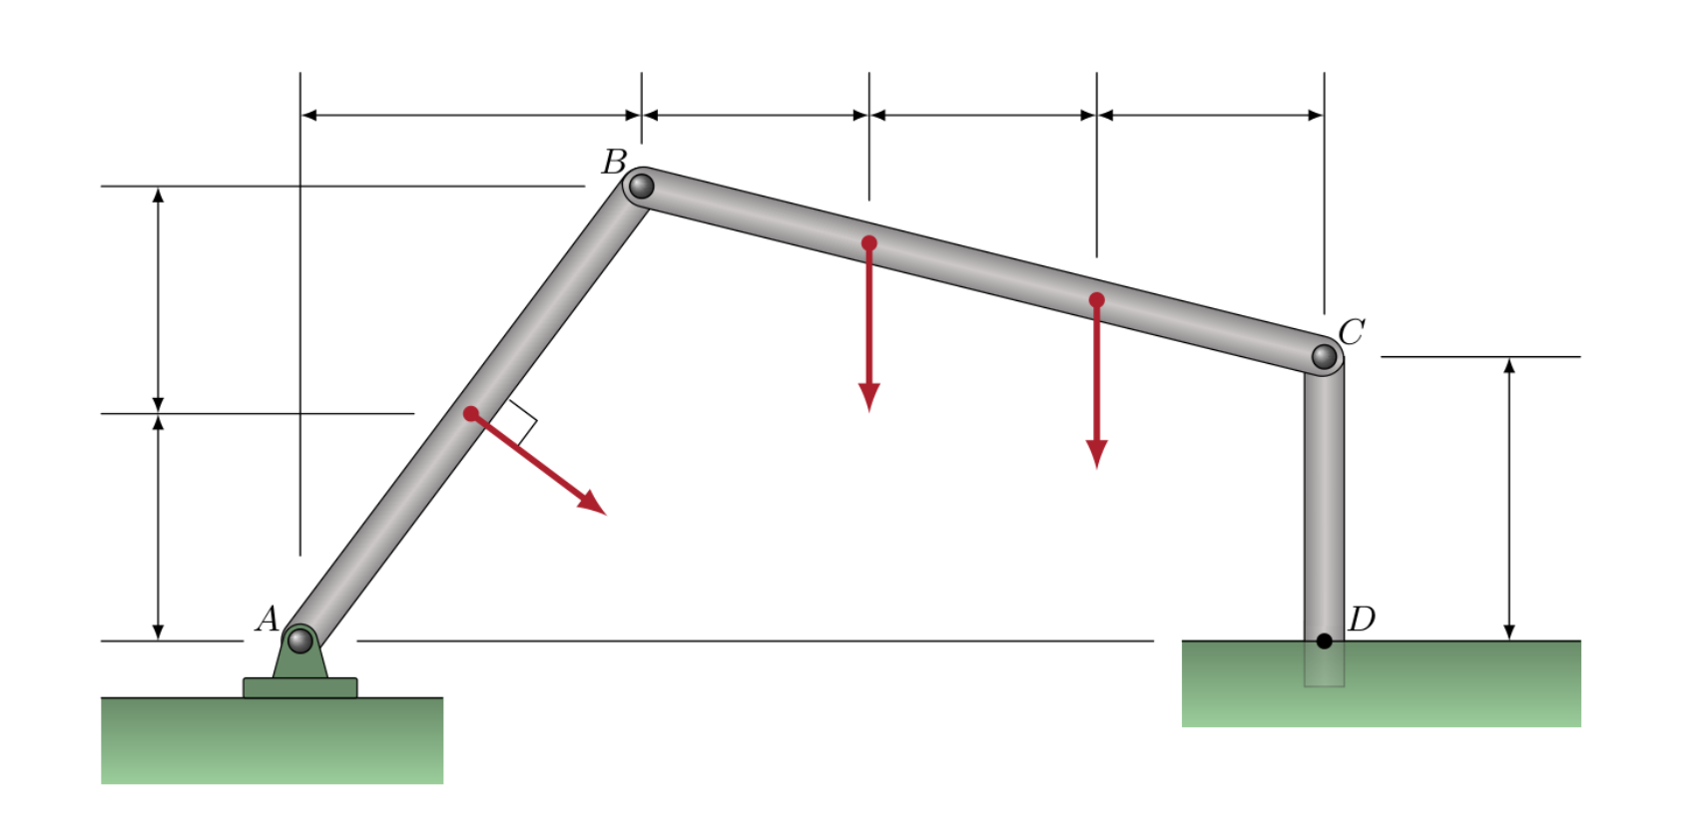
P3Cx | 2.05 | m
CDy | 2.7 | m
P1 | 3.7
P2 | 3.1
P3 | 2.4

BCy | 1.26
BCx | 6.15
BCtheta | 11.578420572

ABy | 3.96
ABtheta | 50.194428908
AB | 5.1547647861

a11 | 3.96
a12 | -3.3
a21 | 1.26 |  | Ax | 1.2550607953
a22 | 6.15 |  | Ay | 4.3958653344
b1 | -9.5363148543 |  | RA | 4.571521589
b2 | -17.63 |  | RAtheta | 74.065458754

det | 28.512 |  | Cx | -4.0974795298
detX | -116.82733635 |  | Cy | 3.4728169443
detY | -57.799043284 |  | RC | 5.3712006131
 |  |  | RCtheta | 139.71707164
Bx | -4.0974795298
By | -2.0271830557 |  | RD | 5.3712006131
RB | 4.571521589 |  | MC | 11.06319473
RBtheta | 206.32339906

Q15a
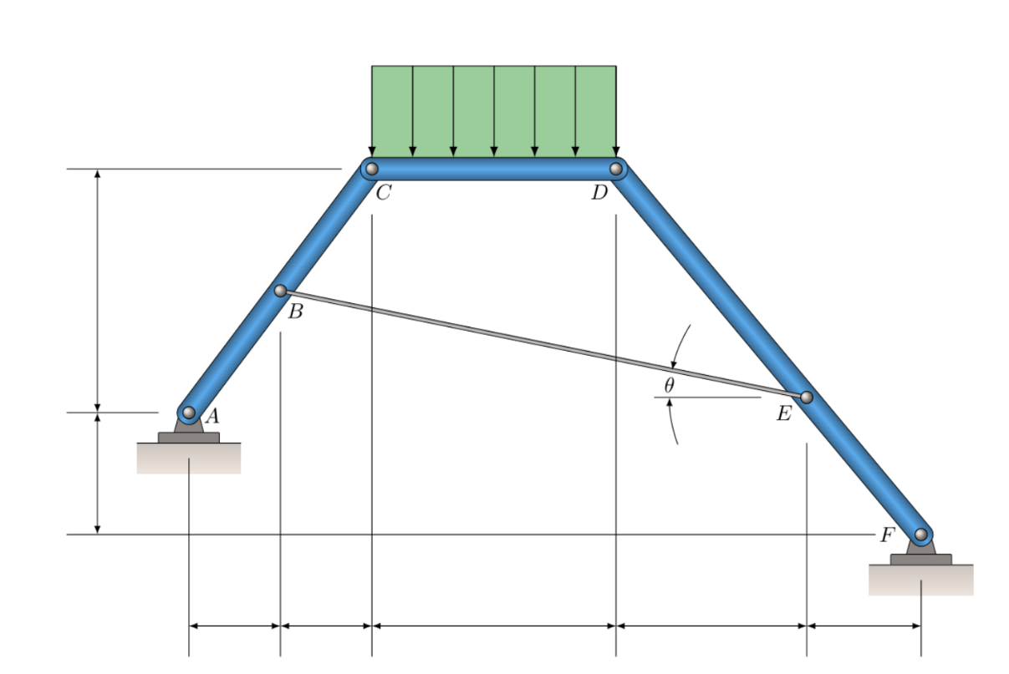
ABx | 1350 | mm
BCx | 1350 | mm
CDx | 3650 | mm
DEx | 2800 | mm
EFx | 1690 | mm
ACy | 3200 | mm
AFy | 1600 | mm
UDL | 5.1 | kN/m

ACx | 2700
DFx | 4490
ABy | 1600
BCy | 1600
DFy | 4800
EFy | 1806.6815145
DEy | 2993.3184855
BEy | 1393.3184855
BEx | 7800

W | 18.615 |  | Cx | -9.7278253175
theta | 10.127955743 |  | RC | 13.463288664
Cy | 9.3075 |  | RD | 13.463288664
Dy | 9.3075
 |  |  | Ax | 6.4696514275
a11 | -1812.4615327 |  | Ay | 9.8895094756
a12 | 3200 |  | RA | 11.8177319
a21 | 1481.3473582
a22 | -4800 |  | Fx | -6.4696514275
b1 | 25130.25 |  | Fy | 8.7254905244
b2 | -41790.675 |  | RF | 10.862346638

det | 3959503.8107 |  | RA2 | 10.844439576
detX | 13104960 |  | T2 | 16.154818365
detY | 38517361.414

T | 3.3097480459
Dx | 9.7278253175

Q14a
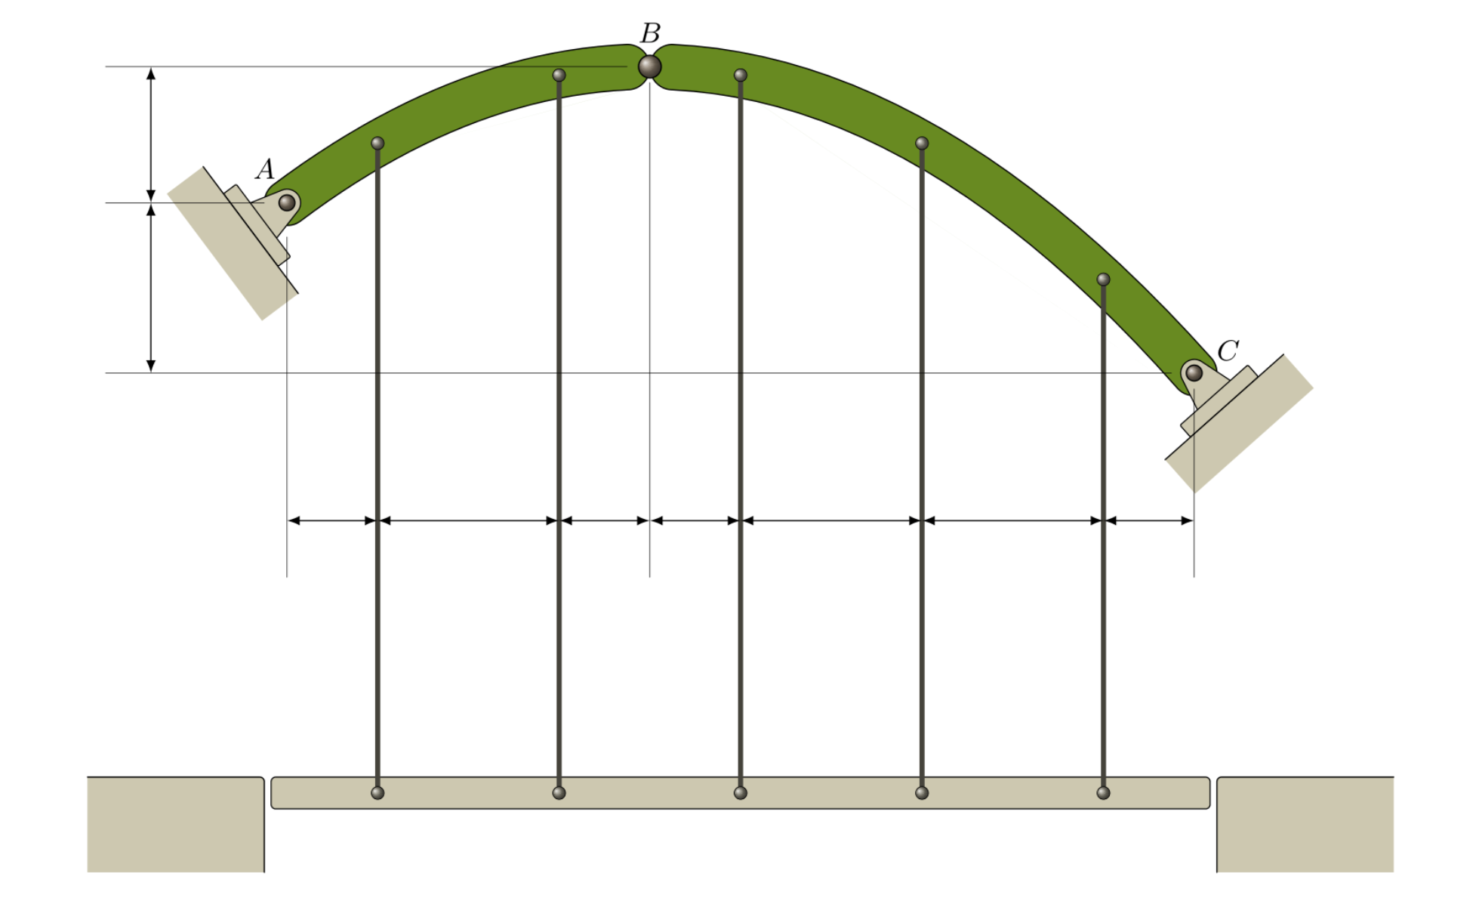
x1 | 2150 | mm
x2 | 4300 | mm
x3 | 2200 | mm
yUpp | 2900 | mm
yLow | 3650 | mm
T | 6 | kN

a11 | -2900
a12 | 8650
a21 | 6550
a22 | 12950
b1 | 51600
b2 | -116100

det | -94212500
detX | 1672485000
detY | -1290000

Bx | -17.752262173
By | 0.013692450577
RB | 17.752267454 | kN

Ax | 17.752262173
Ay | 11.986307549
RA | 21.41995287 | kN

Cx | -17.752262173
Cy | 18.013692451
RC | 25.291024652

Q13a
AW | 1700 | mm
WB | 1700 | mm
BCx | 1740 | mm
BCy | 1370 | mm
CM | 2400 | mm
MD | 1350 | mm
W | 2.85 | kN
M | 4.75 | kN.m
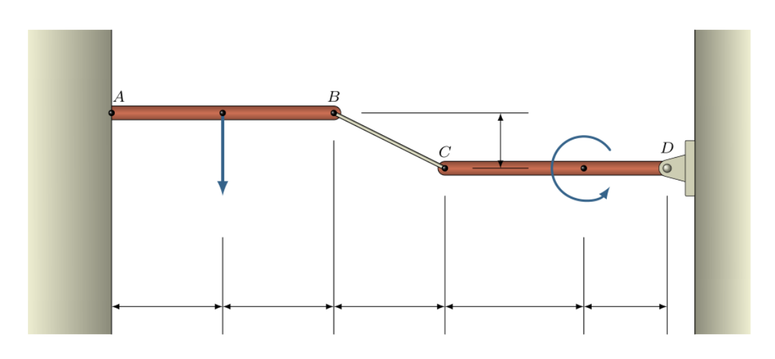
BCtheta | 38.215350615 | deg
TBC | 2.0475718214

Dx | 1.6087591241
Dy | -1.2666666667
RD | 2.0475718214
RDtheta | 321.78464939

Ax | -1.6087591241
Ay | 4.1166666667
RA | 4.4198473236
RAtheta | 111.34514508

MA | 9.1516666667

Q12a
GFx | 870 | mm
FEx | 1780 | mm
BCx | 830 | mm
CDx | 830 | mm
y | 1830 | mm
M | 210 | kg

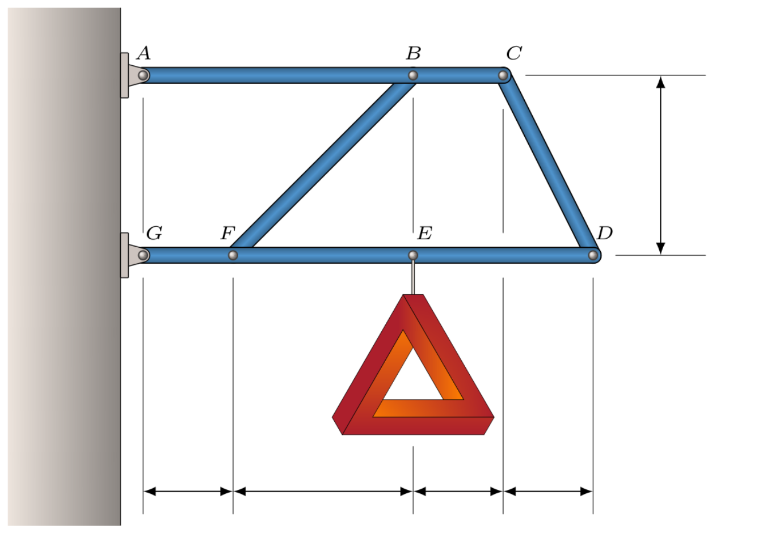
ABx | 2650 | mm
ACx | 3480 | mm
GEx | 2650 | mm
GDx | 4310 | mm

BFtheta | 45.793519615
CDtheta | 65.603241073
W | 2.0601

a11 | 1899.6041398
a12 | 3169.260456
a21 | 623.64362325
a22 | 3925.1472889
b1 | 0
b2 | 5459.265

det | 5479736.9655
detX | -17301832.683
detY | 10370442.394

BF | -3.1574202909 | kN
CD | 1.8925073337 | kN

Ax | -2.983204918
Ay | -0.5398193867
RA | 3.031652446 | kN
RAtheta | 190.25684502 | deg

Gx | 2.983204918 |  | 0
Gy | 2.5999193867
RG | 3.9571571109
RGtheta | 41.072765046

Q11a
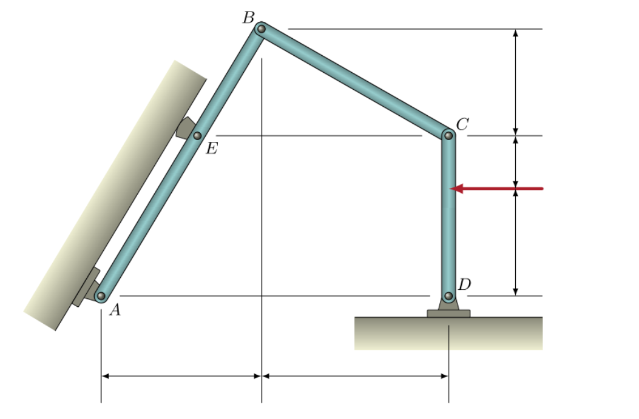
DFy | 1250 | mm
CFy | 660 | mm
BCy | 1320 | mm
ABx | 1880 | mm
BCx | 2350 | mm
P | 3.2 | kN

CDy | 1910
BDy | 3230
ABy | 3230
AEx | 1111.7027864

BCtheta | 29.323014796
ABtheta | 59.798739803

FBC | -2.4020032028

Dx | 1.1057591623
Dy | 1.1763395344
RD | 1.6144590503
RDtheta | 46.77146974

AB | 3737.2851109
AE | 2209.9735485
RE | 4.0615491694
REtheta | 329.7987398

Ax | -1.4160088296
Ay | 0.86677791904
RA | 1.6602364188
RAtheta | 148.52805415

Q10a
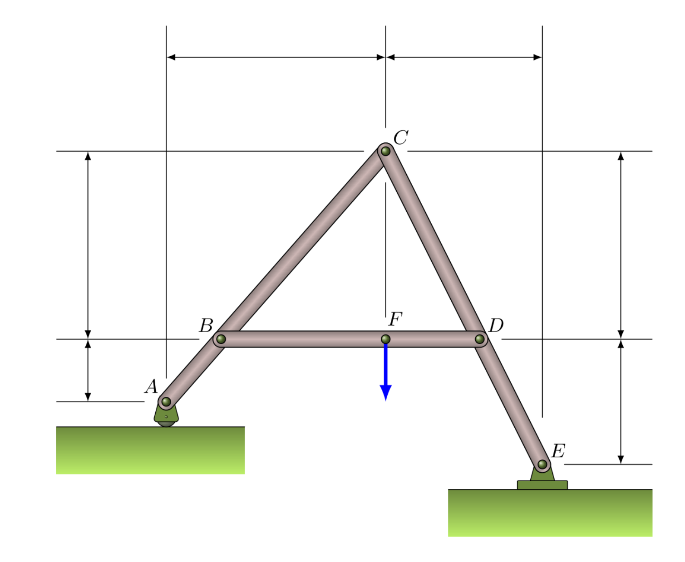
ABy | 630 | mm
DEy | 1230 | mm
BCy | 1950 | mm
CDy | 1950 | mm
ACx | 2400 | mm
CEx | 1590 | mm
F | 4.6 | kN

ABx | 586.04651163 | mm
BCx | 1813.9534884 | mm
CDx | 975 | mm
DEx | 615 | mm

RA | 1.8330827068 | kN

Ex | 0 | kN
Ey | 2.7669172932 | kN
RE | 2.7669172932 | kN

a11 | -1950
a12 | 1813.9534884
a21 | 1950
a22 | 975
b1 | 1074.2717258
b2 | -1701.6541353

det | -5438459.3023
detX | 4134136.3875
detY | 1223395.6985
x | -0.76016683359
y | -0.22495262547
RC | 0.79275298713

Bx | 0.76016683359
By | -1.6081300813
RB | 1.7787456179

Dx | -0.76016683359
Dy | -2.9918699187
RD | 3.0869303888

Q09a
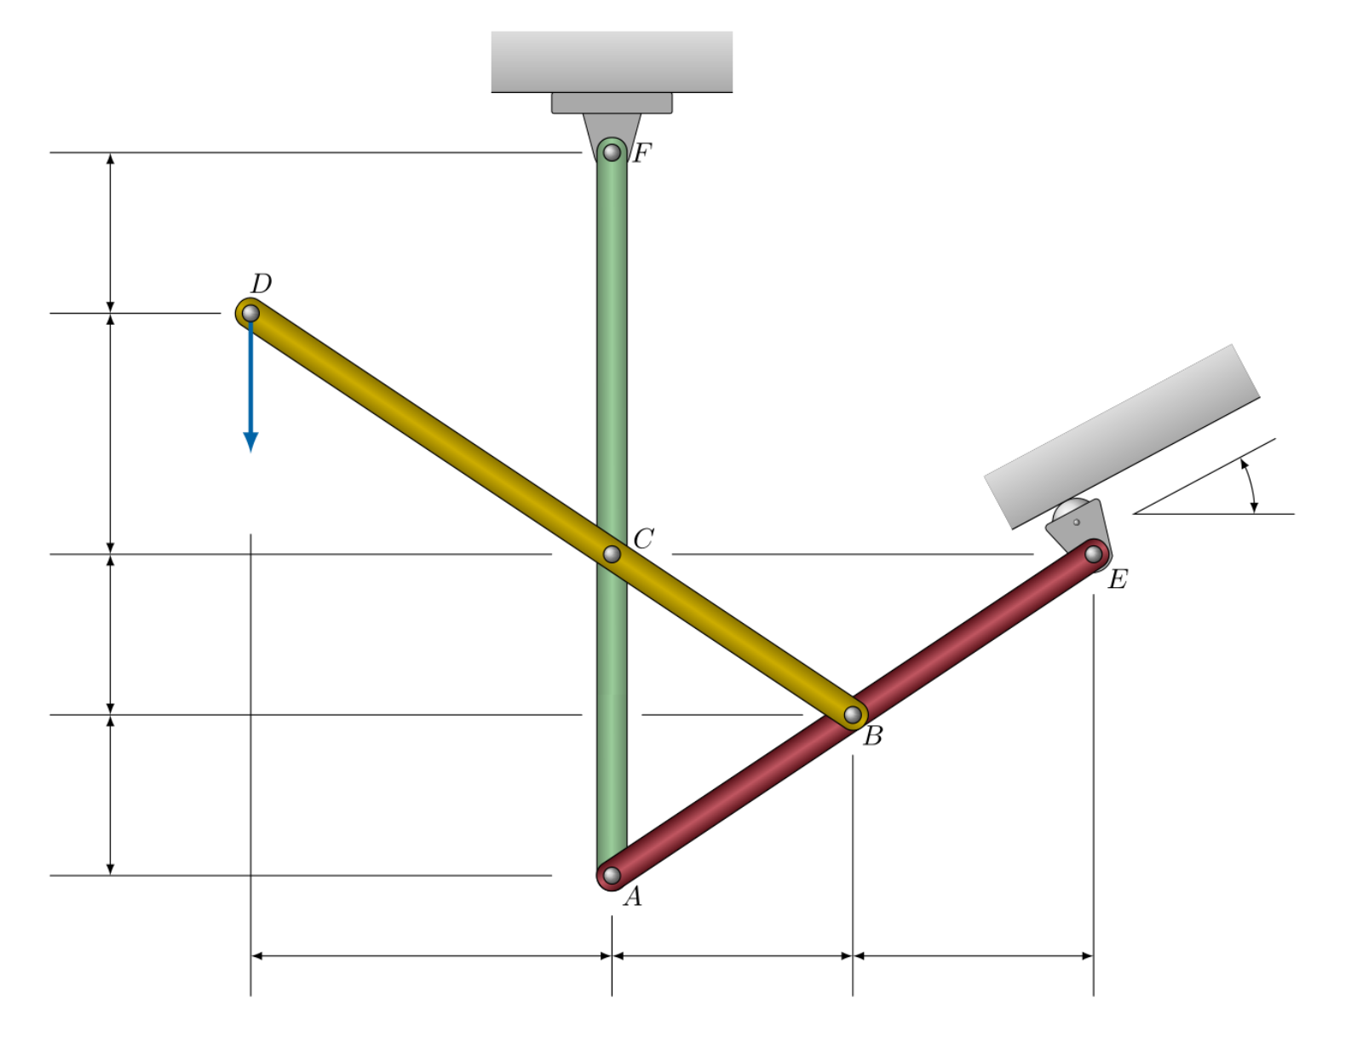
P | 5.2 | kN
theta | 27.7 | deg

ABx | 830 | mm
ABy | 570 | mm
BCx | 830 | mm
BCy | 570 | mm
CDx | 1245 | mm
CDy | 855 | mm
BEx | 830 | mm
BEy | 570 | mm
DFy | 515 | mm

RE | -7.772656953 | kN

Fx | -3.6130577588 | kN
Fy | 12.081860921 | kN
RF | 12.610533283 | kN

Ax | -4.3420080083 | kN
Ay | 6.3812565331 | kN
RA | 7.7183850957 | kN

Cx | 7.9550657671
Cy | -18.463117455
RC | 20.103974172

Bx | -7.9550657671
By | 13.263117455
RB | 15.465877148

Q08a
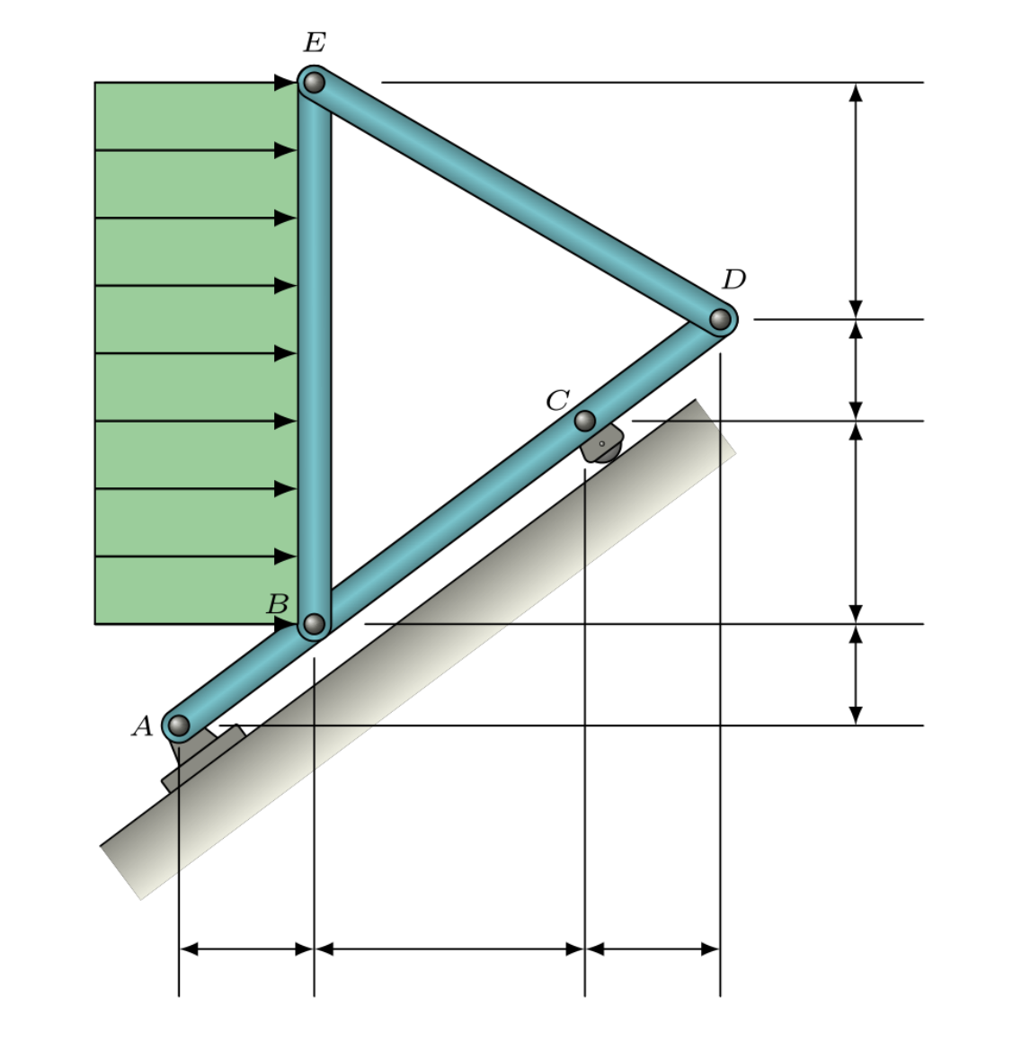
ABx | 1080 | mm
BCx | 2160 | mm
CDx | 1080 | mm
ABy | 700 | mm
BCy | 1400 | mm
CDy | 700 | mm
DEy | 1575 | mm
UDF | 2.8 | kN/m

AC | 3861.0361304 | mm
BEy | 3675 | mm
W | 10.29 | kN

RC | 6.7626601043

ABtheta | 32.949215117
Ax | -6.6118199106
Ay | -5.6749064236
RA | 8.7132499934

DEtheta | 25.924901508
FDE | -5.7206847858

By | -2.5010416667
Bx | 5.145
RB | 5.7206847858

Q07a
Q7a
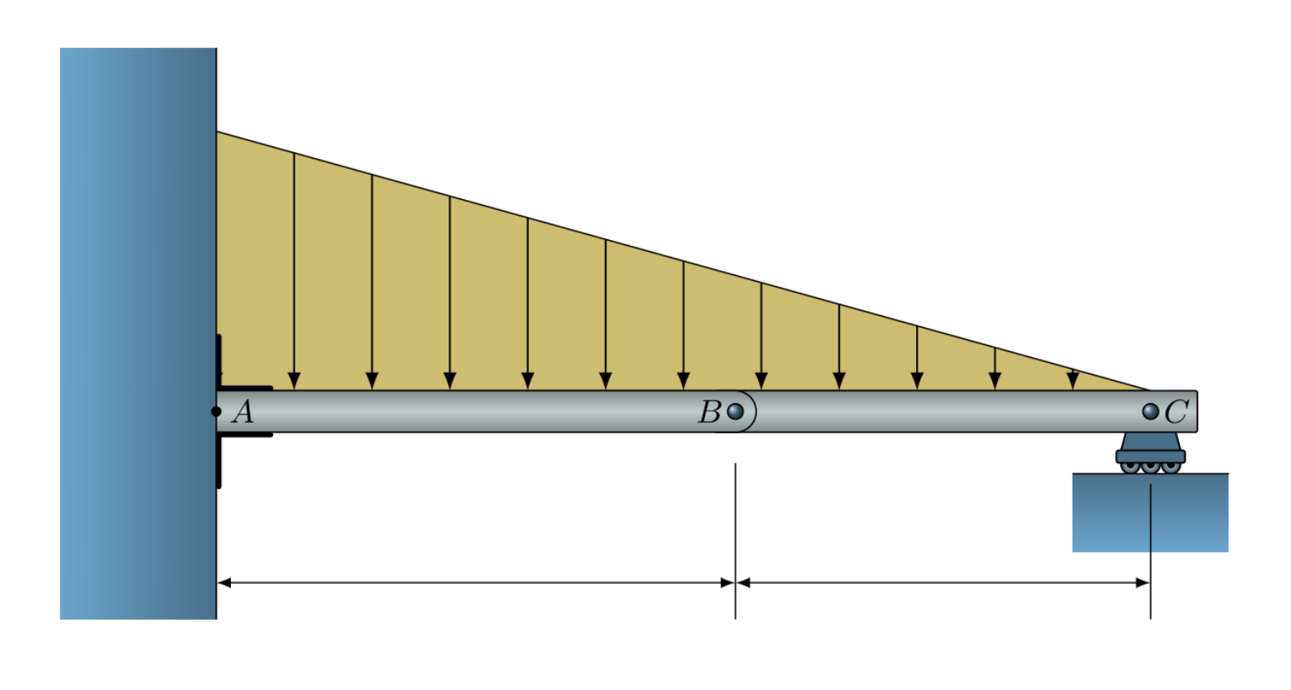
AB | 2.65 | m
BC | 2.2 | m
DL | 3.1 | kN/m

DL2 | 1.406185567 | kN/m
W2 | 1.5468041237 | kN
RC | 0.51560137457 | kN
RB | 1.0312027491 | kN
W1tri | 2.2443041237 | kN
W1rect | 3.7263917526 | kN
RA | 7.0018986254 | kN
MA | 9.652625 | kN.m

Q06a
Q6a

CEy | 350 | mm
CEx | 665 | mm
BEy | 475 | mm
AEx | 665 | mm
ADx | 665 | mm
ADy | 350 | mm
BDy | 475 | mm
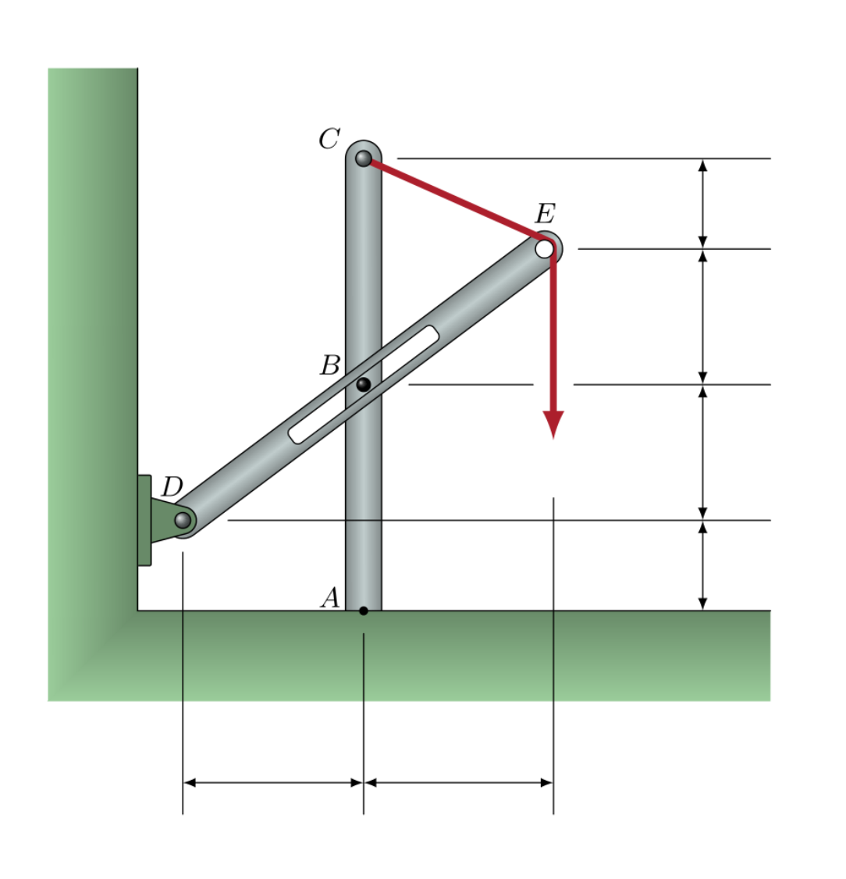
P | 3 | kN

CEtheta | 27.758540601 | deg
RCtheta | 152.2414594 | deg
RC | 3 | kN
REtheta | 31.120729699 | deg
RE | 3.1010585627 | kN
DBlen | 817.22090037 | mm
BDtheta | 35.537677792 | deg
RB | -0.4776495567 | kN
RBtheta | -54.462322208 | deg
RDy | 1.9914401333 | kN
RDx | 2.3771265016 | kN
RD | 3.1010585627 | kN
RDtheta | 39.954625884 | deg
RAy | 1.7859187303 | kN
RAx | 2.3771265016 | kN
RA | 2.9732534564 | kN
RAtheta | 36.917285167 | kN
MA | 4.6093884374 | kN.m

Q05a
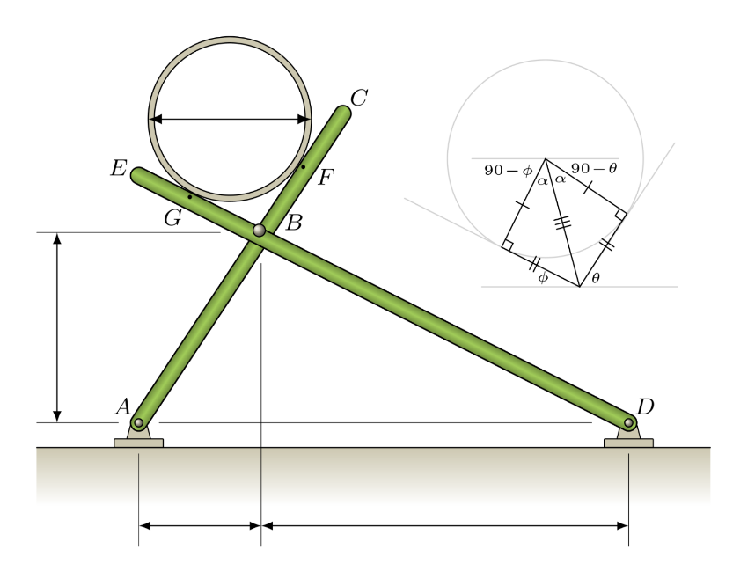
ABx | 370 | mm
ABy | 560 | mm
BDx | 1090 | mm
diam | 425 | mm
mass | 196 | kg

W | 1.92276 | kN
ABtheta | 56.546690546 | deg
BDtheta | 27.192352164 | deg

a11 | -0.83433532066
a12 | 0.45697920377
a21 | 0.55125726544
a22 | 0.88947737876
b1 | 0
b2 | 1.92276

det | -0.99403550026
detX | -0.87866133383
detY | -1.6042265812

RF | 0.8839335553
RG | 1.6138524034
RFtheta | 146.54669055
RGtheta | 62.807647836

alpha | 41.869521355
BF | 190.46139936

AB | 671.19296778
BD | 1225.438697

a2-11 | -560
a2-12 | 370
a2-21 | 560
a2-22 | 1090
b2-1 | -761.64520818
b2-2 | 2285.0537734

detB | -817600
detBx | -1675663.1731
detBy | -853108.79653

Bx | 2.0494901823 |  | Ax | -1.311993196 | Dx | 1.311993196
By | 1.0434305241 |  | Ay | -1.5307053187 | Dy | -0.39205468135
RB | 2.2998167897 |  | RA | 2.0160319737 | RD | 1.3693184508

Q04a
Q4a
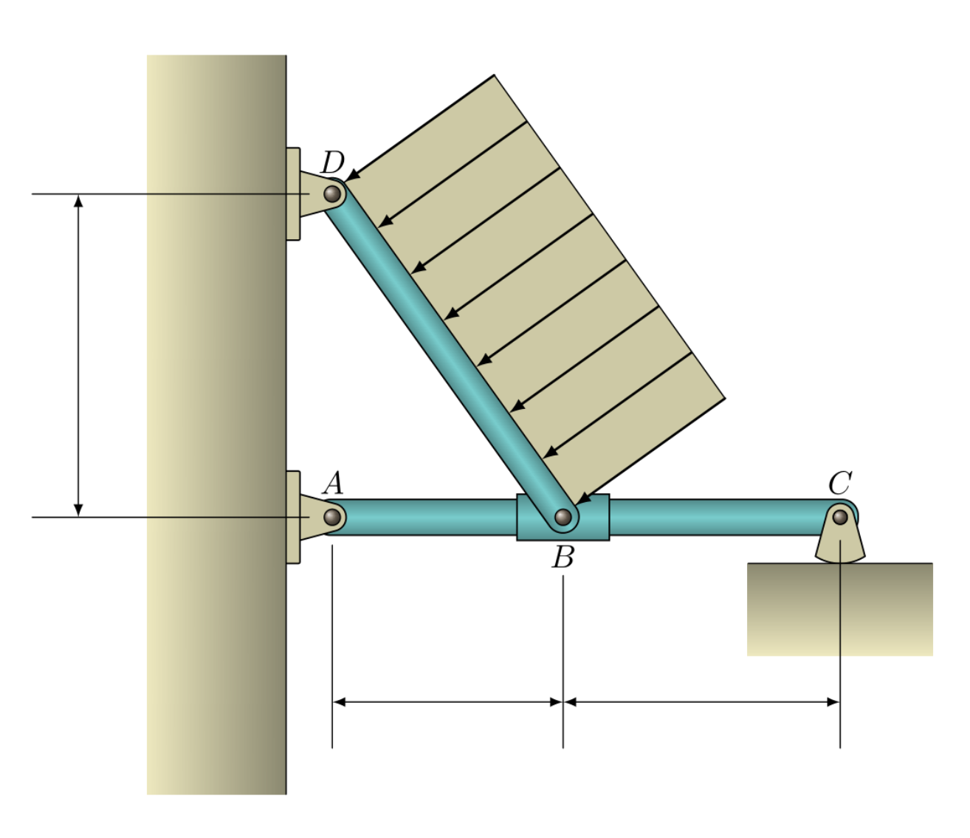
ADy | 2.6 | m
ABx | 1.6 | m
BCx | 1.8 | m
UDL | 1.05 | kN/m

BD | 3.0528675045 | m
BDtheta | 58.392497754
W | 3.2055108797 | kN
RB | 3.058125
RC | 1.4391176471
RA | 1.6190073529
RDy | -1.378125
RDx | 2.73
RD | 3.058125
RDtheta | -26.784995508

Q03a
G | 1160 | kg
AFx | 1130 | mm
FGx | 825 | mm
BGx | 910 | mm
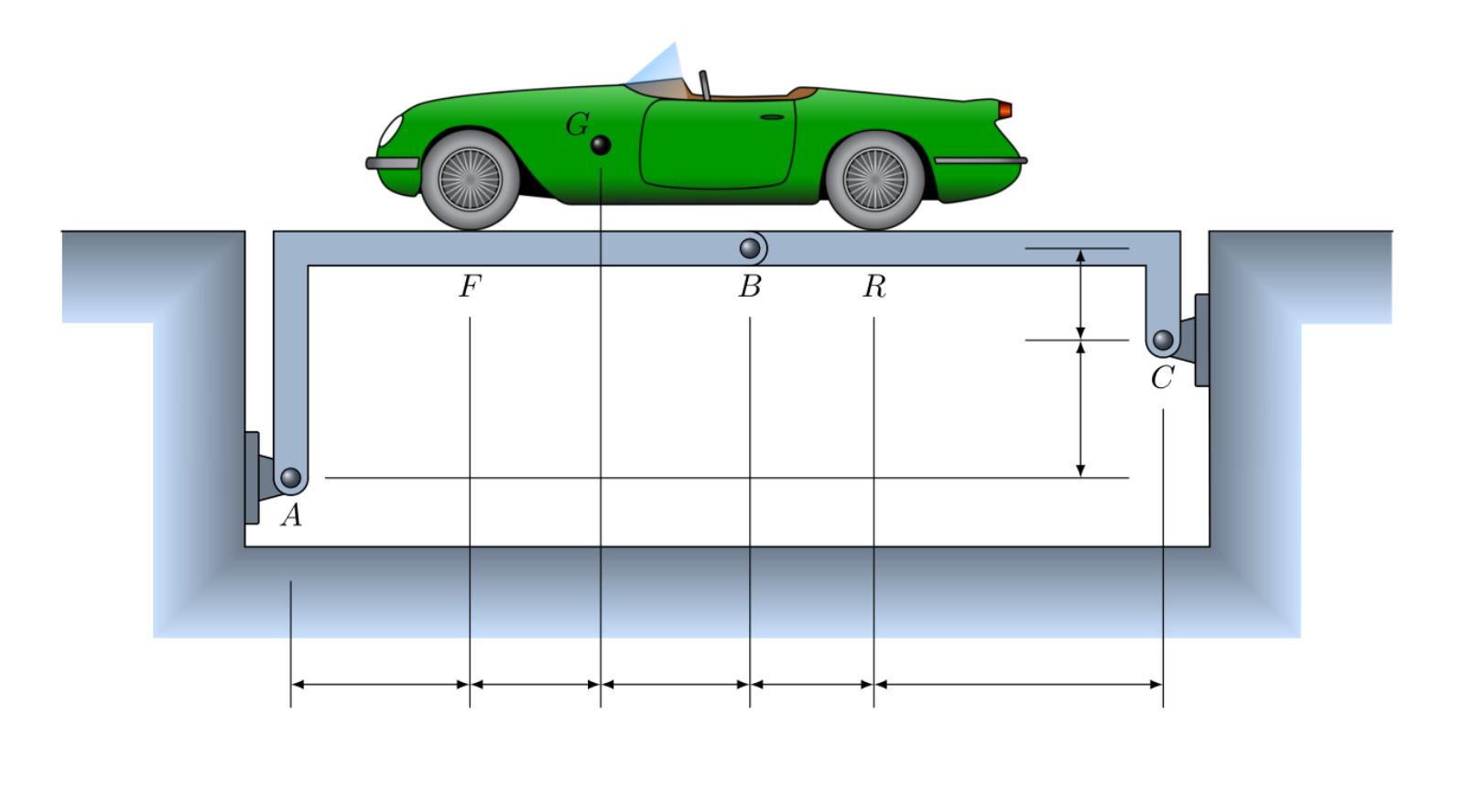
BRx | 785 | mm
CRx | 1955 | mm
ACy | 1220 | mm
BCy | 590 | mm

W | 11.3796 | kN
FF | 7.6541357143 | kN
FR | 3.7254642857 | kN

a11 | -1810
a12 | 2865
a21 | 590
a22 | 2740
b1 | 8649.1733571
b2 | -7283.2826786

det | -6649750
detX | 44565339.873
detY | 8079729.3675

Bx | -6.7018068157
By | -1.2150425757
RB | 6.8110603474
Rbtheta | 10.276145673

Ax | 6.7018068157
Ay | 8.8691782899
RA | 11.116498466
RAtheta | 52.924254155

Cx | -6.7018068157
Cy | 2.5104217101
RC | 7.1565656398
RCtheta | 159.46461341

Q02a
Q2a

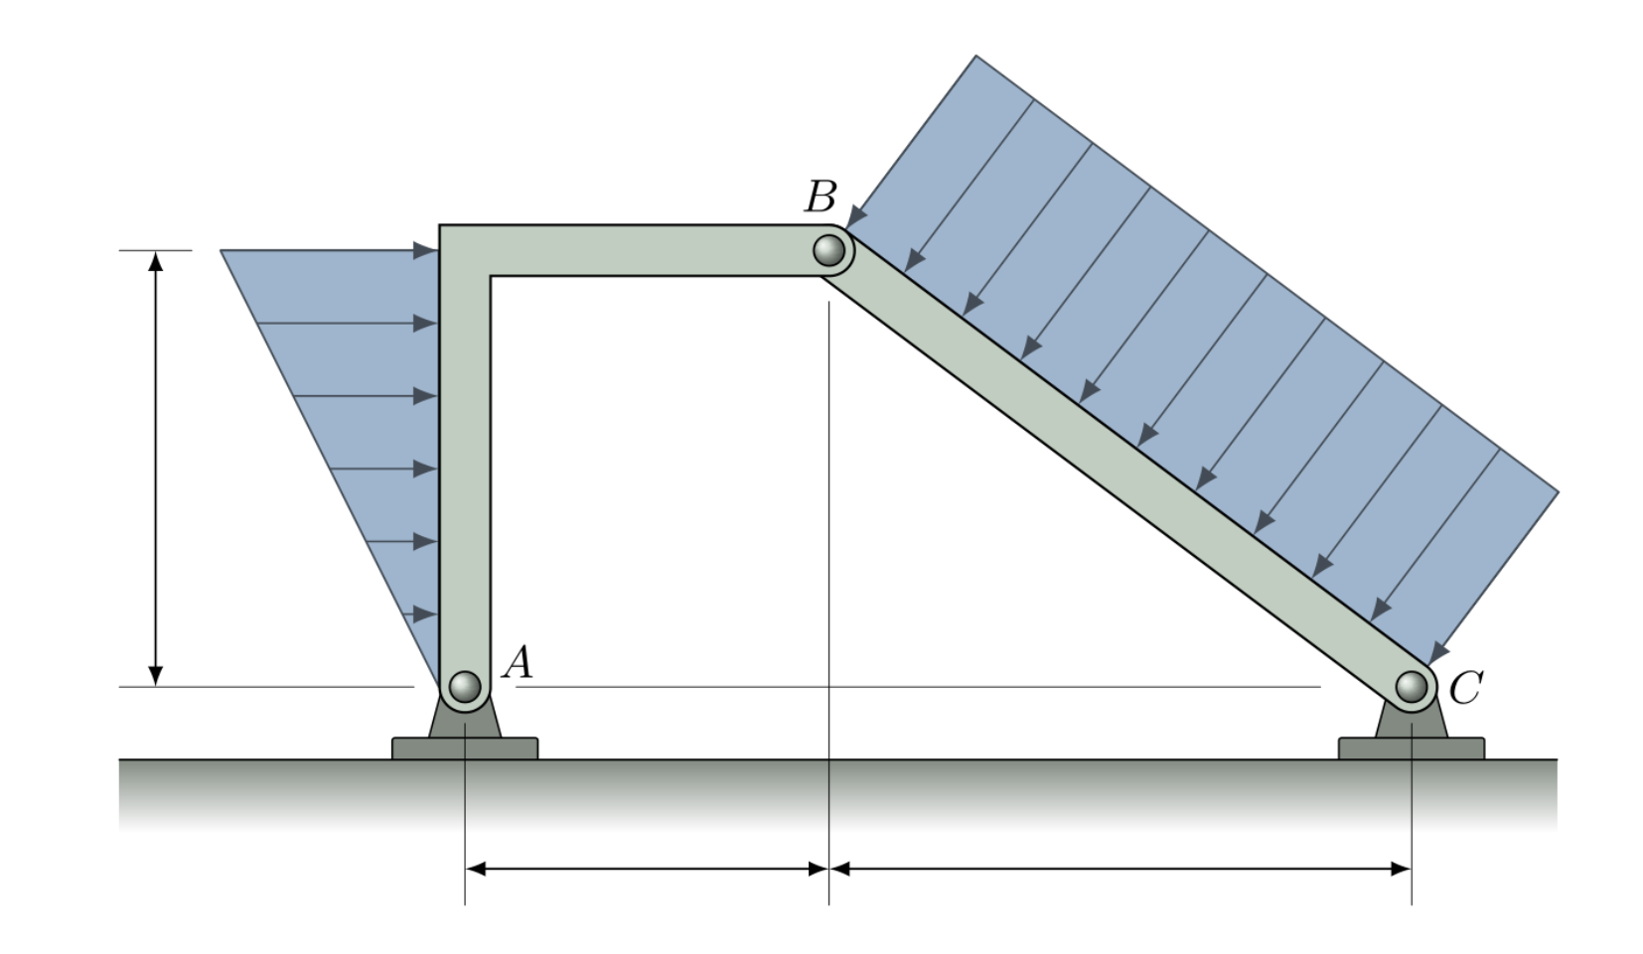
ABx | 2 | m
BCx | 3.05 | m
ABy | 2.45 | m
DLtri | 3.3 | kN/m
DLrect | 2.5 | kN/m

Wtri | 4.0425 | kN | Ax | 0.6777172156
BC | 3.9121605284 | m | Ay | 2.4808910891
Wrect | 9.780401321 | kN | RA | 2.571793386
 |  |  | RAtheta | 74.72101156
a11 | 2.45
a12 | 2 |  | BCtheta | 38.774170936
a21 | -2.45 |  | Cx | 1.4047827844
a22 | 3.05 |  | Cy | 5.1441089109
b1 | 6.60275 |  | RC | 5.3324732684
b2 | -19.13125 |  | RCtheta | 74.725766326

D | 12.3725
Dx | 58.4008875
Dy | -30.694825
Bx | 4.7202172156
By | -2.4808910891
RB | 5.3324732684
RBtheta | 27.725891803

Q01b
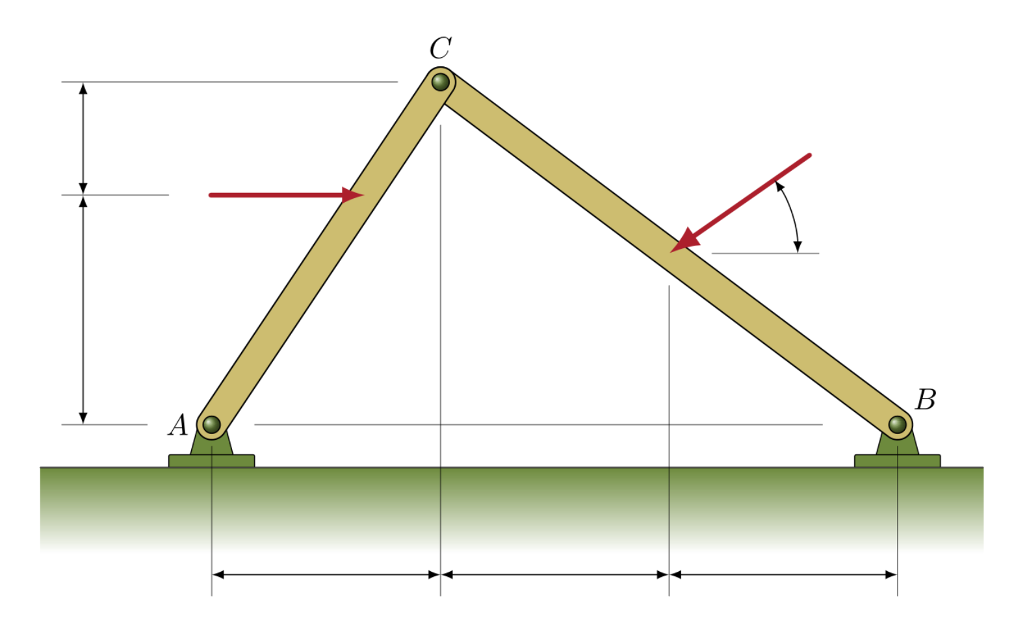
Q1a

ACx | 1.2 | m
CQx | 1.14 | m
BQx | 1.26 | m
APy | 1.15 | m
CPy | 0.63 | m
theta | 30 | deg
P | 3.1 | kN
Q | 2.1 | kN

ACy | 1.78 | m | Ax | -1.1987768626
BCx | 2.4 | m | Ay | -0.15068567954
BQy | 0.9345 | m | RA | 1.2082103047
a11 | -1.78
a12 | 1.2 |  | Bx | -0.082569789442
a21 | 1.78 |  | By | 1.2006856795
a22 | 2.4 |  | RB | 1.2035214461
b1 | 3.565
b2 | -3.0225315537
D | -6.408
Dx | 12.183037864
Dy | -0.96559383449
Cx | -1.9012231374
Cy | 0.15068567954
RC | 1.9071852538

