conclusions
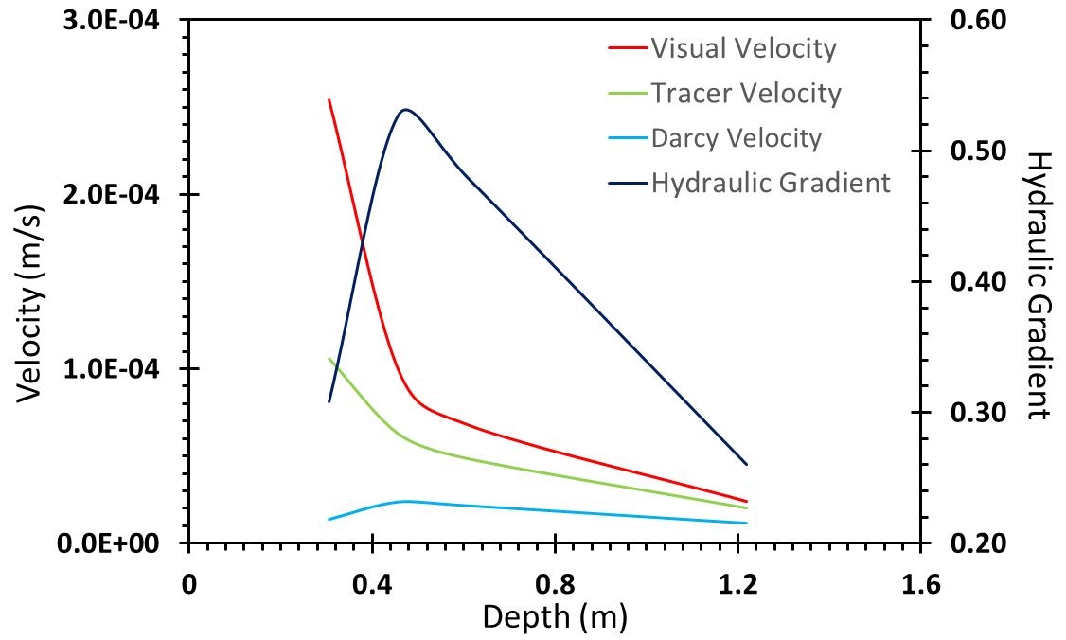
 |  |  |  |  |  |  | Darcy Calc |  |  |  |  |  | Darcy v Visual | Darcy v Tracer | Visual v Tracer
distance | t_visual (hrs) | V | a | % a/dist |  |  | K | dh/dz | n | V_Darcy | V_tracer | V_Visual | % error | % error | % error
0.3048 | 0.33 | 1.06E-04 | 4.0E-03 | 1.31 |  |  | 2.00E-05 | 0.31 | 0.44 | 1.40E-05 | 1.06E-04 | 2.54E-04 | -94.48222 | -86.77816 | -139.62 | negative: V_tracer < V_visual
0.4572 | 1.28 | 6.28E-05 | 4.1E-03 | 0.90 |  |  | 2.00E-05 | 0.53 | 0.44 | 2.40E-05 | 6.28E-05 | 9.90E-05 | -75.75824 | -61.79952 | -57.58
0.6096 | 2.50 | 4.87E-05 | 4.5E-03 | 0.74 |  |  | 2.00E-05 | 0.48 | 0.44 | 2.18E-05 | 4.87E-05 | 6.77E-05 | -67.84404 | -55.27659 | -39.08
1.2192 | 14.17 | 2.05E-05 | 2.3E-03 | 0.19 |  |  | 2.00E-05 | 0.26 | 0.44 | 1.18E-05 | 2.05E-05 | 2.39E-05 | -50.48448 | -42.25795 | -16.61 | positive, V_tracer > V_Darcy
0.9144 |  |  |  | 0.78 |  |  |  | 0.28 |  |  |  |  |  | negative: V_tracer < V_Darcy
 |  |  |  |  | 36" grad= | 0.375 |  |  | AQTESOLV porsity
 |  |  |  |  |  |  |  |  | min = 29 |  |  |  | -72.14 | -61.53 | -63.23
 |  |  |  |  |  |  |  |  | avg = 39
 |  |  |  |  |  |  |  |  | max = 49
 |  |  |  |  |  |  |  |  |  |  |  |  |  |  |  |  | dispersivity vs distance

