Visitor details
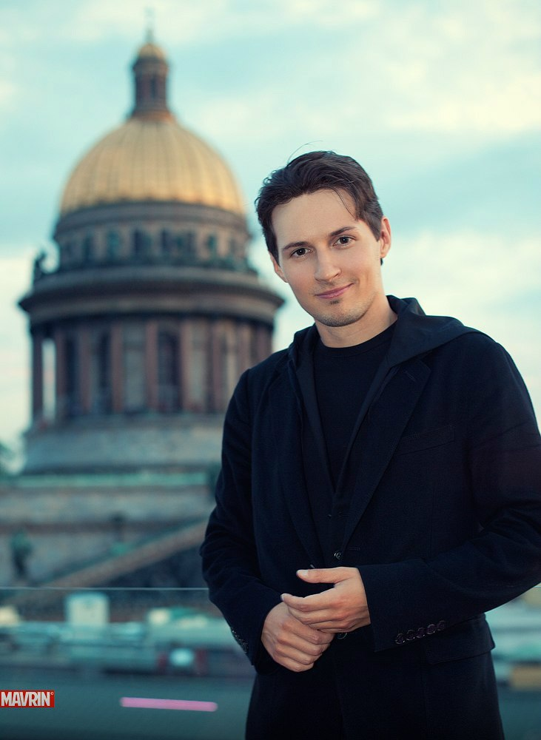
Visitor details |  | User image
First name | Pavel
Last Name | Durov
MAC address | ab-cd-ef-01-23-45
Gender | male
Date of birth | 12.12.1980
Email | pasha@bk.ru
Phone | +380856667771
Country | Singapore
City | Singapore
Device type/OS | mobile/Android
Vk ID | https://vk.com/id1
Facebook ID | https://www.facebook.com/
Comment | ,kf ,fksdf ,sadf asdkf ,sdfkkasdf, aksdf ,kads,kij , ,sdk,f asidfjiruhiuwhfW FWFYUWG YUW kjdhjs fheq fb sjhfreq fyuw k

Occupation
Occupation | programming
 | freelance
 | school
 | house
 | work
 | projects
 | other

