Explicit
M-M Concentration vs. Time Linear Plot
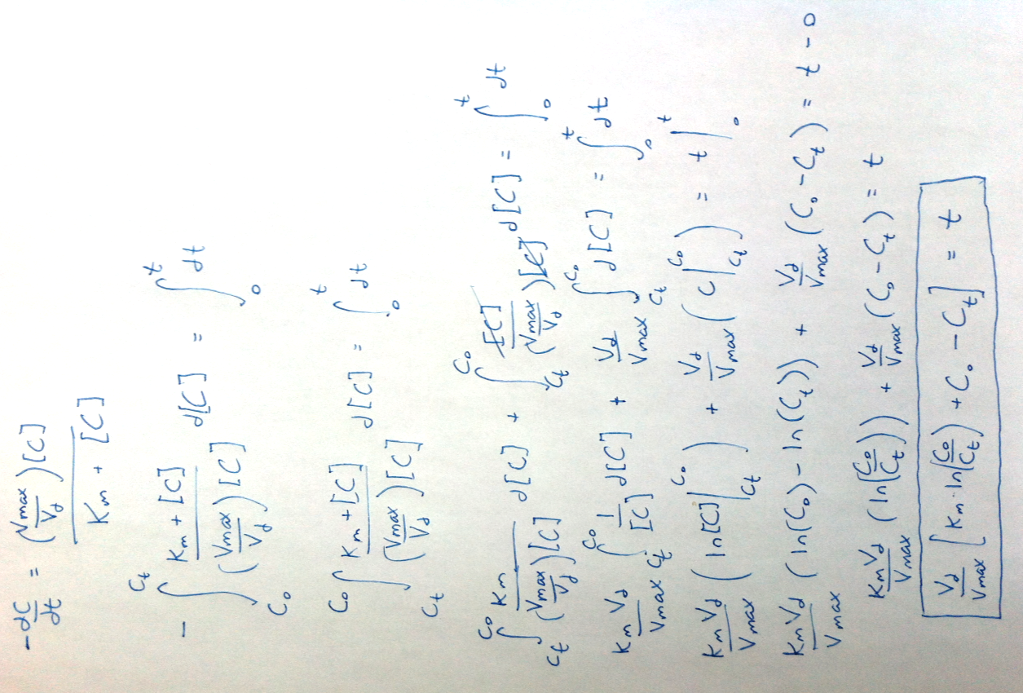
Time to a Given Concentration:
Non-Linear System:
Dose: | 250 | mg
Km: | 4 | mg/L
Vmax: | 20.833333333 | mg/h
Vd: | 0.71428571429 | L/kg
C0: | 5 | mg/L
Given Ct: | 1 | mg/L
Patient Weight: | 70 | kg
Patient Vd: | 50 | L

M-M Concentration vs. Time Semi-Log Plot
time to given Ct: | 25.050603959 | hours

Time (h) | Ct (mg/L)
0 | 5
0.43394599025 | 4.9
0.87189114739 | 4.8
1.3140038757 | 4.7
1.7604634458 | 4.6
2.2114609503 | 4.5
2.6672003665 | 4.4
3.1278997415 | 4.3
3.5937925166 | 4.2
4.0651290117 | 4.1
4.5421780926 | 4
5.0252290493 | 3.9
5.5145937187 | 3.8
6.0106088907 | 3.7
6.5136390429 | 3.6
7.0240794618 | 3.5
7.5423598158 | 3.4
8.068948262 | 3.3
8.6043561852 | 3.2
9.1491436891 | 3.1
9.7039259882 | 3
10.269380884 | 2.9
10.846257554 | 2.8
11.435386938 | 2.7
12.037694087 | 2.6
12.654212933 | 2.5
13.286104081 | 2.4
13.934676379 | 2.3
14.6014133 | 2.2
15.28800545 | 2.1
15.996391026 | 2
16.728806652 | 1.9
17.487851976 | 1.8
18.276572749 | 1.7
19.098569119 | 1.6
19.958138922 | 1.5
20.860470488 | 1.4
21.81190702 | 1.3
22.820317014 | 1.2
23.895626233 | 1.1
25.050603959 | 1
26.30206491 | 0.9
27.672782052 | 0.8
29.194683421 | 0.7
30.914529948 | 0.6
32.904816893 | 0.5
35.286994985 | 0.4
38.288742881 | 0.3
42.421207919 | 0.2
49.315420852 | 0.1
#N/A | #N/A
#N/A | #N/A
#N/A | #N/A
#N/A | #N/A
#N/A | #N/A
#N/A | #N/A
#N/A | #N/A
#N/A | #N/A
#N/A | #N/A
#N/A | #N/A
#N/A | #N/A
#N/A | #N/A
#N/A | #N/A
#N/A | #N/A
#N/A | #N/A
#N/A | #N/A
#N/A | #N/A
#N/A | #N/A
#N/A | #N/A
#N/A | #N/A
#N/A | #N/A
#N/A | #N/A
#N/A | #N/A
#N/A | #N/A
#N/A | #N/A
#N/A | #N/A
#N/A | #N/A
#N/A | #N/A
#N/A | #N/A
#N/A | #N/A
#N/A | #N/A
#N/A | #N/A
#N/A | #N/A
#N/A | #N/A
#N/A | #N/A
#N/A | #N/A
#N/A | #N/A
#N/A | #N/A
#N/A | #N/A
#N/A | #N/A
#N/A | #N/A
#N/A | #N/A
#N/A | #N/A
#N/A | #N/A
#N/A | #N/A
#N/A | #N/A
#N/A | #N/A
#N/A | #N/A
#N/A | #N/A
#N/A | #N/A
#N/A | #N/A
#N/A | #N/A
#N/A | #N/A
#N/A | #N/A
#N/A | #N/A
#N/A | #N/A
#N/A | #N/A
#N/A | #N/A
#N/A | #N/A
#N/A | #N/A
#N/A | #N/A
#N/A | #N/A
#N/A | #N/A
#N/A | #N/A
#N/A | #N/A
#N/A | #N/A
#N/A | #N/A
#N/A | #N/A
#N/A | #N/A
#N/A | #N/A
#N/A | #N/A
#N/A | #N/A
#N/A | #N/A
#N/A | #N/A
#N/A | #N/A
#N/A | #N/A
#N/A | #N/A
#N/A | #N/A
#N/A | #N/A
#N/A | #N/A
#N/A | #N/A
#N/A | #N/A
#N/A | #N/A
#N/A | #N/A
#N/A | #N/A
#N/A | #N/A
#N/A | #N/A
#N/A | #N/A
#N/A | #N/A
#N/A | #N/A
#N/A | #N/A
#N/A | #N/A
#N/A | #N/A
#N/A | #N/A
#N/A | #N/A
#N/A | #N/A
#N/A | #N/A
#N/A | #N/A
#N/A | #N/A
#N/A | #N/A
#N/A | #N/A
#N/A | #N/A
#N/A | #N/A
#N/A | #N/A
#N/A | #N/A
#N/A | #N/A
#N/A | #N/A
#N/A | #N/A
#N/A | #N/A
#N/A | #N/A
#N/A | #N/A
#N/A | #N/A
#N/A | #N/A
#N/A | #N/A
#N/A | #N/A
#N/A | #N/A
#N/A | #N/A
#N/A | #N/A
#N/A | #N/A
#N/A | #N/A
#N/A | #N/A
#N/A | #N/A
#N/A | #N/A
#N/A | #N/A
#N/A | #N/A
#N/A | #N/A
#N/A | #N/A
#N/A | #N/A
#N/A | #N/A
#N/A | #N/A
#N/A | #N/A
#N/A | #N/A
#N/A | #N/A
#N/A | #N/A
#N/A | #N/A
#N/A | #N/A

