NPNsaturated
NPN Transistor Equations: Saturation Region
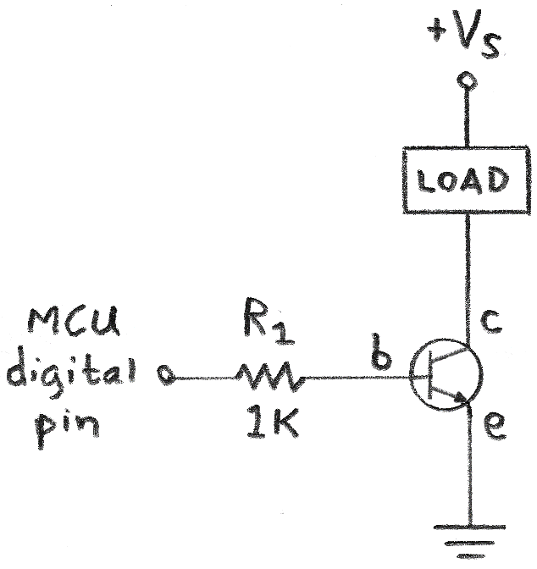

RL
Vp
Rb

http://www.electronics-tutorials.ws/transistor/tran_4.html

Based on min beta or min hFE: |  |  | http://www.daycounter.com/Calculators/Transistor-Switch-Saturation-Calculator.phtml
hFEmin | 100 |  | (from 2n2222 datasheet, use a value of 10 if unsure)
RL | 0.5 | K | Collector Resistor, or total load resistance
Vp | 5 | V | Base-side supplied voltage
Vcc | 5 | V | Collector Side Voltage
Vbe | 0.6 | V | (Base to emitter drop, this number is standard)

Ic | 10 | mA | Current through the load at saturation Ic = Vp/RL
Ib | 0.1 | mA | Base Current Ib = Ic/hFEmin |  |  | (Ic = hFE*Ib)
Rb | 44 | K | Rb=(Vp-Vbe)/Ib --> (Value to use for Base Resistor)
Ie | 10.1 | mA | Ie = Ib+Ic = (hFE+1)*Ib |  | Kirchhoff's Current Law
Vc | 0 | V | Vc = Vcc - Ic*Rc
Vb | 4.4 | V | Vb = Ib*Rb = Vp - Vbe
Ve | 3.8 | V | Ve = Vb - Vbe
Pc | 0.05 | W | Power on resisive load (collector side)
 |  |  | Ib = Is* (exp(Vbe/Vth)-1) |  | Is: constant, Vth: constant
Vp off: | switch off |  |  | Ie is approx equal to Ic
Vp at 5V: | switch on

1/10 current method: (This assumes an hFE of 10 - extremely conservative)
Figure out your collector current. Base current is 1/10th that:
Ic (above) | 10 | mA | Collector Current
Ib | 1 | mA | Ib=Ic/10 (conservative, most NPNs should be saturated at 10% collector current)
R2 should be: | 4.4 | K | V=IR --> R = V/I

PNPsaturated
PNP Transistor Equations: Saturation Region
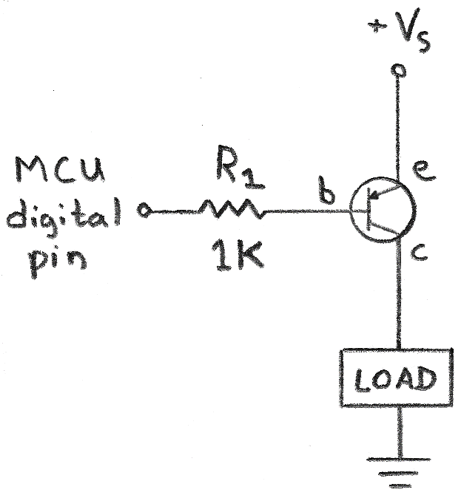

Vp
Rb

RL

You ground the base to turn on the transistor. |  |  |  | Simulation:
 |  |  |  | http://www.falstad.com/circuit/e-pnp.html
Easy way: (approximate)
Start with your planned current
Ic | 40 | mA | Desired Collector Current. Do not exceed max of transistor (600mA)
hFE | 50
Vcc | 12 | V
Ib | 0.8 | mA | Ib = Ic/hFE, or Ib=Ic/10 |  | (conservative, use actual value on datasheet for larger resistor)
Vbe | 0.7 | V
Vb_thresh | 11.3 | V | 4.3V to turn off, 0V to turn on.
Rbase | 14.125 | K
Ie | 40.8 | mA
Ve | 12 | V
RL | 0.1 | K | You plan this resistance (depends on resistance of load)
Vc | 4 | V

NPNactive
NPN Transistor Equations: Active Region
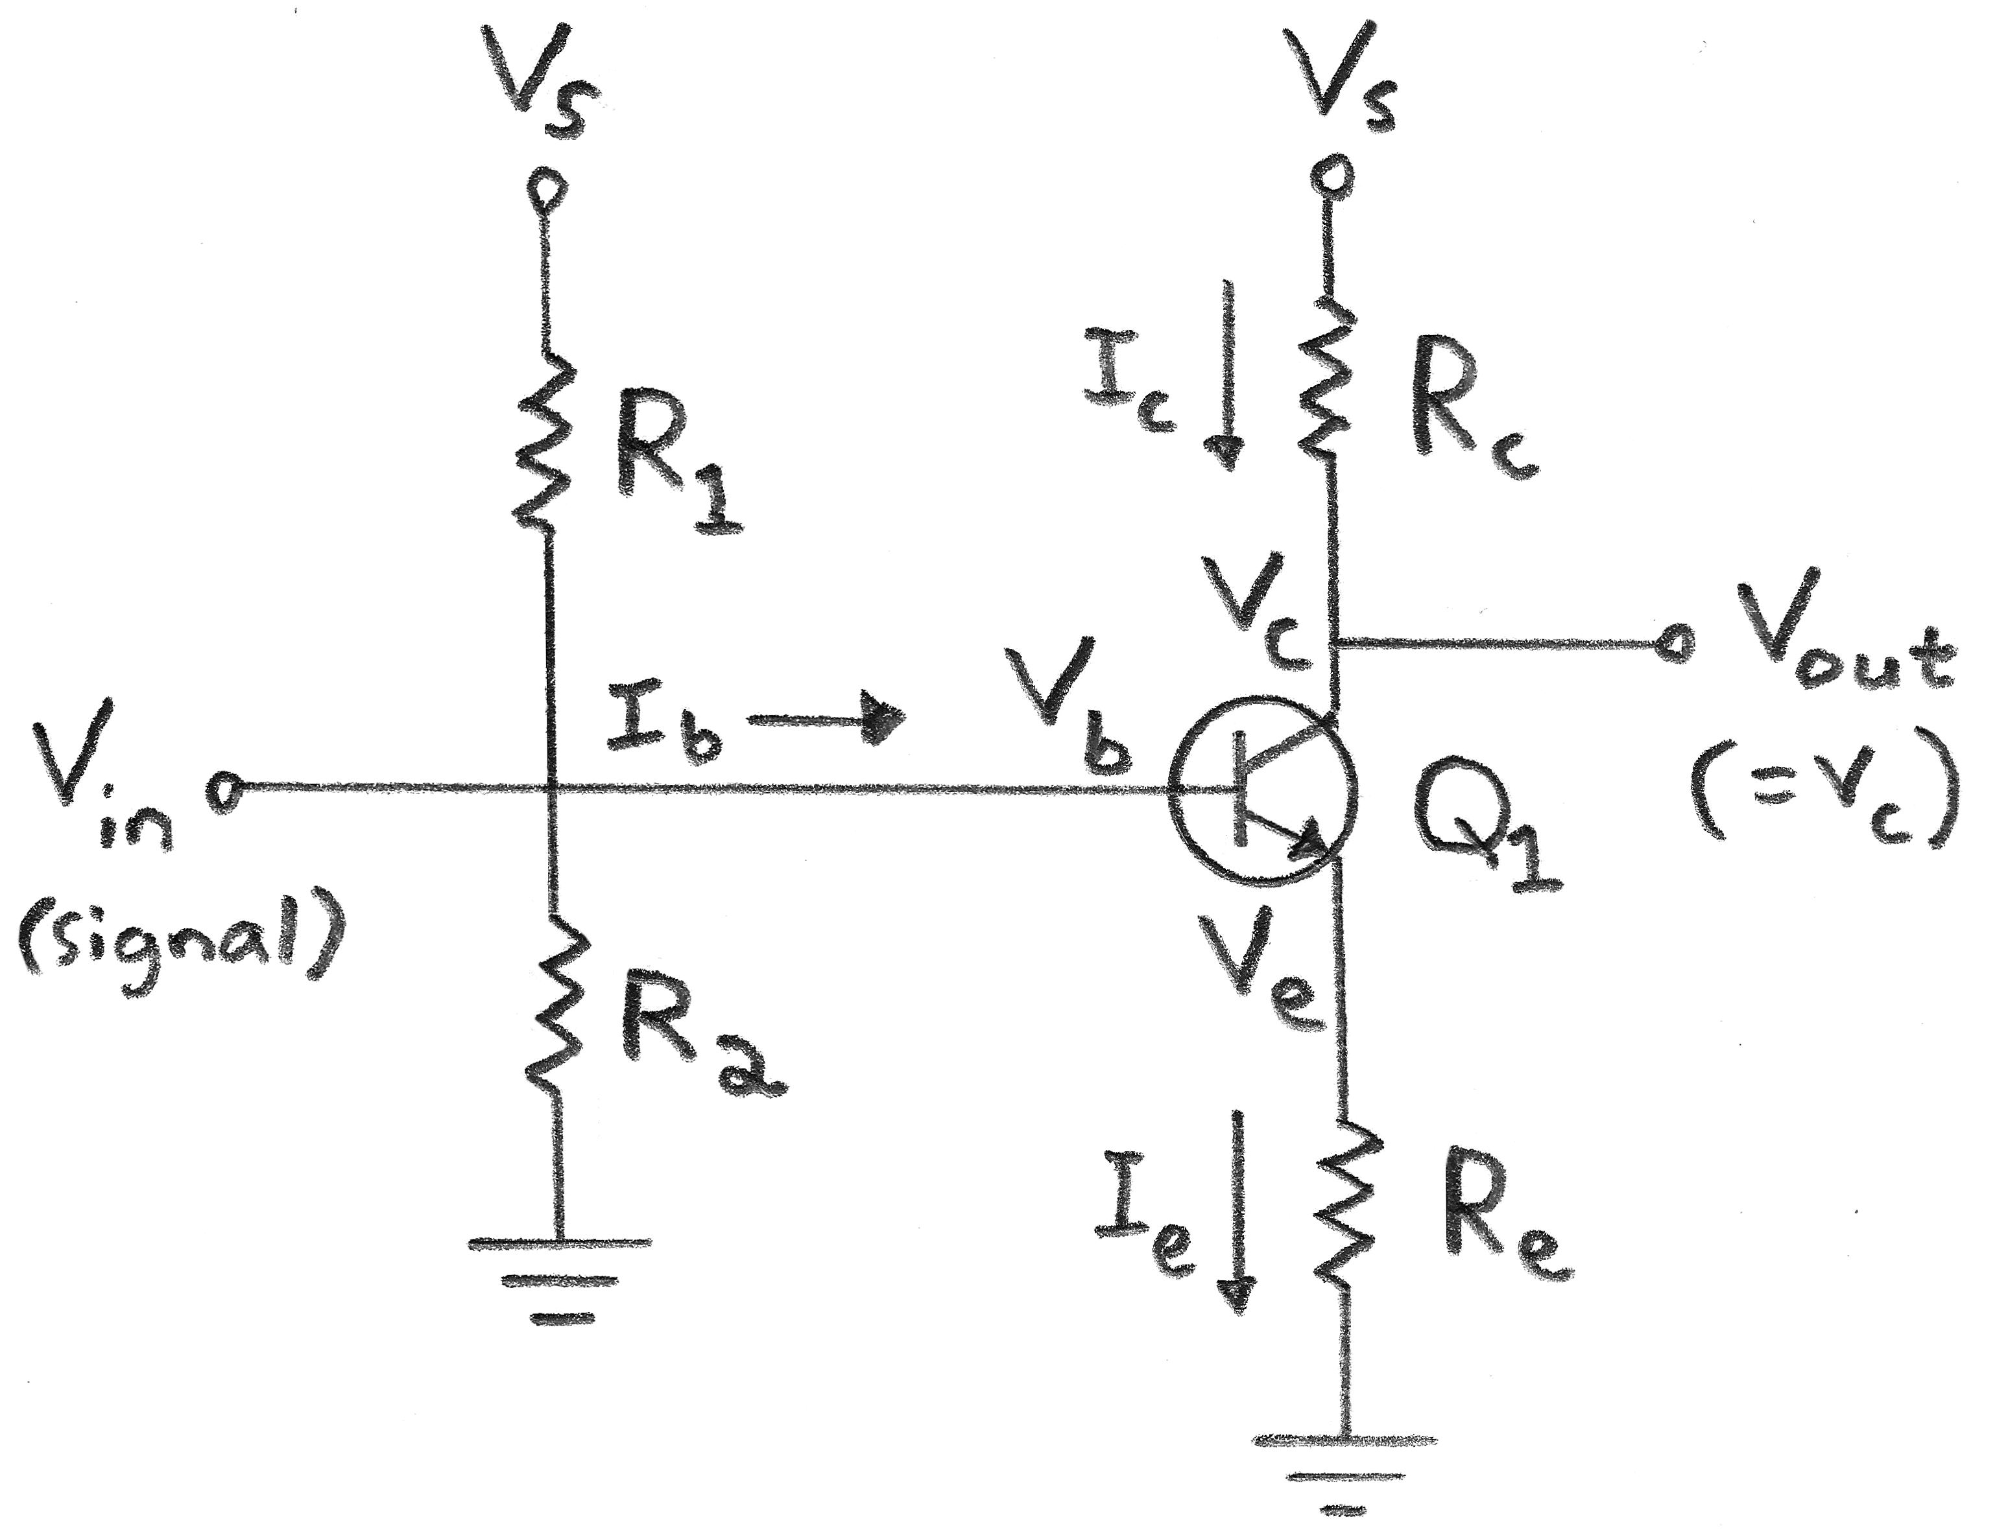

Vcc | 5 | V
hFe (also called β) | 100 |  | DC gain constant of the transistor (on datasheet, ususally around 100)

Vbe | 0.7 | V | Usually 0.6 or 0.7V used here.
RL(=Rc) | 1 | kΩ | Collector resistor
Re | 0.1 | kΩ | Emitter resistor
We set the quiescent voltage to be 0.5*Vcc by design:
Vc | 2.5 | V
Iq (=Ic) | 2.5 | mA | Quiescent Collector Current (=Vc/RL)
Ib | 0.025 | mA | Base current (<10%Ic) Ib = Ic/hFe
Ie | 2.525 | mA | Ib + Ic = Ie
Ve | 0.2525 | V | Ve = Ie*Re
Vb | 0.9525 | V | Vb = Ve + Vbe
Voltage divider eq: | 0.1905 |  | Vb = Vcc*R2/(R1+R2) --> Vb/Vcc
 |  |  | I1 - I2 - Ib = 0 (KCL)
Using the 10% rule for the voltage divider equation:
I1 | 0.275 | mA | I0*Ib + Ib = I1 = 11*Ib
I2 | 0.25 | mA | I2=10*Ib (10% rule)
R1 | 14.718181818 | kΩ | R1 - (Vcc-Vb)/I1
R2 | 3.81 | kΩ | R2 = Vb/I2
R2/(R1+R2) | 0.20563269712
R1+R2 | 18.528181818 | kΩ | Find a potentiometer close to this.

This should be close to Vb:
 | 1.0281634856 | V

1/10 current method to determine base resistor for saturation:

Figure out your collector current. Base current is 1/10th that:
Ic (above) | 2.5 | mA | Collector Current
Ib | 0.25 | mA | Ib=Ic/10 (conservative, most NPNs should be saturated at 10% collector current)
R2 should be: | 20 | K | V=IR --> R = V/I

Biasing NPN
Biasing a Transistor with a Voltage Divider - Simplification

Vin | 5 | V | Supply Voltage
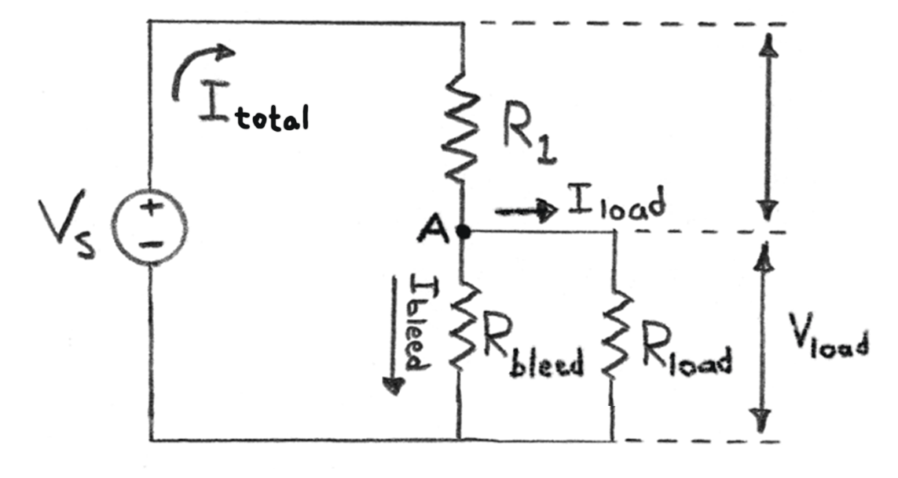
Icollector | 30 | mA | Desired Load Current
beta | 120
Ibase | 0.25 | mA TARGET | Required Output Current. I=P/V

Select R2 so that Iout = base current of transistor (Ibase = Icollector/beta)
Then Itot = Ibleed + Ibase
R1 | 19.3795 | K
R2 | 80.6205 | K
Vload | 4.031025 | V
Rload | 0.5 | K
Rtotal | 19.876418165 | K
Itotal | 0.25155437758 | mA
Iload | 0.25000387939 | mA
Ibleed | 0.0015504981945 | mA Current Divider Eq: I1=Iin*(R2/(R1/R2))

Iout too high. Increase R1 in relation to R2.

P(R1): | 1.2263271028E-06 | W | Power across resistor 1
P(R2): | 1.9381528181E-10 | W | Power across resistor 2

