CNN
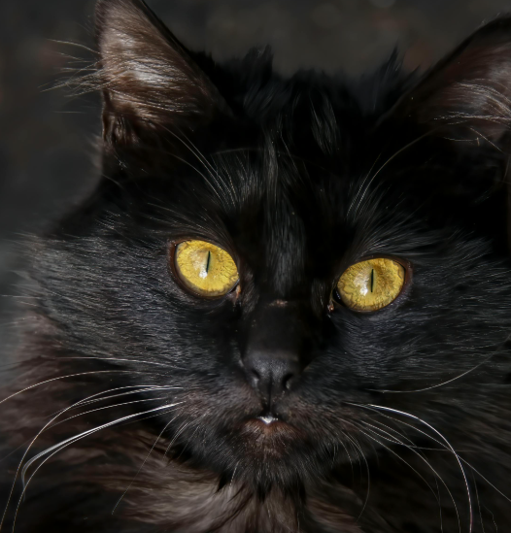

Original grayscale 2*2 image. |  |  | Original grayscale 2*2 image.
Label: black cat (0) |  |  | Label: white cat (1)
15 | 20 |  | 200 | 210 |  | Mean (μ): | 115.0
20 | 20 |  | 210 | 225 |  | SD (σ): | 96.5

After applying BN |  |  | After applying BN
-1.0 | -1.0 |  | 0.9 | 1.0 |  | Average Pop | 0.000
-1.0 | -1.0 |  | 1.0 | 1.1 |  | SD Pop | 1.000

Input Layer |  | Hidden layer |  |  | Output layer | Sigmoid: 1/(1+EXP(-z))
Feature (pixels) | Image 1 | w1_1 to w1_4 | b1 | Node output
1.1 | -1.0 | 0.5 | 1.6 | -0.691 | Label: | 0 | (black cat)
1.2 | -1.0 | 0.6 |  |  | Prediction: | 0.33
2.1 | -1.0 | 0.7 |  |  | BCE_Loss: | 0.41
2.2 | -1.0 | 0.5

Feature (pixels) | Image 2 | w1_1 to w1_4 | b1
1.1 | 0.9 | 0.5 | 1.6 | 3.89 | Label: | 1 | (white cat)
1.2 | 1.0 | 0.6 |  |  | Prediction: | 0.98
2.1 | 1.0 | 0.7 |  |  | BCE_Loss: | 0.02
2.2 | 1.1 | 0.5

Validation:
Original image
35 | 28
27 | 36

After applying BN
-0.8 | -0.9
-0.9 | -0.8

Input Layer |  | Hidden layer |  |  | Output layer | Sigmoid: 1/(1+EXP(-z))
Feature (pixels) | Image 1 | w1_1 to w1_4 | b1 | Node output
1.1 | -0.8 | 0.5 | 1.6 | -0.404 | Label: | 0 | (black cat)
1.2 | -0.9 | 0.6 |  |  | Prediction: | 0.40 |  | Note: higher loss but still correctly predicted label.
2.1 | -0.9 | 0.7 |  |  | BCE_Loss: | 0.51
2.2 | -0.8 | 0.5

