Combined lines
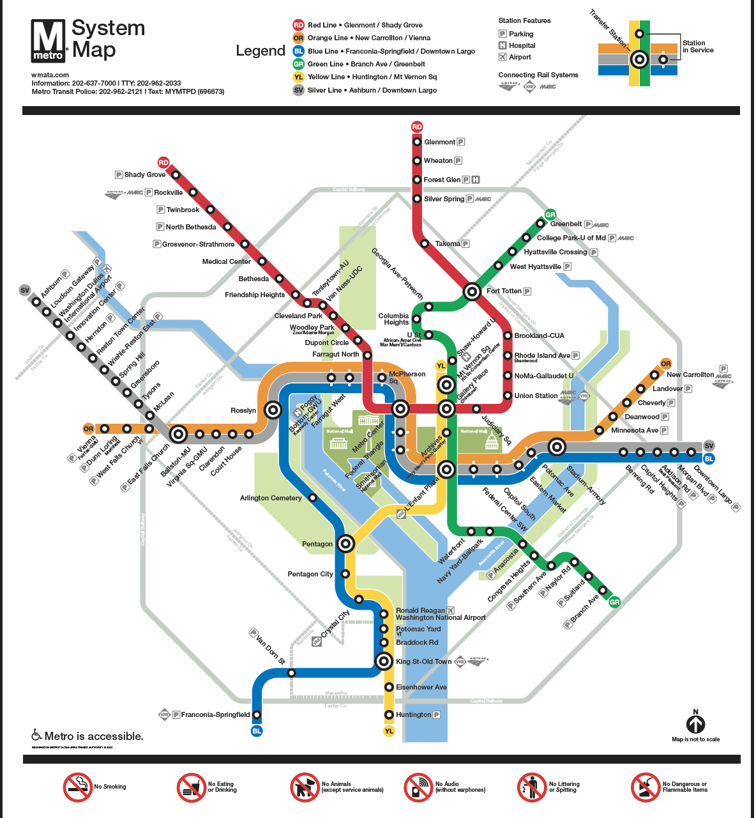
Ashburn | Loudoun Gateway | 4
Addison Road | Morgan Boulevard | 3
Addison Road | Capitol Heights | 2
Anacostia | Congress Heights | 3
Anacostia | Navy Yard-Ballpark | 3
Archives | L'Enfant Plaza | 2
Archives | Gallery Place | 1
Arlington Cemetery | Rosslyn | 3
Arlington Cemetery | Pentagon | 3
Ballston-MU | Virginia Square-GMU | 2
Ballston-MU | East Falls Church | 4
Benning Road | Capitol Heights | 1
Benning Road | Stadium-Armory | 6
Bethesda | Friendship Heights | 3
Bethesda | Medical Center | 2
Braddock Road | King Street-Old Town | 2
Braddock Road | Potomac Yard | 2
Branch Avenue | Suitland | 3
Brookland-CUA | Fort Totten | 3
Brookland-CUA | Rhode Island Avenue | 2
Capitol Heights | Addison Road | 2
Capitol Heights | Benning Road | 3
Capitol South | Federal Center SW | 2
Capitol South | Eastern Market | 2
Cheverly | Landover | 3
Cheverly | Deanwood | 3
Clarendon | Court House | 2
Clarendon | Virginia Square-GMU | 1
Cleveland Park | Woodley Park | 2
Cleveland Park | Van Ness-UDC | 2
College Park-U of Md | Hyattsville Crossing | 3
College Park-U of Md | Greenbelt | 4
Columbia Heights | U Street | 2
Columbia Heights | Georgia Ave-Petworth | 2
Congress Heights | Southern Avenue | 2
Congress Heights | Anacostia | 3
Court House | Rosslyn | 1
Court House | Clarendon | 2
Crystal City | Pentagon City | 2
Crystal City | Reagan National Airport | 2
Deanwood | Cheverly | 3
Deanwood | Minnesota Avenue | 2
Downtown Largo | Morgan Boulevard | 3
Dunn Loring | West Falls Church | 4
Dunn Loring | Vienna/Fairfax-GMU | 4
Dupont Circle | Farragut North | 2
Dupont Circle | Woodley Park | 3
East Falls Church | Ballston-MU | 4
East Falls Church | McLean | 7
East Falls Church | West Falls Church | 3
Eastern Market | Potomac Avenue | 2
Eastern Market | Capitol South | 2
Eisenhower Avenue | Huntington | 2
Eisenhower Avenue | King Street-Old Town | 2
Farragut North | Metro Center | 2
Farragut North | Dupont Circle | 2
Farragut West | McPherson Square | 1
Farragut West | Foggy Bottom-GWU | 2
Federal Center SW | Capitol South | 2
Federal Center SW | L'Enfant Plaza | 1
Federal Triangle | Metro Center | 1
Federal Triangle | Smithsonian | 1
Foggy Bottom-GWU | Farragut West | 2
Foggy Bottom-GWU | Rosslyn | 3
Forest Glen | Wheaton | 3
Forest Glen | Silver Spring | 3
Fort Totten | Takoma | 3
Fort Totten | Brookland-CUA | 3
Fort Totten | Georgia Ave-Petworth | 3
Fort Totten | West Hyattsville | 3
Franconia-Springfield | Van Dorn Street | 5
Friendship Heights | Tenleytown-AU | 2
Friendship Heights | Bethesda | 3
Gallery Place | Judiciary Square | 2
Gallery Place | Metro Center | 1
Gallery Place | Archives | 1
Gallery Place | Mount Vernon Square | 2
Georgia Ave-Petworth | Columbia Heights | 2
Georgia Ave-Petworth | Fort Totten | 3
Glenmont | Wheaton | 4
Greenbelt | College Park-U of Md | 4
Greensboro | Tysons | 2
Greensboro | Spring Hill | 2
Grosvenor-Strathmore | Medical Center | 4
Grosvenor-Strathmore | North Bethesda | 3
Herndon | Reston Town Center | 3
Herndon | Innovation Center | 3
Huntington | Eisenhower Avenue | 2
Hyattsville Crossing | West Hyattsville | 2
Hyattsville Crossing | College Park-U of Md | 3
Innovation Center | Herndon | 3
Innovation Center | Washington Dulles International Airport | 4
Judiciary Square | Union Station | 2
Judiciary Square | Gallery Place | 2
King Street-Old Town | Braddock Road | 2
King Street-Old Town | Van Dorn Street | 6
King Street-Old Town | Eisenhower Avenue | 2
L'Enfant Plaza | Federal Center SW | 1
L'Enfant Plaza | Smithsonian | 2
L'Enfant Plaza | Waterfront | 2
L'Enfant Plaza | Archives | 2
L'Enfant Plaza | Pentagon | 5
Landover | New Carrollton | 3
Landover | Cheverly | 3
Loudoun Gateway | Washington Dulles International Airport | 5
Loudoun Gateway | Ashburn | 4
McLean | East Falls Church | 7
McLean | Tysons | 2
McPherson Square | Metro Center | 2
McPherson Square | Farragut West | 1
Medical Center | Bethesda | 2
Medical Center | Grosvenor-Strathmore | 4
Metro Center | Federal Triangle | 1
Metro Center | McPherson Square | 2
Metro Center | Gallery Place | 1
Metro Center | Farragut North | 2
Minnesota Avenue | Deanwood | 2
Minnesota Avenue | Stadium-Armory | 4
Morgan Boulevard | Downtown Largo | 3
Morgan Boulevard | Addison Road | 3
Mount Vernon Square | Gallery Place | 2
Mount Vernon Square | Shaw-Howard U | 2
Navy Yard-Ballpark | Anacostia | 3
Navy Yard-Ballpark | Waterfront | 2
Naylor Road | Suitland | 3
Naylor Road | Southern Avenue | 3
New Carrollton | Landover | 3
NoMa–Gallaudet U | Rhode Island Avenue | 3
NoMa–Gallaudet U | Union Station | 2
North Bethesda | Grosvenor-Strathmore | 3
North Bethesda | Twinbrook | 2
Pentagon | Arlington Cemetery | 3
Pentagon | Pentagon City | 1
Pentagon | L'Enfant Plaza | 5
Pentagon City | Pentagon | 1
Pentagon City | Crystal City | 2
Pentagon City | Pentagon | 2
Potomac Avenue | Stadium-Armory | 2
Potomac Avenue | Eastern Market | 2
Potomac Yard | Reagan National Airport | 3
Potomac Yard | Braddock Road | 2
Reagan National Airport | Crystal City | 2
Reagan National Airport | Potomac Yard | 3
Reston Town Center | Wiehle–Reston East | 2
Reston Town Center | Herndon | 3
Rhode Island Avenue | Brookland-CUA | 2
Rhode Island Avenue | NoMa–Gallaudet U | 3
Rockville | Twinbrook | 4
Rockville | Shady Grove | 4
Rosslyn | Foggy Bottom-GWU | 3
Rosslyn | Court House | 1
Rosslyn | Arlington Cemetery | 3
Shady Grove | Rockville | 4
Shaw-Howard U | Mount Vernon Square | 2
Shaw-Howard U | U Street | 2
Silver Spring | Forest Glen | 3
Silver Spring | Takoma | 3
Smithsonian | Federal Triangle | 3
Smithsonian | L'Enfant Plaza | 2
Southern Avenue | Naylor Road | 3
Southern Avenue | Congress Heights | 2
Spring Hill | Greensboro | 2
Spring Hill | Wiehle–Reston East | 8
Stadium-Armory | Benning Road | 6
Stadium-Armory | Potomac Avenue | 2
Stadium-Armory | Minnesota Avenue | 4
Suitland | Branch Avenue | 3
Suitland | Naylor Road | 3
Takoma | Silver Spring | 3
Takoma | Fort Totten | 3
Tenleytown-AU | Van Ness-UDC | 2
Tenleytown-AU | Friendship Heights | 2
Twinbrook | North Bethesda | 2
Twinbrook | Rockville | 4
Tysons | McLean | 2
Tysons | Greensboro | 2
U Street | Shaw-Howard U | 2
U Street | Columbia Heights | 2
Union Station | NoMa–Gallaudet U | 2
Union Station | Judiciary Square | 2
Van Dorn Street | King Street-Old Town | 6
Van Dorn Street | Franconia-Springfield | 5
Van Ness-UDC | Cleveland Park | 2
Van Ness-UDC | Tenleytown-AU | 2
Vienna/Fairfax-GMU | Dunn Loring | 4
Virginia Square-GMU | Clarendon | 1
Virginia Square-GMU | Ballston-MU | 2
Washington Dulles International Airport | Innovation Center | 4
Washington Dulles International Airport | Loudoun Gateway | 5
Waterfront | Navy Yard-Ballpark | 2
Waterfront | L'Enfant Plaza | 2
West Falls Church | East Falls Church | 3
West Falls Church | Dunn Loring | 4
West Hyattsville | Fort Totten | 3
West Hyattsville | Hyattsville Crossing | 2
Wheaton | Glenmont | 4
Wheaton | Forest Glen | 3
Wiehle–Reston East | Spring Hill | 8
Wiehle–Reston East | Reston Town Center | 2
Woodley Park | Dupont Circle | 3
Woodley Park | Cleveland Park | 2

