Sheet1
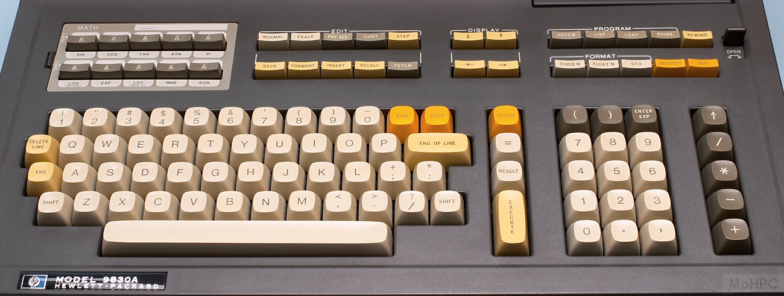
HP 9830a key set |  |  |  | Date: |  | 2022-02-08

Order specifications for Signature Plastics keycaps
Colors are specified using Signature Plastics color codes. Reference for colors: https://pimpmykeyboard.com/colors
Reference for key profiles: https://pimpmykeyboard.com/key-cap-family-specs

Cream: TBT | Brownish Gray: GE | Orange: YW
All keys SA Row 3
Line | Keycap Color | Legend Color | Size | Top | Top font | Bottom | Bottom Font | Centered | Centered Font | Comment
1 | TN | GE | 1u |  |  |  |  | A | 0.187"
2 | TN | GE | 1u |  |  |  |  | B | 0.187"
3 | TN | GE | 1u |  |  |  |  | C | 0.187"
4 | TN | GE | 1u |  |  |  |  | D | 0.187"
5 | TN | GE | 1u |  |  |  |  | E | 0.187"
6 | TN | GE | 1u |  |  |  |  | G | 0.187"
7 | TN | GE | 1u |  |  |  |  | H | 0.187"
8 | TN | GE | 1u |  |  |  |  | I | 0.187"
9 | TN | GE | 1u |  |  |  |  | J | 0.187"
10 | TN | GE | 1u |  |  |  |  | K | 0.187"
11 | TN | GE | 1u |  |  |  |  | L | 0.187"
12 | TN | GE | 1u |  |  |  |  | M | 0.187"
13 | TN | GE | 1u |  |  |  |  | N | 0.187"
14 | TN | GE | 1u |  |  |  |  | O | 0.187"
15 | TN | GE | 1u |  |  |  |  | P | 0.187"
16 | TN | GE | 1u |  |  |  |  | Q | 0.187"
17 | TN | GE | 1u |  |  |  |  | R | 0.187"
18 | TN | GE | 1u |  |  |  |  | S | 0.187"
19 | TN | GE | 1u |  |  |  |  | T | 0.187"
20 | TN | GE | 1u |  |  |  |  | U | 0.187"
21 | TN | GE | 1u |  |  |  |  | V | 0.187"
22 | TN | GE | 1u |  |  |  |  | W | 0.187"
23 | TN | GE | 1u |  |  |  |  | X | 0.187"
24 | TN | GE | 1u |  |  |  |  | Y | 0.187"
25 | TN | GE | 1u |  |  |  |  | Z | 0.187"
26 | TN | GE | 1u | ! | 0.187" | 1 | 0.187"
27 | TN | GE | 1u | “ | 0.187" | 2 | 0.187"
28 | TN | GE | 1u | # | 0.187" | 3 | 0.187"
29 | TN | GE | 1u | $ | 0.187" | 4 | 0.187"
30 | TN | GE | 1u | % | 0.187" | 5 | 0.187"
31 | TN | GE | 1u | & | 0.187" | 6 | 0.187"
32 | TN | GE | 1u | ' | 0.187" | 7 | 0.187" |  |  | straight apostrophe and 7
33 | TN | GE | 1u | ( | 0.187" | 8 | 0.187"
34 | TN | GE | 1u | ) | 0.187" | 9 | 0.187"
35 | TN | GE | 1u | - |  | 0 | 0.187" |  |  | minus and zero
36 | TN | GE | 1u | * | 0.187" | : | 0.187"
37 | TN | GE | 1u | + | 0.187" | ; | 0.187"
38 | TN | GE | 1u | < | 0.187" | , | 0.187" |  |  | < and comma
39 | TN | GE | 1u | > | 0.187" | . | 0.187" |  |  | > and period
40 | TN | GE | 1u | ? | 0.187" | / | 0.187"
41 | TN | GE | 1u |  |  |  |  | SHIFT | 0.100" | Left shift
42 | TN | GE | 1u |  |  |  |  | SHIFT | 0.100" | Right shift
43 | YW |  | 1u |  |  |  |  | RUN | 0.100"
44 | YW |  | 1u |  |  |  |  | STOP | 0.100"
45 | YCF | GE | 1u | DELETE | 0.100" | LINE | 0.100"
46 | YCF | GE | 1u |  |  |  |  | END | 0.100"
47 | YCF | GE | 2u |  |  |  |  | END OF LINE | 0.100" | 2 posts positioned with 1u spacing (as if two 1u keys)

48 | TN | GE | 1u |  |  |  | 0.187" | = | 0.187"
49 | TN | GE | 1u |  |  |  |  | RESULT | 0.100"
50 | YW | GE | 1u |  |  |  |  | CLEAR | 0.100"
51 | YCF | GE | 2u |  |  |  |  | EXECUTE | 0.100" | Vertical key / text (See photo) 2 posts positioned with 1u spacing (as if two 1u keys)

52 | TN | GE | 1u |  |  |  |  | 1 | 0.187"
53 | TN | GE | 1u |  |  |  |  | 2 | 0.187"
54 | TN | GE | 1u |  |  |  |  | 3 | 0.187"
55 | TN | GE | 1u |  |  |  |  | 4 | 0.187"
56 | TN | GE | 1u |  |  |  |  | 5 | 0.187"
57 | TN | GE | 1u |  |  |  |  | 6 | 0.187"
58 | TN | GE | 1u |  |  |  |  | 7 | 0.187"
59 | TN | GE | 1u |  |  |  |  | 8 | 0.187"
60 | TN | GE | 1u |  |  |  |  | 9 | 0.187"
60 | TN | GE | 1u |  |  |  |  | 0 | 0.187"
61 | TN | GE | 1u |  |  |  |  | . | 0.187" | period (centered)
62 | TN | GE | 1u |  |  |  |  | , | 0.187" | comma (centered)
63 | GE | TN | 1u |  |  |  |  | ( | 0.187"
64 | GE | TN | 1u |  |  |  |  | ) | 0.187"
65 | GE | TN | 1u | ENTER | 0.100" | EXP | 0.100"

66 | GE | TN | 1u |  |  |  |  | ↑ | 0.187" | Up arrow
67 | GE | TN | 1u |  |  |  |  | / | 0.187"
68 | GE | TN | 1u |  |  |  |  | * | 0.187"
69 | GE | TN | 1u |  |  |  |  | - | 0.187"
70 | GE | TN | 1u |  |  |  |  | + | 0.187"
71 | TN |  | 8u |  |  |  |  |  |  | Spacebar. 2 posts 4 inches apart, each 2" from center.

