Sheet1
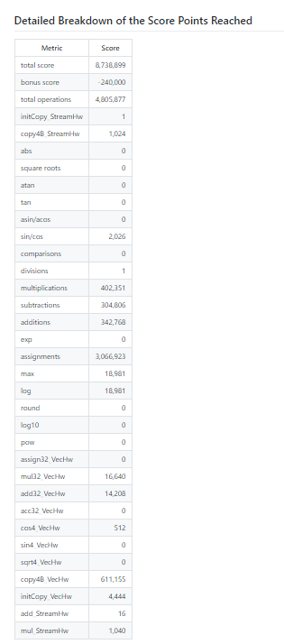
Local |  | Local Test
Starting | 966427095 | Starting | 2316182
Best | 2460772 | Test | 2315900
Num Improvement | 963966323 | Num Improvement | 282
% Improvement | 99.74537% | % Improvement | 0.01218%

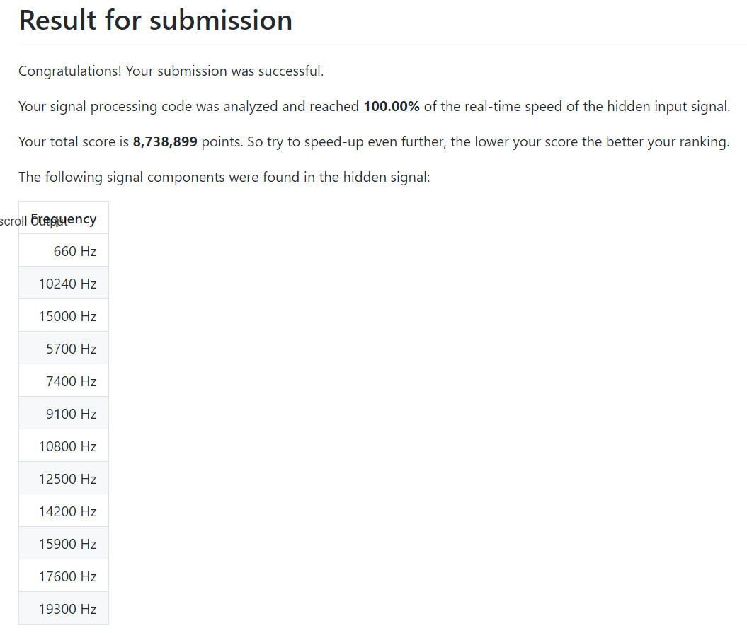
Scoreboard
Starting | 12,121,765
Best | 8,738,899
Num Improvement | 3382866
% Improvement | 27.90737%

