Sheet1
Local |  | Local Test
Starting | 966427095 | Starting | 2490772
Best | 2490772 | Test | 2490772
Num Improvement | 963936323 | Num Improvement | 0
% Improvement | 99.74227% | % Improvement | 0.00000%

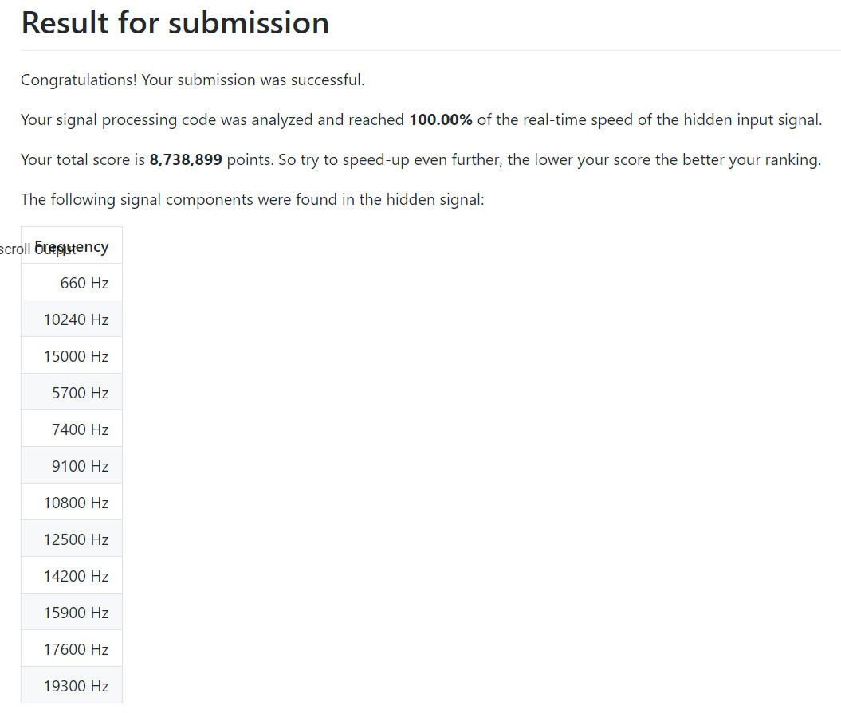
Scoreboard
Starting | 12,121,765
Best | 8,738,899
Num Improvement | 3382866
% Improvement | 27.90737%

